Time Sheet
MENU

 |  |  |  | PT Star Wagen Indonesia
Job Time Card Report |  |  |  | Authorized Dealer of Mercedes-Benz Truck & Bus in Indonesia

Mechanic Name: | Egi sugiana |  | WIP Number :

CIW/GW | Operational Code | End Start | Time Recording |  | Date |  |  |  | Total Time
 | Description
Warranty |  | End |  |  |  |  |  |  | 0:00:00 |  | Customer | 1:00:00
 |  | Start |  |  |  |  |  |  |  |  | Internal | 2:00:00
 |  | End |  |  |  |  |  |  | 0:00:00 |  | Warranty | 3:00:00
 |  | Start |  |  |  |  |  |  |  |  | GoodWill | 4:00:00
 |  | End |  |  | 2023-01-16 |  |  |  | 0:00:00 |  |  | 5:00:00
 |  | Start |  |  |  |  |  |  |  |  |  | 6:00:00
 |  | End |  |  |  |  |  |  | 0:00:00 |  |  | 7:00:00
 |  | Start |  |  |  |  |  |  |  |  |  | 8:00:00
 |  | End |  |  |  |  |  |  | 0:00:00 |  |  | 9:00:00
 |  | Start |  |  |  |  |  |  |  |  |  | 10:00:00
 |  | End |  |  |  |  |  |  | 0:00:00 |  |  | 11:00:00
 |  | Start |  |  |  |  |  |  |  |  |  | 12:00:00
 |  | End |  |  |  |  |  |  | 0:00:00 |  |  | 13:00:00
 |  | Start |  |  |  |  |  |  |  |  |  | 14:00:00
 |  | End |  |  |  |  |  |  | 0:00:00 |  |  | 15:00:00
 |  | Start |  |  |  |  |  |  |  |  |  | 16:00:00
 |  | End |  |  |  |  |  |  | 0:00:00 |  |  | 13:00:00
 |  | Start |  |  |  |  |  |  |  |  |  | 14:00:00
 |  | End |  |  |  |  |  |  | 0:00:00 |  |  | 15:00:00
 |  | Start |  |  |  |  |  |  |  |  |  | 16:00:00
 |  | End |  |  |  |  |  |  | 0:00:00 |  |  | 13:00:00
 |  | Start |  |  |  |  |  |  |  |  |  | 14:00:00
 |  | End |  |  |  |  |  |  | 0:00:00 |  |  | 15:00:00
 |  | Start |  |  |  |  |  |  |  |  |  | 16:00:00
 |  |  |  |  |  |  |  |  |  |  |  | 17:00:00
Hours |  | C | I | W/G | W1 | W2 | W3 | W4 | W5 | W6 |  | 18:00:00
Total |  |  |  | 0:00:00 |  |  |  |  |  |  |  | 19:00:00
 |  |  |  |  |  |  |  |  |  |  |  | 20:00:00
Head Office | Gedung Office 8 Lt.33 (SCBD Lot 28/Senopati Raya 8B), Jl.Jend.Sudirman Kav.52-53, Jakarta Selatan 12190 , Indonesia | T +62 21 57903456 | www.starwagen.co.id |  |  |  |  |  |  |  |  |  |  |  | 21:00:00
Branch | Jl.Syarifuddin Yoes Blok.Kav.46-47 RT.045, Sepinggan Baru, Balikpapan Selatan, Kalimantan Timur, Indonesia | +62 54 28707888 / +62 54 28705758 |  |  |  |  |  |  |  |  |  |  |  | 22:00:00
 |  |  |  |  |  |  |  |  |  |  |  | 23:00:00
and Mercedes-Benz are registered trademarks of Mercedes-Benz Group AG
 |  |  |  |  |  |  |  |  |  |  |  | 1900-01-01 00:00:00

Worksop Report
 | Menu
 |  |  | Workshop Report For Diagnostic Guide

 |  |  |  |  |  |  | PT.STAR WAGEN INDONESIA
 |  |  |  |  | WO
Date: |  | 29-Feb-24 |  |  |  |  |  | Job Site:
WIP No: |  |  |  |  | Customer Name: | PT. PUTRA PERKASA ABADI |  | PT AMC
Chasis No: |  | MFJ400243NJ001249 |  |  | Reg No : |  | Reg date
Engine No: |  | 400953D0128646 |  |  | Type : | AXOR 2528 CX | Mileage / Hours Meter | 3437 / 38329
Unit Code |  | DA25059

COMPLAINT ANALYSIS
Customer complaint/Customer information
 | Instal part campaign
Vehicle information
 | Aplicaton : | ü Long distance |  | ü Dump truck | ü OB operation | Regular service base
 |  | Short distance |  | Support truck | Hauling operation
Customer Information :
 | instal pressure line part campaign

TEST LEVEL

 | Test Level Description |  |  |  |  | Actual Value | Remark | Attachment Number
 | INSTAL PRESSURE LINE BEFORE |  |  |  |  | GOOD | OK
 | INSTAL PRESSURE LINE AFTER |  |  |  |  | GOOD | OK

CAUSE LEVEL
Cause level/Workshop findings: |  |  |  |  | RESULT :
 |  |  |  |  | INSTAL PRESSURE LINE PART CAMPAIGN
 |  | Ada | Tidak ada | Attachment Nr
Photo (# lembar) |  | √ |  | √
Area kerusakan (gbr EPC) |  | √ |  | √
Video (nama file) |  | x |  | √
Old Spare part No.
Notes: |  |  |  |  |  |  |  |  | √
 |  |  |  |  |  |  |  |  | x

RECTIFICATION AND VERIFICATION LEVEL
Rectification:

 | PART NUMBER | DESCRIPTION | QTY
 | A9060702433 | LU PRESSURE LINE | 6

Verification:

 |  |  | Workshop report digunakan untuk mencatat hasil analisa mekanik dengan menyertakan langkah-langkah diagnosis dan temuannya selama diagnosa

PICTURE CAUSE AND ACTION
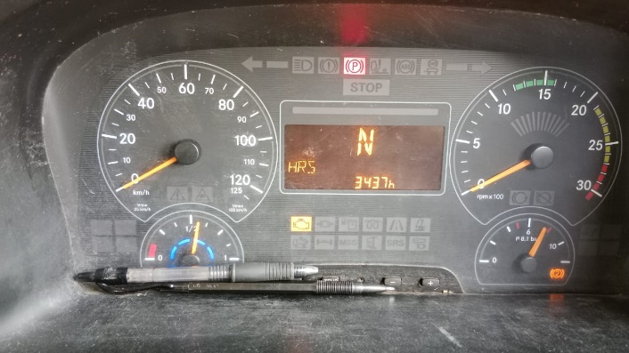 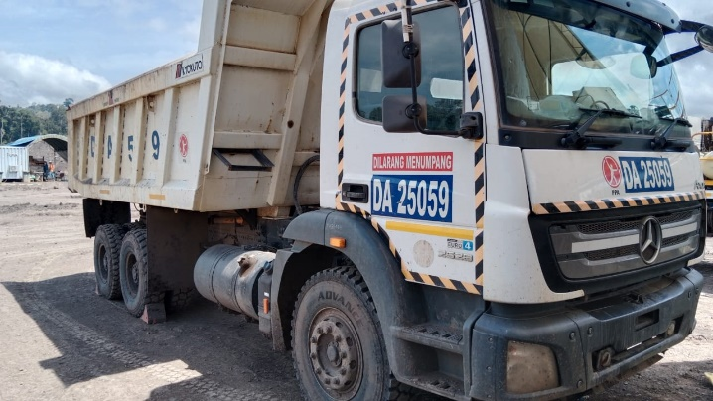 |  |  |  |  | 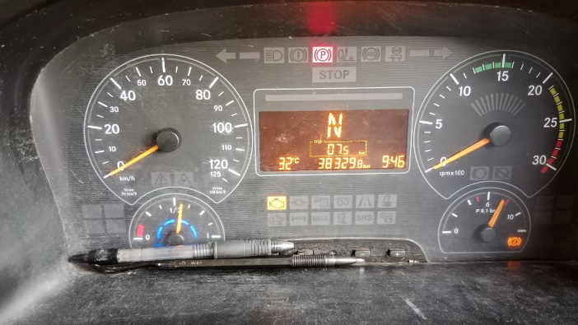 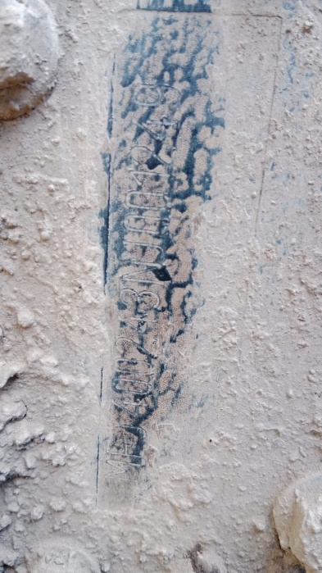 |  | 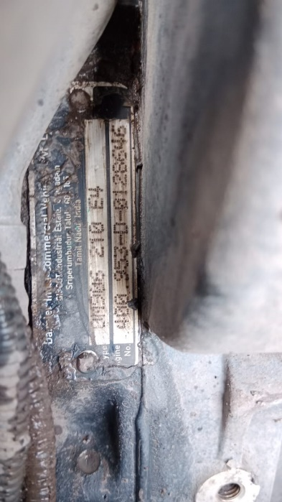

FOTO UNIT |  |  | FOTO HM |  | FOTO KM |  | FOTO VIN SN ENGINE

BEFORE
PICTURE CAUSE AND ACTION
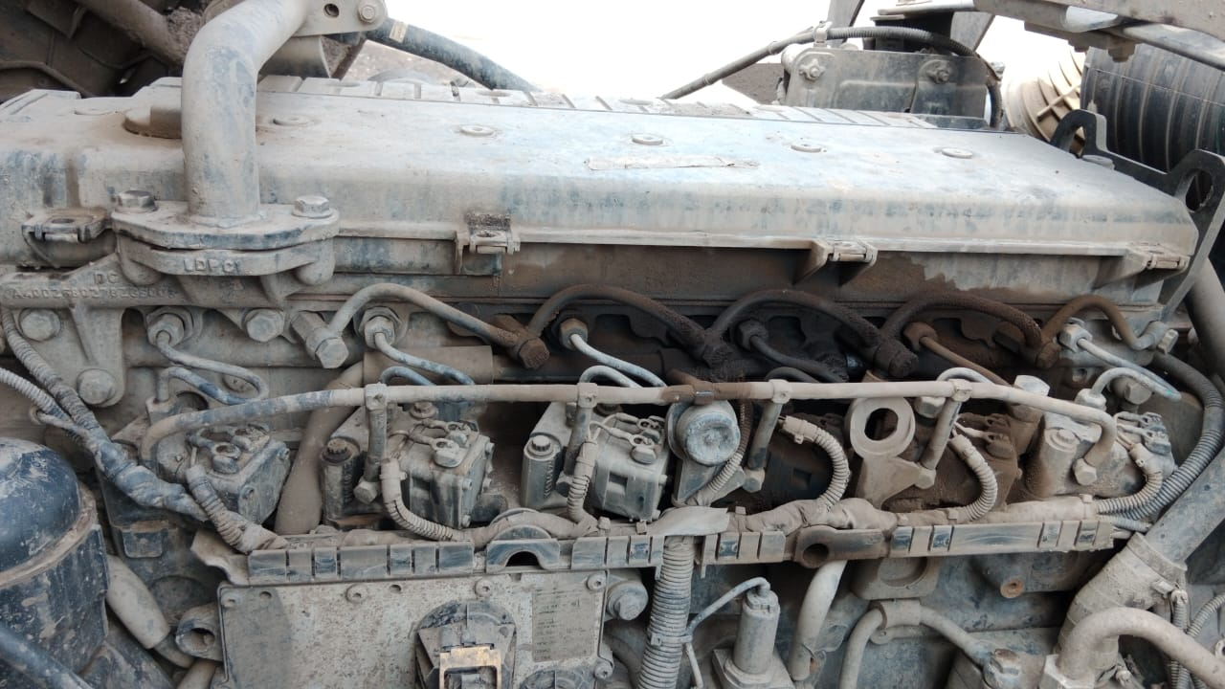 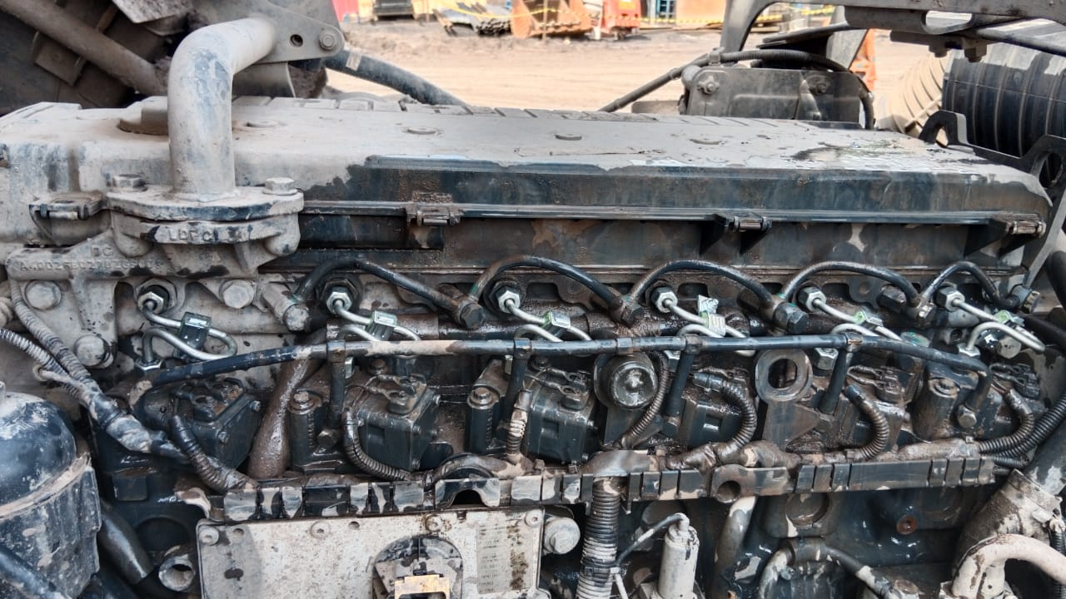 |  |  | 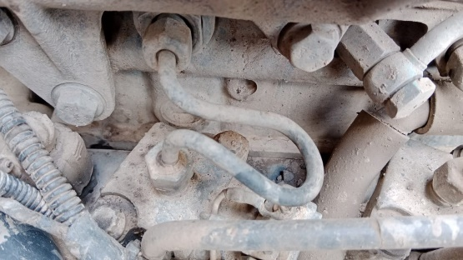 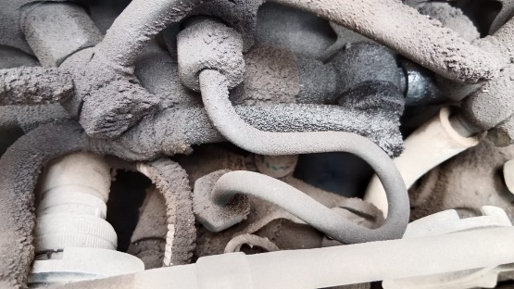 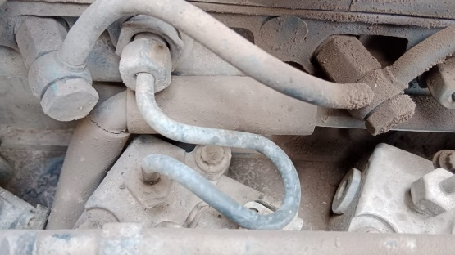 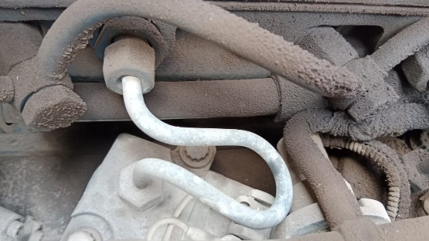 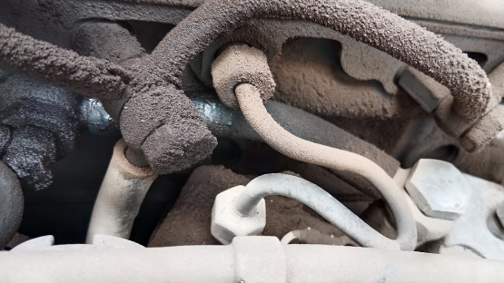 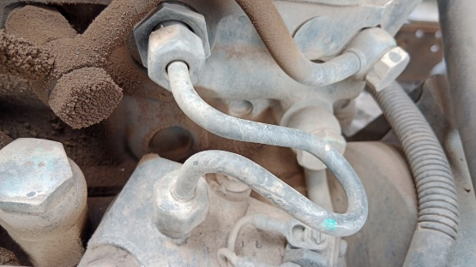 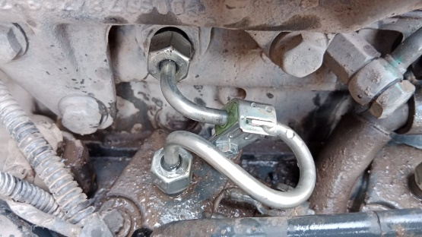 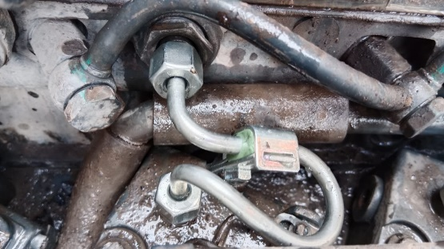 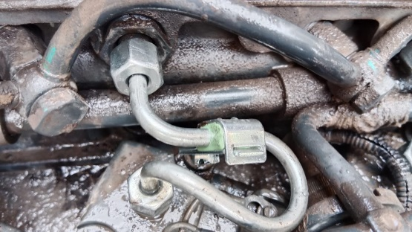 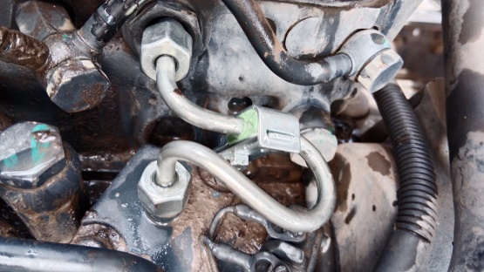 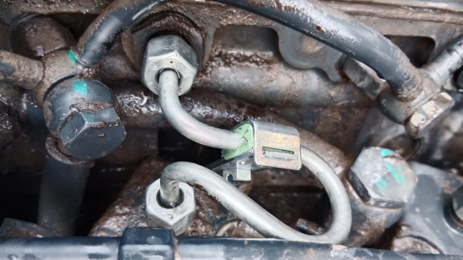 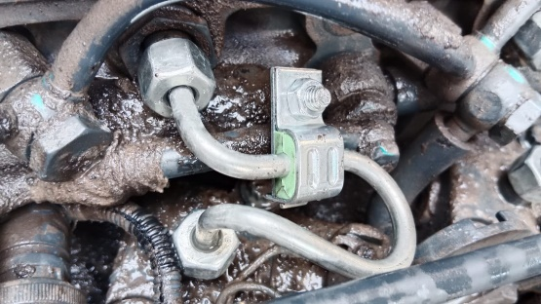
1

Cylinder 1
Cylinder 2
Cylinder 3

3
2
AFTER
Cylinder 4
Cylinder 1
Cylinder 4
Cylinder 5
Cylinder 2
Cylinder 5
Cylinder 6
Cylinder 3
Cylinder 6
CUSTOMER COMPLAINT PICTURE |  |  | JOB PROGRESS INVESTIGATION PICTURE

PICTURE CAUSE AND ACTION

Part Book |  |  |  |  | picture part no part new |  | Remarks

 |  |  |  |  |  |  | validation

and Mercedes-Benz are registered trademarks of Mercedes-Benz Group AG.
and Mercedes-Benz are registered trademarks of Mercedes-Benz Group AG.
Head Office | Gedung Office 8 Lt.33 (SCBD Lot 28/Senopati Raya 8B), Jl.Jend.Sudirman Kav.52-53, Jakarta Selatan 12190 , Indonesia | T +62 21 57903456 | www.starwagen.co.id
Branch | Jl.Syarifuddin Yoes Blok.Kav.46-47 RT.045, Sepinggan Baru, Balikpapan Selatan, Kalimantan Timur, Indonesia | +62 54 28707888 / +62 54 28705758
 |  |  |  |  |  |  | Egi sugiana | Supervisor / Workshop Managaer

Part Request
MENU

 |  |  |  |  |  |  |  |  | Authorized Dealer of Mercedes-Benz
Part Request Slip |  |  |  |  |  |  |  |  | Truck & Bus in Indonesia
 |  | Passenger car Commercial vehicle
Slip Numbering |  | Customer Information |  |  |  | Vehicle Information |  |  | Order Information
 |  | Nama | PT. PUTRA PERKASA ABADI |  |  | Model : | AXOR 2528 CX |  | Worksop Order No : | 0
 |  | Site | PT AMC |  |  | Vin : | MFJ400243NJ001249 |  | Order By :
 |  |  |  |  |  | Engine No : | 400953D0128646 |  | Delivery By :
 |  | Car Registration | DA25059 |  |  | Date of 1st registration: | 0 |  | Received By | 45351
 |  |  |  |  |  |  |  |  | Issue On :

No | Part Number | ES1 | ES2 | Bin Location | Quantity Requested | Description |  |  | Unit Price | Total Price
1 | A9060702433 |  |  |  | 6 | LU PRESSURE LINE
2 |  |  |  |  |  |  |  |  |  |  | ROTATIONAL SPEED SENSOR
3
4
5
6
7
8
9
10
11
12
13
14
 |  |  |  |  |  |  |  | Foreman | Mechanic | Delivered By

 |  |  |  |  |  |  |  |  | Egi sugiana

 | Head Office | Gedung Office 8 Lt.33 (SCBD Lot 28/Senopati Raya 8B), Jl.Jend.Sudirman Kav.52-53, Jakarta Selatan 12190 , Indonesia | T +62 21 57903456 | www.starwagen.co.id
 | Branch | Jl.Syarifuddin Yoes Blok.Kav.46-47 RT.045, Sepinggan Baru, Balikpapan Selatan, Kalimantan Timur, Indonesia | +62 54 28707888 / +62 54 28705758

and Mercedes-Benz are registered trademarks of Mercedes-Benz Group AG

Final Control
MENU

 |  |  | Truck & Bus |  |  |  | PT Star Wagen Indonesia
 |  |  | in Indonesia |  |  |  | Authorized Dealer of Mercedes-Benz Truck & Bus in Indonesia
Final Control Report

 |  | Customer Name : | PT. PUTRA PERKASA ABADI |  | Millage In : |  |  |  | Check And Tested By
 |  | Wo no/ WIP NO : |  |  | Millage Out : |  |  |  | Name : | Egi sugiana
 |  |  |  |  |  |  |  |  | Date : | 2023-09-06

 |  | Function Checks |  |  | Visual Checks |  |  |  | Other Checks
 | √ | All warning indicators |  | √ | Engine |  |  | √ | Wiper blades and spraying nozzle |  | √
 | √ | Steering system |  | √ | Transmission |  |  | √ | Vacuum hoses/lines |  | x
 | √ | Horn |  | √ | Rear axles |  |  | √ | Write your own checking list related reparation you did
 | √ | Lights interior / exterior |  | √ | Steering system |  |  | √ | …………………………………………………………………..
 | √ | Other electrical equipment |  | √ | Fuel system |  |  | √ | …………………………………………………………………..
 | √ | Central locking / closing assist system |  | √ | Cooling system |  |  | √ | …………………………………………………………………..
 | √ | Brakes on dynamometer or test drive |  | √ | Brake hoses / lines / linkage |  |  | √ | …………………………………………………………………..
 | √ | Air conditioner |  | √ | Condition of tires/spare tires (if any) |  |  | √ | …………………………………………………………………..
 |  |  |  | √ | Cleanliness inside and outside |  |  |  | …………………………………………………………………..
 |  | Fluid Levels |  |  | Final Checks |  |  |  | Document Check
 | √ | Engine |  | √ | Check work performed |  |  | √ | Test document / Short test result
 | √ | Transmission |  | √ | Test Drive if needed |  |  | √ | Workshop report (only if required)
 | √ | Radiator / Coolant |  |  |  |  |  | √ | Internal part requisition slip
 | √ | Power steering |  |  |  |  |  | √ | Battery test result, only if tested
 | √ | Battery |  |  |  |  |  | √
 | √ | Brake system |  |  |  |  |  | √
 | √ | Windshield washer |  |  |  |  |  | √
 |  |  |  |  |  |  |  | √
 | After completion of all the work required by you, we performed a final quality check on your vehicle with the following results:
 | Ok |  | No |  |  |  |  | Acknowledged by
 | During checking & reparation process, some critical findings has to be followed up;
 | 1.
 | 2.
 | this has been conveyed on………..to……………. but not approved for doing an action. |  |  |  | (Service Advisor) | (Customer) |  | Foreman or Supervisor

 | Head Office | Gedung Office 8 Lt.33 (SCBD Lot 28/Senopati Raya 8B), Jl.Jend.Sudirman Kav.52-53, Jakarta Selatan 12190 , Indonesia | T +62 21 57903456 | www.starwagen.co.id
 | Branch | Jl.Syarifuddin Yoes Blok.Kav.46-47 RT.045, Sepinggan Baru, Balikpapan Selatan, Kalimantan Timur, Indonesia | +62 54 28707888 / +62 54 28705758
and Mercedes-Benz are registered trademarks of Mercedes-Benz Group AG
.

