Time Sheet
MENU

 |  |  |  | PT Star Wagen Indonesia
Job Time Card Report |  |  |  | Authorized Dealer of Mercedes-Benz Truck & Bus in Indonesia

Mechanic Name: | Egi sugiana |  | WIP Number :

CIW/GW | Operational Code | End Start | Time Recording |  | Date |  |  |  | Total Time
 | Description
Warranty |  | End |  |  |  |  |  |  | 0:00:00 |  | Customer | 1:00:00
 |  | Start |  |  |  |  |  |  |  |  | Internal | 2:00:00
 |  | End |  |  |  |  |  |  | 0:00:00 |  | Warranty | 3:00:00
 |  | Start |  |  |  |  |  |  |  |  | GoodWill | 4:00:00
 |  | End |  |  | 2023-01-16 |  |  |  | 0:00:00 |  |  | 5:00:00
 |  | Start |  |  |  |  |  |  |  |  |  | 6:00:00
 |  | End |  |  |  |  |  |  | 0:00:00 |  |  | 7:00:00
 |  | Start |  |  |  |  |  |  |  |  |  | 8:00:00
 |  | End |  |  |  |  |  |  | 0:00:00 |  |  | 9:00:00
 |  | Start |  |  |  |  |  |  |  |  |  | 10:00:00
 |  | End |  |  |  |  |  |  | 0:00:00 |  |  | 11:00:00
 |  | Start |  |  |  |  |  |  |  |  |  | 12:00:00
 |  | End |  |  |  |  |  |  | 0:00:00 |  |  | 13:00:00
 |  | Start |  |  |  |  |  |  |  |  |  | 14:00:00
 |  | End |  |  |  |  |  |  | 0:00:00 |  |  | 15:00:00
 |  | Start |  |  |  |  |  |  |  |  |  | 16:00:00
 |  | End |  |  |  |  |  |  | 0:00:00 |  |  | 13:00:00
 |  | Start |  |  |  |  |  |  |  |  |  | 14:00:00
 |  | End |  |  |  |  |  |  | 0:00:00 |  |  | 15:00:00
 |  | Start |  |  |  |  |  |  |  |  |  | 16:00:00
 |  | End |  |  |  |  |  |  | 0:00:00 |  |  | 13:00:00
 |  | Start |  |  |  |  |  |  |  |  |  | 14:00:00
 |  | End |  |  |  |  |  |  | 0:00:00 |  |  | 15:00:00
 |  | Start |  |  |  |  |  |  |  |  |  | 16:00:00
 |  |  |  |  |  |  |  |  |  |  |  | 17:00:00
Hours |  | C | I | W/G | W1 | W2 | W3 | W4 | W5 | W6 |  | 18:00:00
Total |  |  |  | 0:00:00 |  |  |  |  |  |  |  | 19:00:00
 |  |  |  |  |  |  |  |  |  |  |  | 20:00:00
Head Office | Gedung Office 8 Lt.33 (SCBD Lot 28/Senopati Raya 8B), Jl.Jend.Sudirman Kav.52-53, Jakarta Selatan 12190 , Indonesia | T +62 21 57903456 | www.starwagen.co.id |  |  |  |  |  |  |  |  |  |  |  | 21:00:00
Branch | Jl.Syarifuddin Yoes Blok.Kav.46-47 RT.045, Sepinggan Baru, Balikpapan Selatan, Kalimantan Timur, Indonesia | +62 54 28707888 / +62 54 28705758 |  |  |  |  |  |  |  |  |  |  |  | 22:00:00
 |  |  |  |  |  |  |  |  |  |  |  | 23:00:00
and Mercedes-Benz are registered trademarks of Mercedes-Benz Group AG
 |  |  |  |  |  |  |  |  |  |  |  | 1900-01-01 00:00:00

Worksop Report
 | Menu
 |  |  | Workshop Report For Diagnostic Guide

 |  |  |  |  |  |  | PT.STAR WAGEN INDONESIA
 |  |  |  |  | WO
Date: |  | 22-Dec-23 |  |  |  |  |  | Job Site:
WIP No: |  |  |  |  | Customer Name: | PT. PUTRA PERKASA ABADI |  | PT AMC
Chasis No: |  | W1T96421620645629 |  |  | Reg No : |  | Reg date
Engine No: |  | 471922C0783526 |  |  | Type : | AROCS 4042 K | Mileage / Hours Meter | 25756 / 2668
Unit Code |  | DA42004

COMPLAINT ANALYSIS
Customer complaint/Customer information
 | Wheel front axle RH jamed
Vehicle information
 | Aplicaton : | ü Long distance |  | ü Dump truck | Ore operation | Regular service base
 |  | Short distance |  | support truck | ü OB operation
Customer Information :
 | When machine after dumping wheel front axle RH jamed

TEST LEVEL

 | Test Level Description |  |  |  |  | Actual Value | Remark | Attachment Number
 | CHECK LINING BRAKE AND BRAKE SHOE FRONT AXLE RH |  |  |  |  | BROKEN | NOT OK | attachment picture 1
 | CHECK DRUM BRAKE |  |  |  |  | BROKEN | NOT OK | attachment picture 2
 | CHECK BOLT CARRIER |  |  |  |  | LOOSE 1 PCS | NOT OK | attachment picture 3

CAUSE LEVEL
Cause level/Workshop findings: |  |  |  |  | RESULT :
 |  |  |  |  | AFTER GETTING REPORT FROM DRIVER WE REMOVE TYRE MAKE SURE CAUSES OF DAMAGE. WE FOUND LINING BRAKE AND BRAKE SHOE BROKEN. WE FOUND TOO BOLT BRAKE CARRIER LOOSE 1 PCS. AFTER FINDING BOLT BRAKE CARRIER LOOSE 1 PCS WE CHECK THE OTHER BOLT AND WE RETORQUE. WE MAKE SURE CONDITION DRUM BRAKE AND DRUM BRAKE CONDITION NOT GOOD. WE AFTER MAKE SURE CAUSES OF DAMAGE AND CHECK CONDITION PART REALATED WE REPLACEMENT WITH NEW PART.
 |  | Ada | Tidak ada | Attachment Nr
Photo (# lembar) |  | √ |  | √
Area kerusakan (gbr EPC) |  | √ |  | √
Video (nama file) |  | x |  | √
Old Spare part No.
Notes: |  |  |  |  |  |  |  |  | √
 |  |  |  |  |  |  |  |  | x

RECTIFICATION AND VERIFICATION LEVEL
Rectification:

 | PART NUMBER | DESCRIPTION | QTY
 | A6594202119 | BRAKE SHOE | 2
 | A6584210001 | BRAKE DRUM | 1
 | A9644210030 | BRAKE LINING | 4
 | A9429940101 | LOCK WASHER | 1
 | A3469901304 | SCREW | 1
Verification:

 |  |  | Workshop report digunakan untuk mencatat hasil analisa mekanik dengan menyertakan langkah-langkah diagnosis dan temuannya selama diagnosa

PICTURE CAUSE AND ACTION
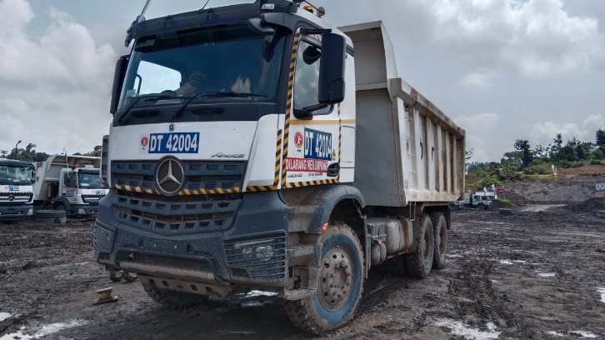 |  |  | 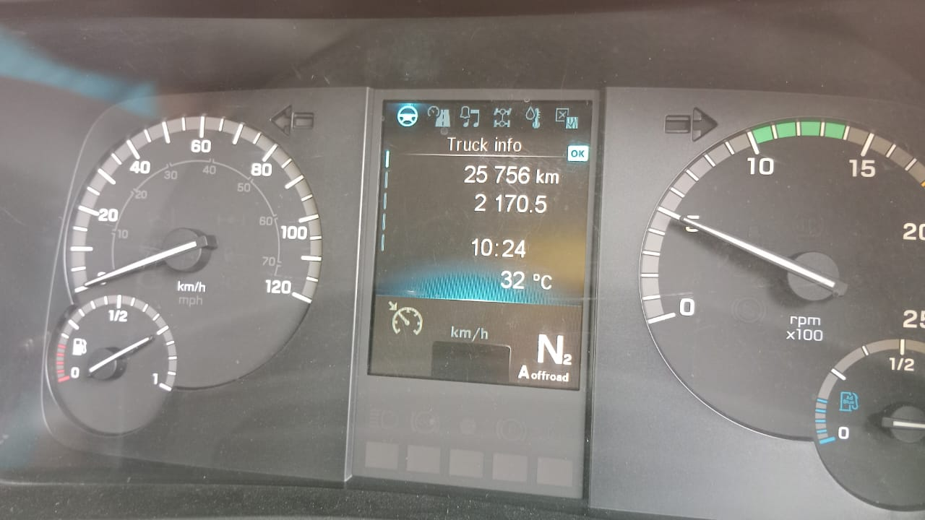 |  | 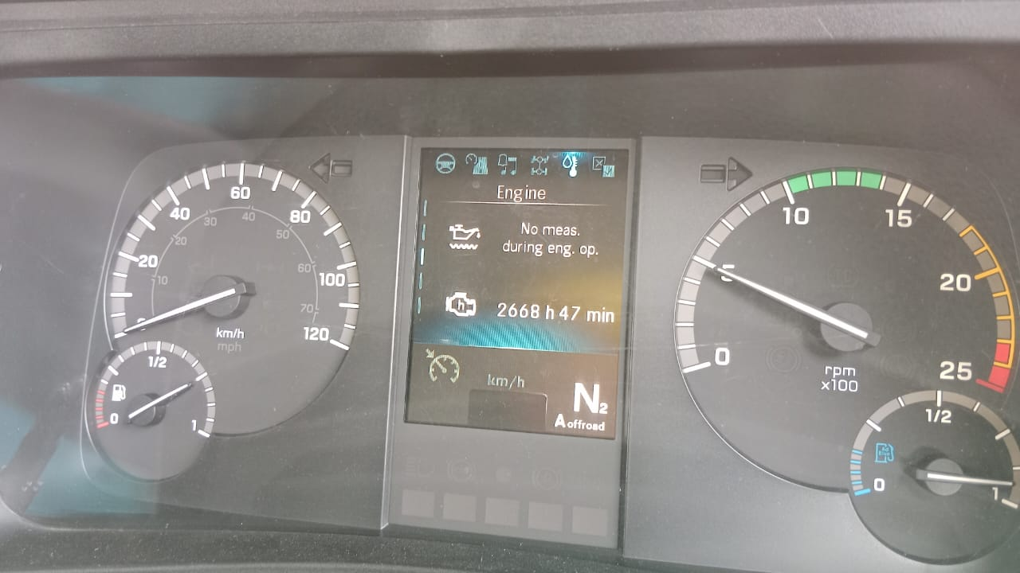 |  | 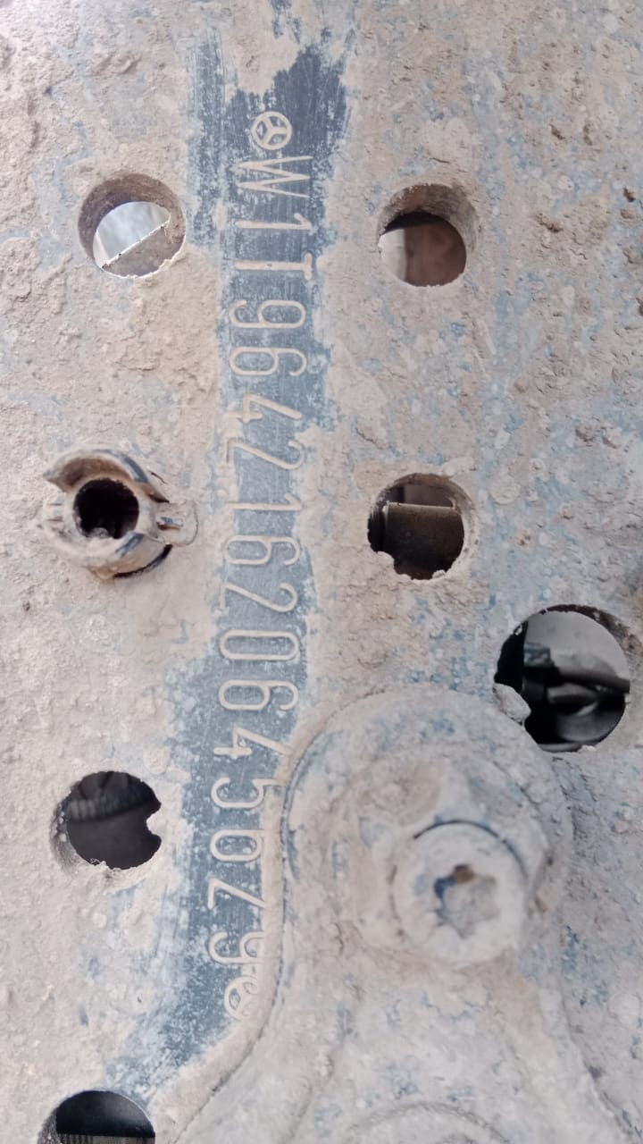

FOTO UNIT |  |  | FOTO HM |  | FOTO KM |  | FOTO VIN

1
CONDITION LINING BRAKE AND BRAKE SHOE
INSTAL WITH NEW PART
INSTAL WITH NEW PART
PICTURE CAUSE AND ACTION
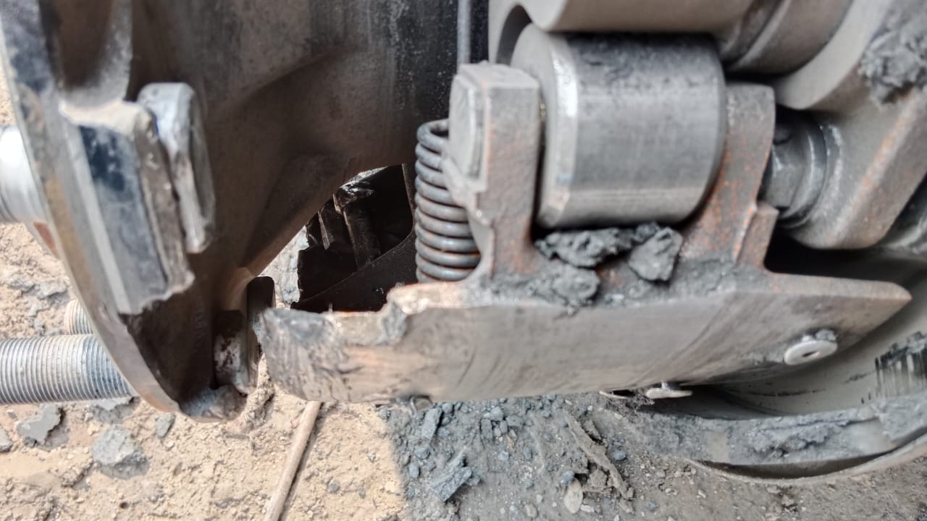 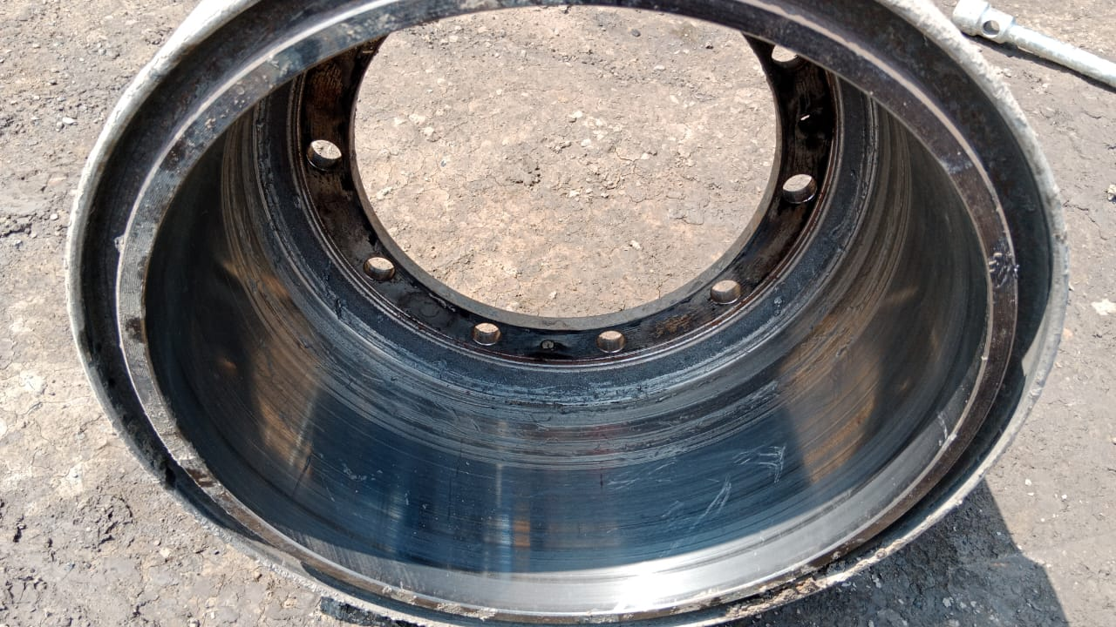 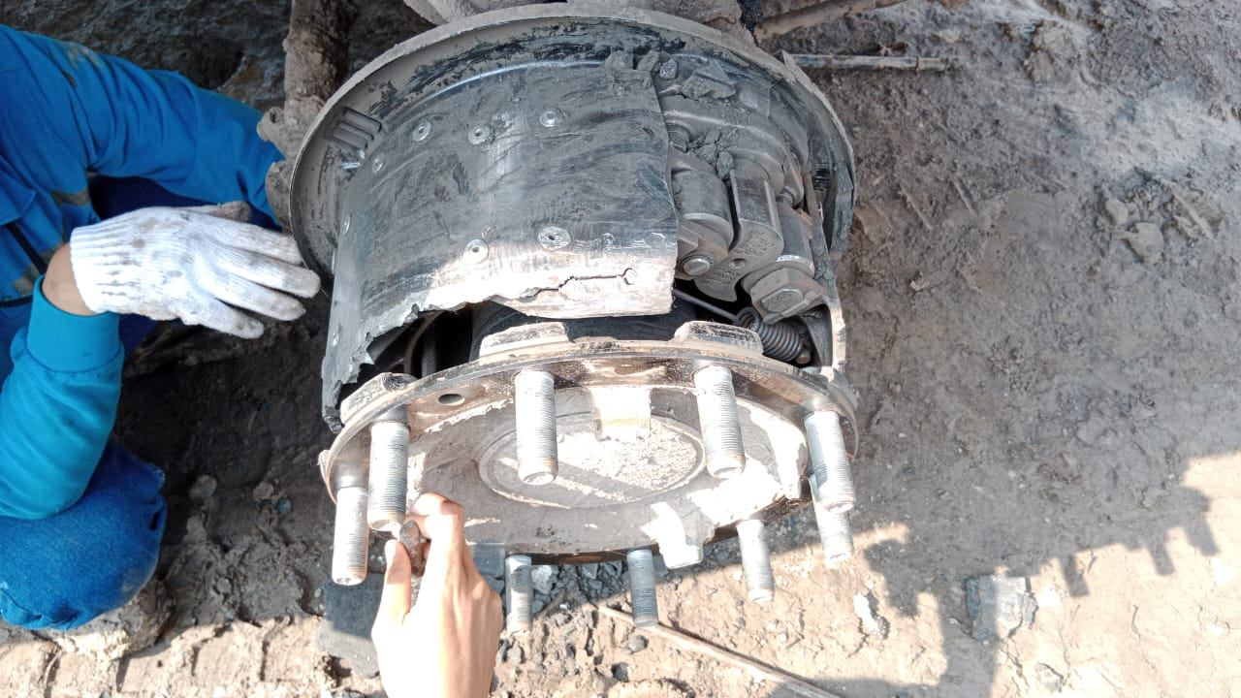 |  |  | 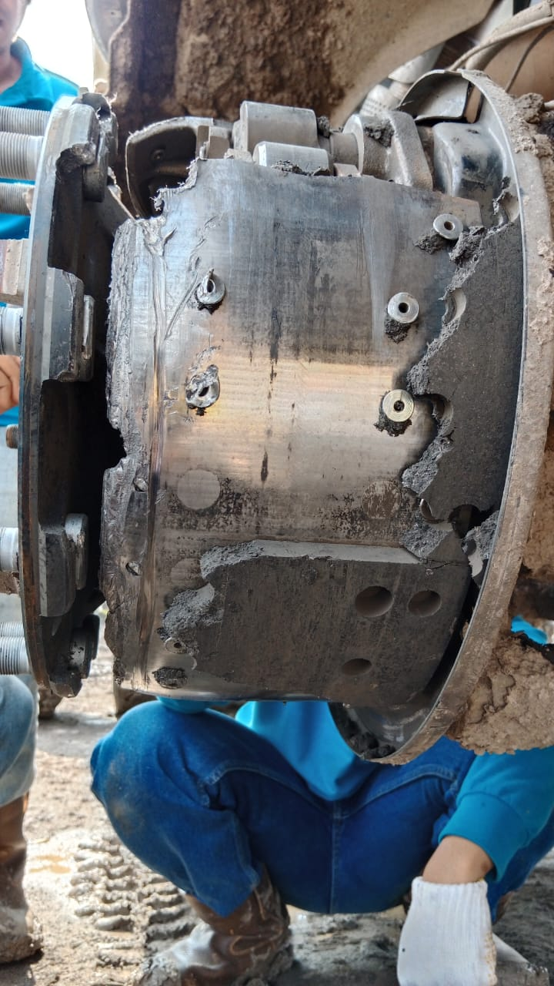 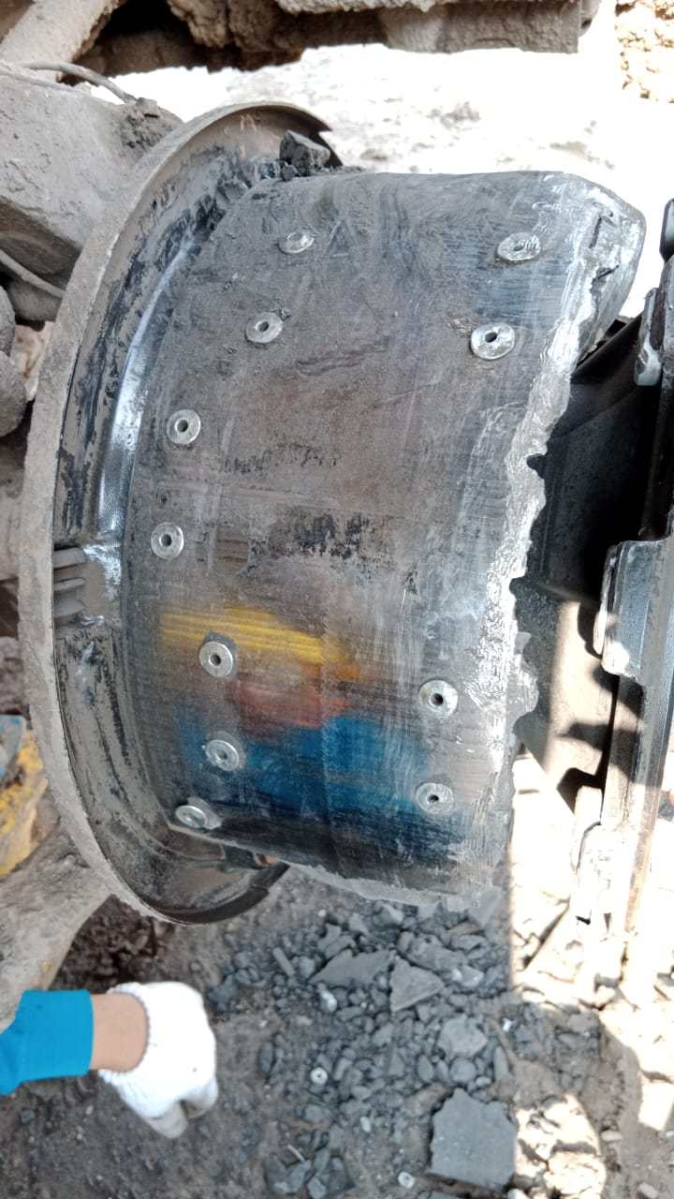 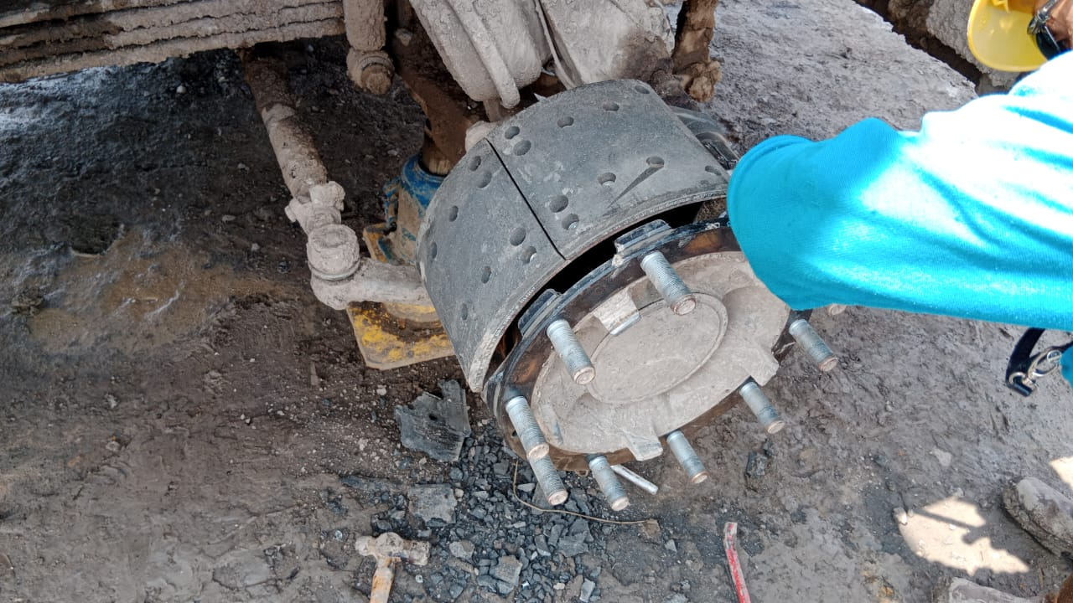 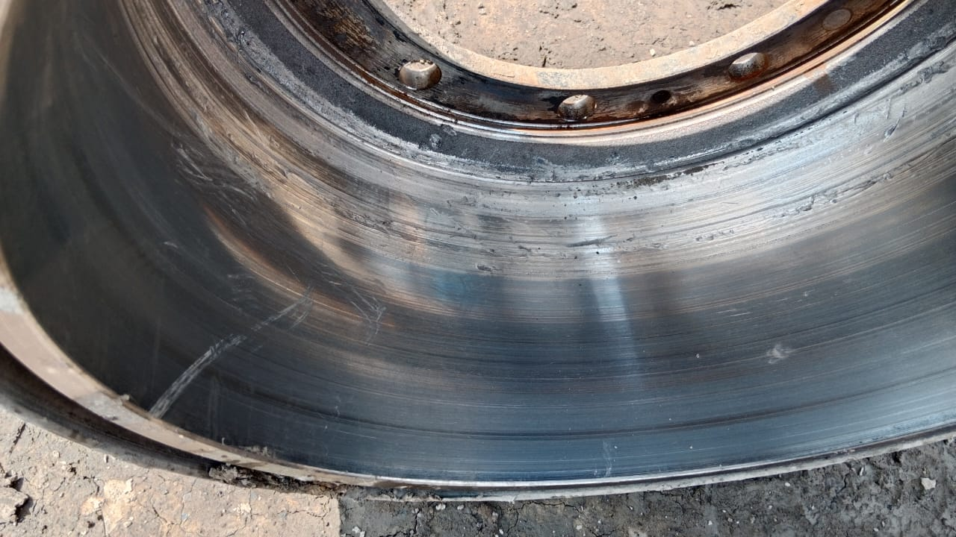 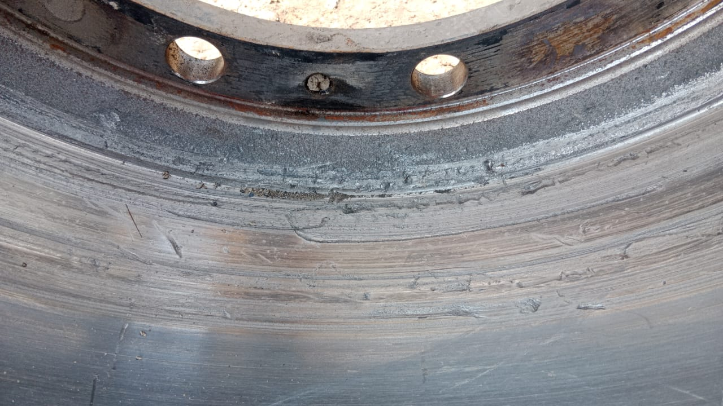 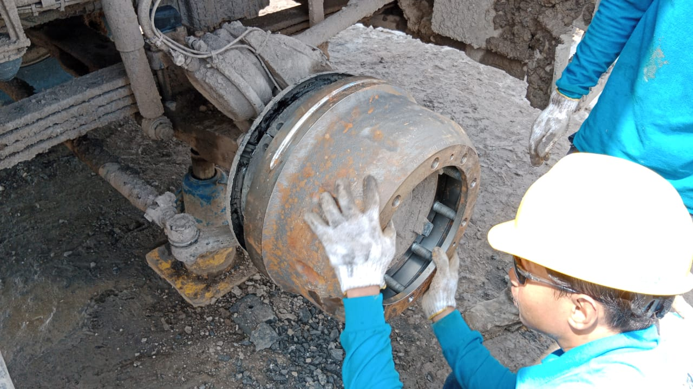 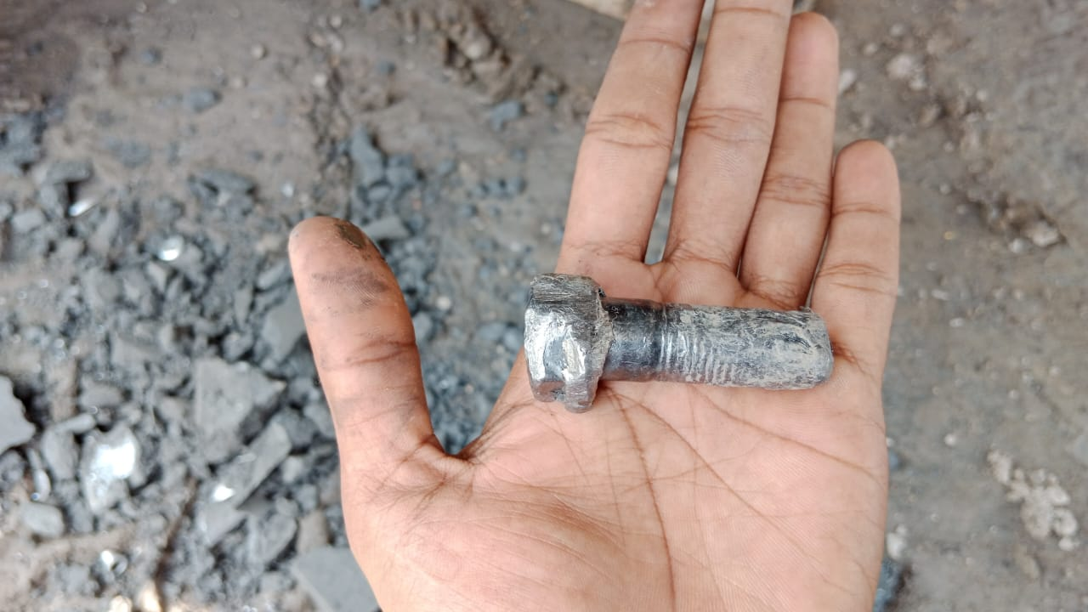 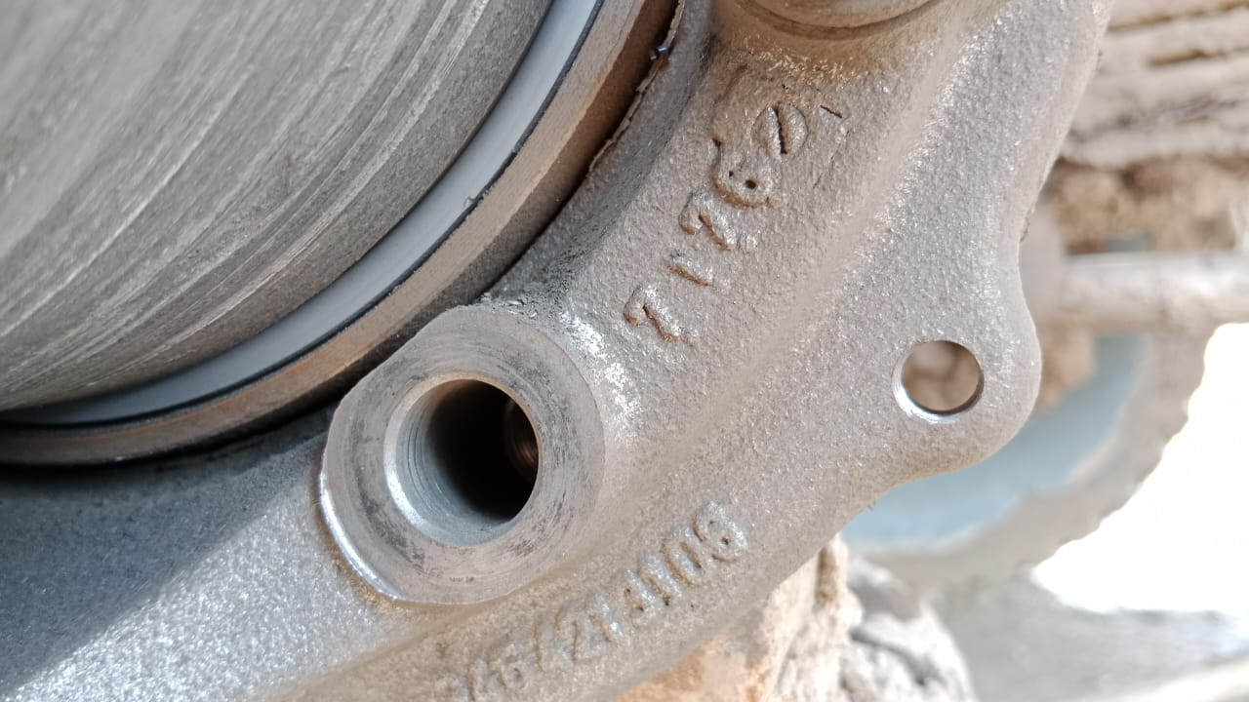 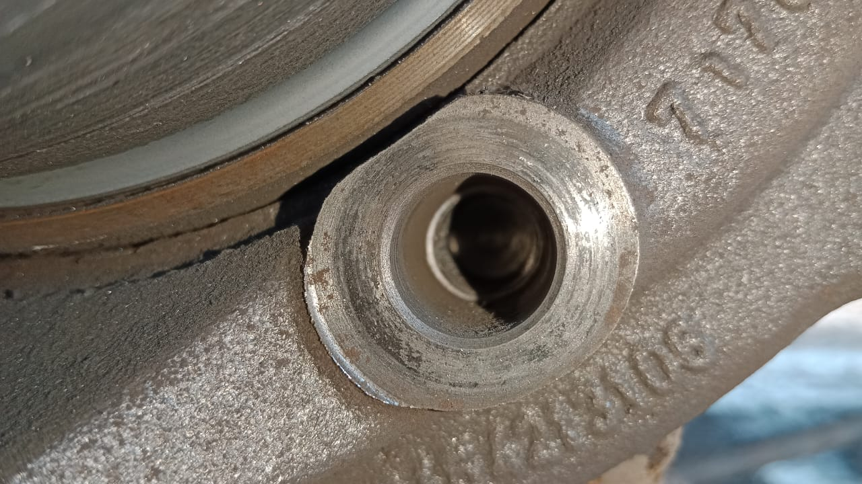

2
3
CONDITION BRAKE DRUM
BOLT BRAKE CARRIER LOOSE I PCS
CONDITION HOLE BOLT BRAKE CARRIER AFTER LOOSE
INSTAL WITH NEW PART
CUSTOMER COMPLAINT PICTURE |  |  | JOB PROGRESS INVESTIGATION PICTURE

PICTURE CAUSE AND ACTION
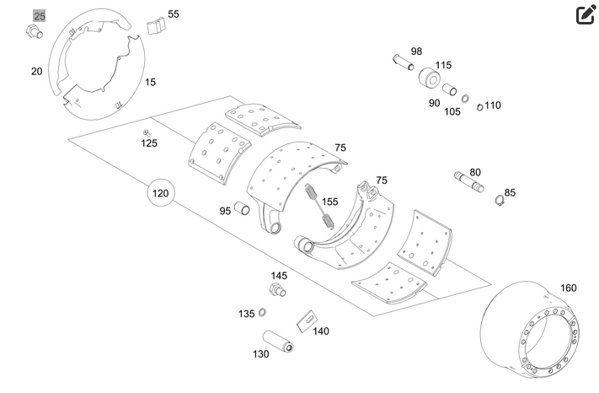

Part Book |  |  |  |  | picture part no part new |  | Remarks

 |  |  |  |  |  |  | validation

and Mercedes-Benz are registered trademarks of Mercedes-Benz Group AG.
and Mercedes-Benz are registered trademarks of Mercedes-Benz Group AG.
Head Office | Gedung Office 8 Lt.33 (SCBD Lot 28/Senopati Raya 8B), Jl.Jend.Sudirman Kav.52-53, Jakarta Selatan 12190 , Indonesia | T +62 21 57903456 | www.starwagen.co.id
Branch | Jl.Syarifuddin Yoes Blok.Kav.46-47 RT.045, Sepinggan Baru, Balikpapan Selatan, Kalimantan Timur, Indonesia | +62 54 28707888 / +62 54 28705758
 |  |  |  |  |  |  | Egi sugiana | Supervisor / Workshop Managaer

Part Request
MENU

 |  |  |  |  |  |  |  |  | Authorized Dealer of Mercedes-Benz
Part Request Slip |  |  |  |  |  |  |  |  | Truck & Bus in Indonesia
 |  | Passenger car Commercial vehicle
Slip Numbering |  | Customer Information |  |  |  | Vehicle Information |  |  | Order Information
 |  | Nama | PT. PUTRA PERKASA ABADI |  |  | Model : | AROCS 4042 K |  | Worksop Order No : | 0
 |  | Site | PT AMC |  |  | Vin : | W1T96421620645629 |  | Order By :
 |  |  |  |  |  | Engine No : | 471922C0783526 |  | Delivery By :
 |  | Car Registration | DA42004 |  |  | Date of 1st registration: | 0 |  | Received By | 45282
 |  |  |  |  |  |  |  |  | Issue On :

No | Part Number | ES1 | ES2 | Bin Location | Quantity Requested | Description |  |  | Unit Price | Total Price
1 | A6594202119 |  |  |  | 2 | BRAKE SHOE
2 | A6584210001 |  |  |  | 1 | BRAKE DRUM |  |  |  |  | ROTATIONAL SPEED SENSOR
3 | A9644210030 |  |  |  | 4 | BRAKE LINING
4 | A9429940101 |  |  |  | 1 | LOCK WASHER
5 | A3469901304 |  |  |  | 1 | SCREW
6
7
8
9
10
11
12
13
14
 |  |  |  |  |  |  |  | Foreman | Mechanic | Delivered By

 |  |  |  |  |  |  |  |  | Egi sugiana

 | Head Office | Gedung Office 8 Lt.33 (SCBD Lot 28/Senopati Raya 8B), Jl.Jend.Sudirman Kav.52-53, Jakarta Selatan 12190 , Indonesia | T +62 21 57903456 | www.starwagen.co.id
 | Branch | Jl.Syarifuddin Yoes Blok.Kav.46-47 RT.045, Sepinggan Baru, Balikpapan Selatan, Kalimantan Timur, Indonesia | +62 54 28707888 / +62 54 28705758

and Mercedes-Benz are registered trademarks of Mercedes-Benz Group AG

Final Control
MENU

 |  |  | Truck & Bus |  |  |  | PT Star Wagen Indonesia
 |  |  | in Indonesia |  |  |  | Authorized Dealer of Mercedes-Benz Truck & Bus in Indonesia
Final Control Report

 |  | Customer Name : | PT. PUTRA PERKASA ABADI |  | Millage In : |  |  |  | Check And Tested By
 |  | Wo no/ WIP NO : |  |  | Millage Out : |  |  |  | Name : | Egi sugiana
 |  |  |  |  |  |  |  |  | Date : | 2023-09-15

 |  | Function Checks |  |  | Visual Checks |  |  |  | Other Checks
 | √ | All warning indicators |  | √ | Engine |  |  | √ | Wiper blades and spraying nozzle |  | √
 | √ | Steering system |  | √ | Transmission |  |  | √ | Vacuum hoses/lines |  | x
 | √ | Horn |  | √ | Rear axles |  |  | √ | Write your own checking list related reparation you did
 | √ | Lights interior / exterior |  | √ | Steering system |  |  | √ | …………………………………………………………………..
 | √ | Other electrical equipment |  | √ | Fuel system |  |  | √ | …………………………………………………………………..
 | √ | Central locking / closing assist system |  | √ | Cooling system |  |  | √ | …………………………………………………………………..
 | √ | Brakes on dynamometer or test drive |  | √ | Brake hoses / lines / linkage |  |  | √ | …………………………………………………………………..
 | √ | Air conditioner |  | √ | Condition of tires/spare tires (if any) |  |  | √ | …………………………………………………………………..
 |  |  |  | √ | Cleanliness inside and outside |  |  |  | …………………………………………………………………..
 |  | Fluid Levels |  |  | Final Checks |  |  |  | Document Check
 | √ | Engine |  | √ | Check work performed |  |  | √ | Test document / Short test result
 | √ | Transmission |  | √ | Test Drive if needed |  |  | √ | Workshop report (only if required)
 | √ | Radiator / Coolant |  |  |  |  |  | √ | Internal part requisition slip
 | √ | Power steering |  |  |  |  |  | √ | Battery test result, only if tested
 | √ | Battery |  |  |  |  |  | √
 | √ | Brake system |  |  |  |  |  | √
 | √ | Windshield washer |  |  |  |  |  | √
 |  |  |  |  |  |  |  | √
 | After completion of all the work required by you, we performed a final quality check on your vehicle with the following results:
 | Ok |  | No |  |  |  |  | Acknowledged by
 | During checking & reparation process, some critical findings has to be followed up;
 | 1.
 | 2.
 | this has been conveyed on………..to……………. but not approved for doing an action. |  |  |  | (Service Advisor) | (Customer) |  | Foreman or Supervisor

 | Head Office | Gedung Office 8 Lt.33 (SCBD Lot 28/Senopati Raya 8B), Jl.Jend.Sudirman Kav.52-53, Jakarta Selatan 12190 , Indonesia | T +62 21 57903456 | www.starwagen.co.id
 | Branch | Jl.Syarifuddin Yoes Blok.Kav.46-47 RT.045, Sepinggan Baru, Balikpapan Selatan, Kalimantan Timur, Indonesia | +62 54 28707888 / +62 54 28705758
and Mercedes-Benz are registered trademarks of Mercedes-Benz Group AG
.

