Time Sheet
MENU

 |  |  |  | PT Star Wagen Indonesia
Job Time Card Report |  |  |  | Authorized Dealer of Mercedes-Benz Truck & Bus in Indonesia

Mechanic Name: | Egi sugiana / Didik IU |  | WIP Number :

CIW/GW | Operational Code | End Start | Time Recording |  | Date |  |  |  | Total Time
 | Description
Warranty |  | End |  |  |  |  |  |  | 0:00:00 |  | Customer | 1:00:00
 |  | Start |  |  |  |  |  |  |  |  | Internal | 2:00:00
 |  | End |  |  |  |  |  |  | 0:00:00 |  | Warranty | 3:00:00
 |  | Start |  |  |  |  |  |  |  |  | GoodWill | 4:00:00
 |  | End |  |  | 2023-01-16 |  |  |  | 0:00:00 |  |  | 5:00:00
 |  | Start |  |  |  |  |  |  |  |  |  | 6:00:00
 |  | End |  |  |  |  |  |  | 0:00:00 |  |  | 7:00:00
 |  | Start |  |  |  |  |  |  |  |  |  | 8:00:00
 |  | End |  |  |  |  |  |  | 0:00:00 |  |  | 9:00:00
 |  | Start |  |  |  |  |  |  |  |  |  | 10:00:00
 |  | End |  |  |  |  |  |  | 0:00:00 |  |  | 11:00:00
 |  | Start |  |  |  |  |  |  |  |  |  | 12:00:00
 |  | End |  |  |  |  |  |  | 0:00:00 |  |  | 13:00:00
 |  | Start |  |  |  |  |  |  |  |  |  | 14:00:00
 |  | End |  |  |  |  |  |  | 0:00:00 |  |  | 15:00:00
 |  | Start |  |  |  |  |  |  |  |  |  | 16:00:00
 |  | End |  |  |  |  |  |  | 0:00:00 |  |  | 13:00:00
 |  | Start |  |  |  |  |  |  |  |  |  | 14:00:00
 |  | End |  |  |  |  |  |  | 0:00:00 |  |  | 15:00:00
 |  | Start |  |  |  |  |  |  |  |  |  | 16:00:00
 |  | End |  |  |  |  |  |  | 0:00:00 |  |  | 13:00:00
 |  | Start |  |  |  |  |  |  |  |  |  | 14:00:00
 |  | End |  |  |  |  |  |  | 0:00:00 |  |  | 15:00:00
 |  | Start |  |  |  |  |  |  |  |  |  | 16:00:00
 |  |  |  |  |  |  |  |  |  |  |  | 17:00:00
Hours |  | C | I | W/G | W1 | W2 | W3 | W4 | W5 | W6 |  | 18:00:00
Total |  |  |  | 0:00:00 |  |  |  |  |  |  |  | 19:00:00
 |  |  |  |  |  |  |  |  |  |  |  | 20:00:00
Head Office | Gedung Office 8 Lt.33 (SCBD Lot 28/Senopati Raya 8B), Jl.Jend.Sudirman Kav.52-53, Jakarta Selatan 12190 , Indonesia | T +62 21 57903456 | www.starwagen.co.id |  |  |  |  |  |  |  |  |  |  |  | 21:00:00
Branch | Jl.Syarifuddin Yoes Blok.Kav.46-47 RT.045, Sepinggan Baru, Balikpapan Selatan, Kalimantan Timur, Indonesia | +62 54 28707888 / +62 54 28705758 |  |  |  |  |  |  |  |  |  |  |  | 22:00:00
 |  |  |  |  |  |  |  |  |  |  |  | 23:00:00
and Mercedes-Benz are registered trademarks of Mercedes-Benz Group AG
 |  |  |  |  |  |  |  |  |  |  |  | 1900-01-01 00:00:00

Worksop Report
 | Menu
 |  |  | Workshop Report For Diagnostic Guide

 |  |  |  |  |  |  | PT.STAR WAGEN INDONESIA
 |  |  |  |  | WO | 310000005096
Date: |  | 25-Dec-23 |  |  |  |  |  | Job Site:
WIP No: |  |  |  |  | Customer Name: | PT. PUTRA PERKASA ABADI |  | PT AMC
Chasis No: |  | MFJ400241NJ000064 |  |  | Reg No : |  | Reg date
Engine No: |  | 400951D0117398 |  |  | Type : | AXOR 2528 RMC | Mileage / Hours Meter | 26379 / 3070
Unit Code |  | WT2531

COMPLAINT ANALYSIS
Customer complaint/Customer information
 | Instal part campaign
Vehicle information
 | Aplicaton : | ü Long distance |  | Dump truck | Ore operation | Regular service base
 |  | Short distance |  | ü support truck | Hauling operation
Customer Information :
 | instal valve bridge part campaign

TEST LEVEL

 | Test Level Description |  |  |  |  | Actual Value | Remark | Attachment Number
 | INSTAL VALVE BRIDGE |  |  |  |  | GOOD | OK
 | ADJUST VALVE CLEARANCE |  |  |  |  | GOOD | OK

CAUSE LEVEL
Cause level/Workshop findings: |  |  |  |  | RESULT :
 |  |  |  |  | INSTAL VALVE BRIDGE PART CAMPAIGN
 |  | Ada | Tidak ada | Attachment Nr
Photo (# lembar) |  | √ |  | √
Area kerusakan (gbr EPC) |  | √ |  | √
Video (nama file) |  | x |  | √
Old Spare part No.
Notes: |  |  |  |  |  |  |  |  | √
 |  |  |  |  |  |  |  |  | x

RECTIFICATION AND VERIFICATION LEVEL
Rectification:

 | PART NUMBER | DESCRIPTION | QTY
 | A9060550706 | VALVE BRIDGE | 6

Verification:

 |  |  | Workshop report digunakan untuk mencatat hasil analisa mekanik dengan menyertakan langkah-langkah diagnosis dan temuannya selama diagnosa

PICTURE CAUSE AND ACTION
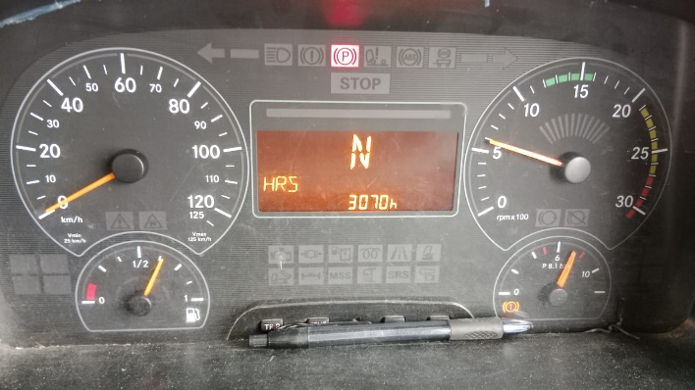 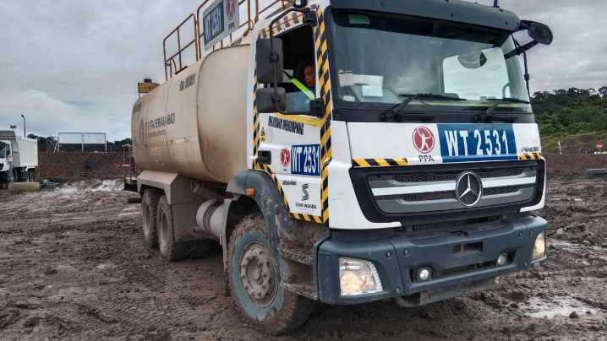 |  |  |  |  | 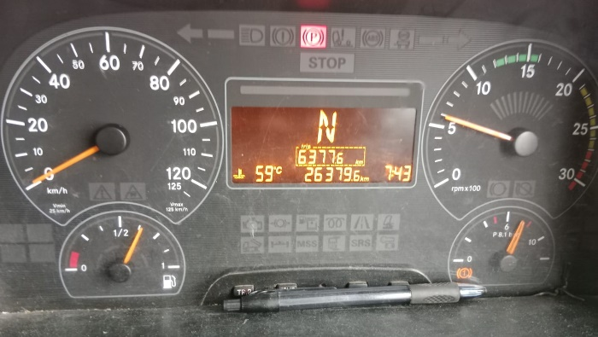 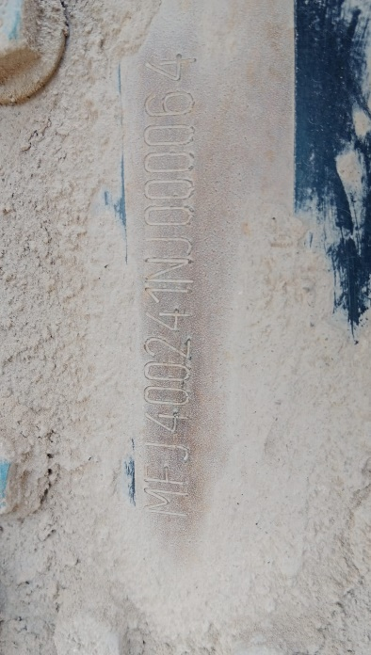 |  | 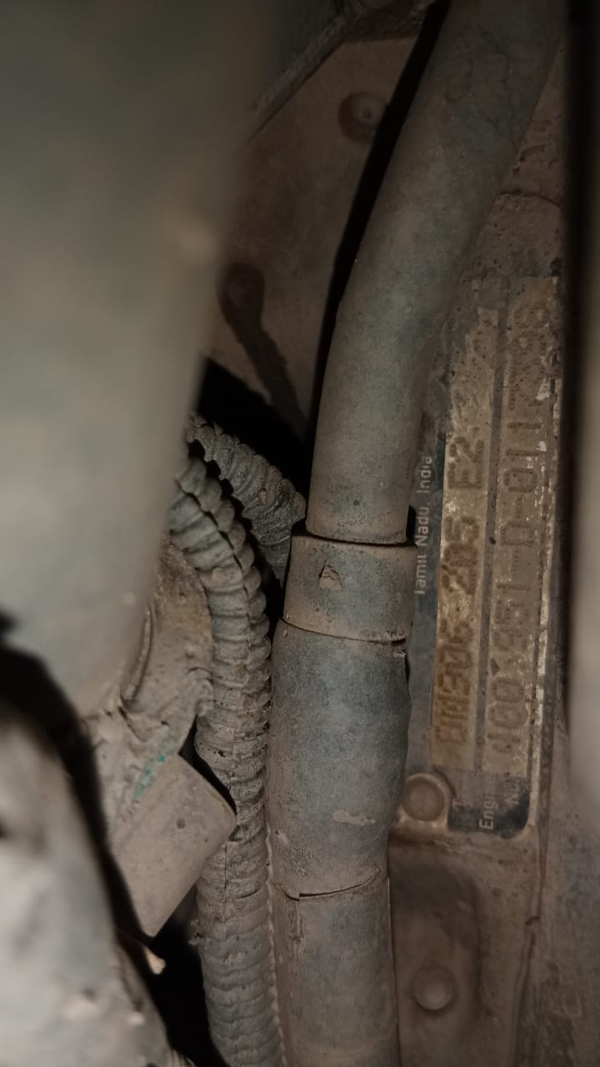

FOTO UNIT |  |  | FOTO HM |  | FOTO KM |  | FOTO VIN FOTO SN ENGINE

Remove the blow-by gas
Remove the cylinder head cover
Check valve clearance inlet and exhaust valve
Result clearance inlet and exhaust valve
PICTURE CAUSE AND ACTION
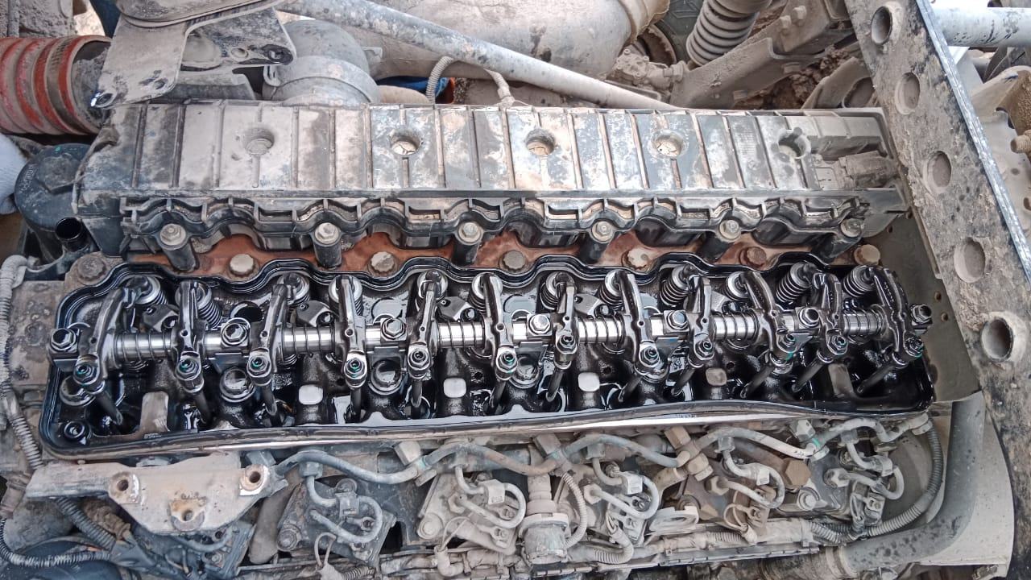 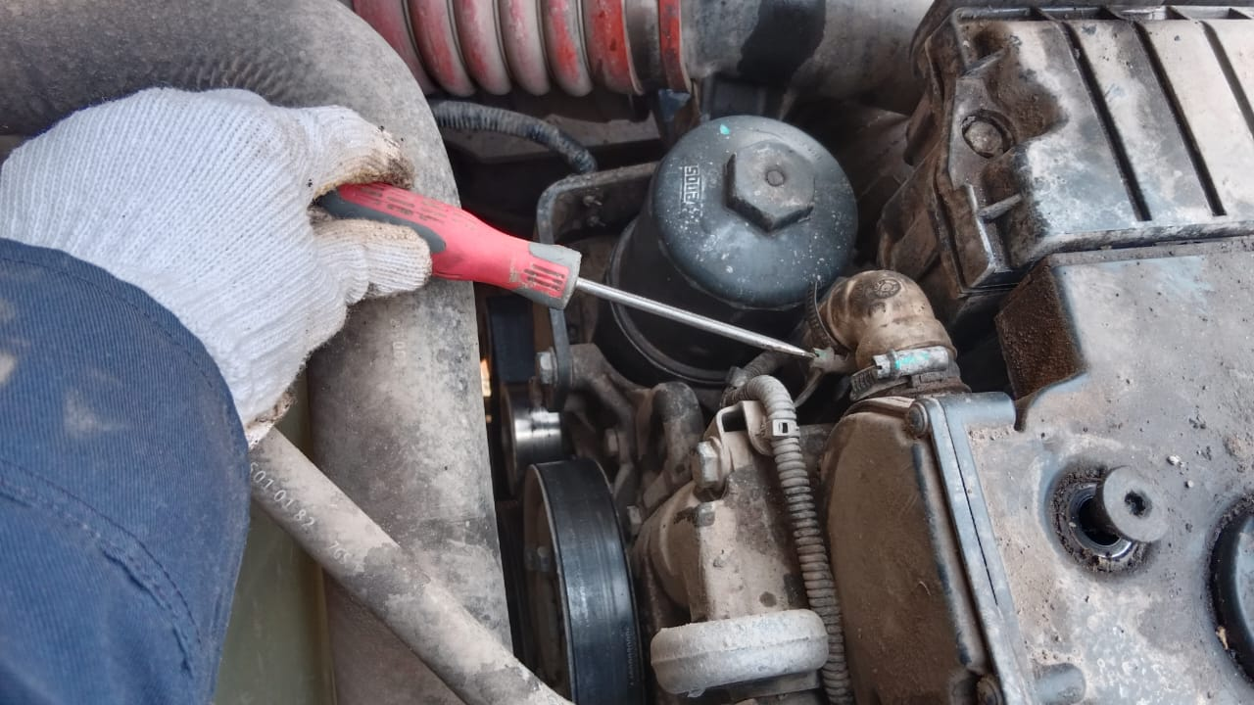 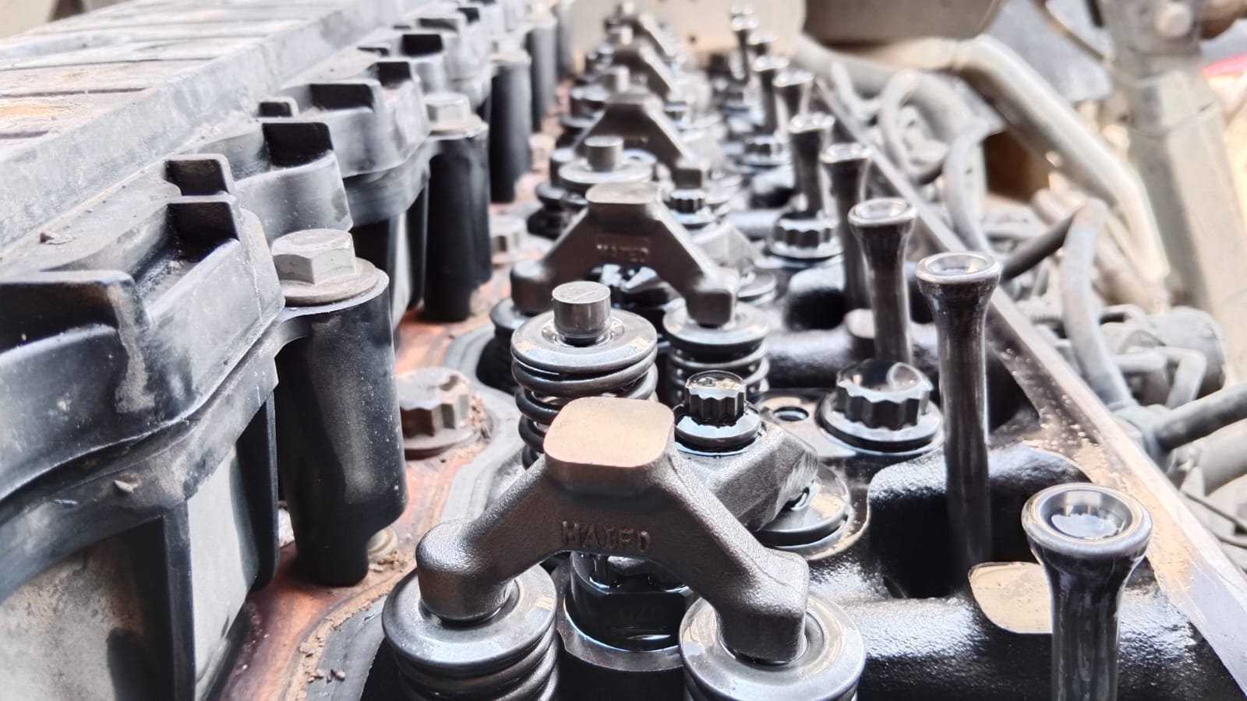 |  |  | 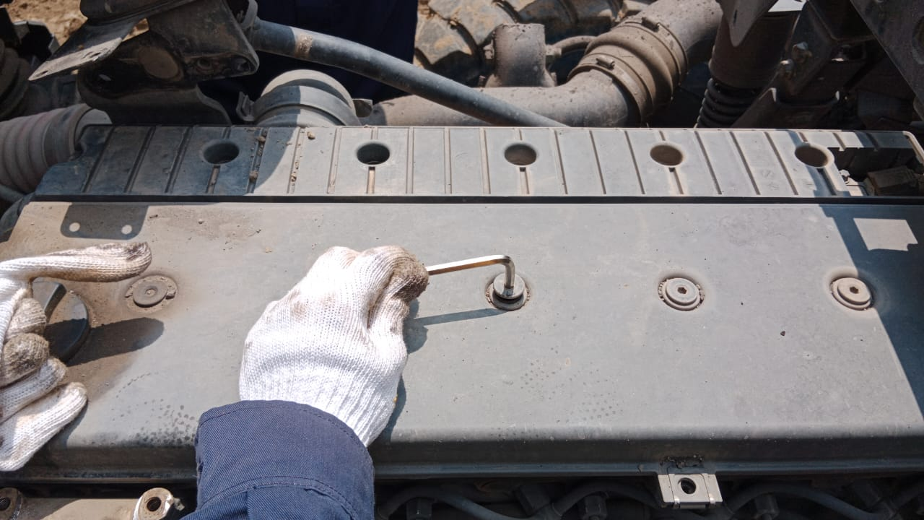 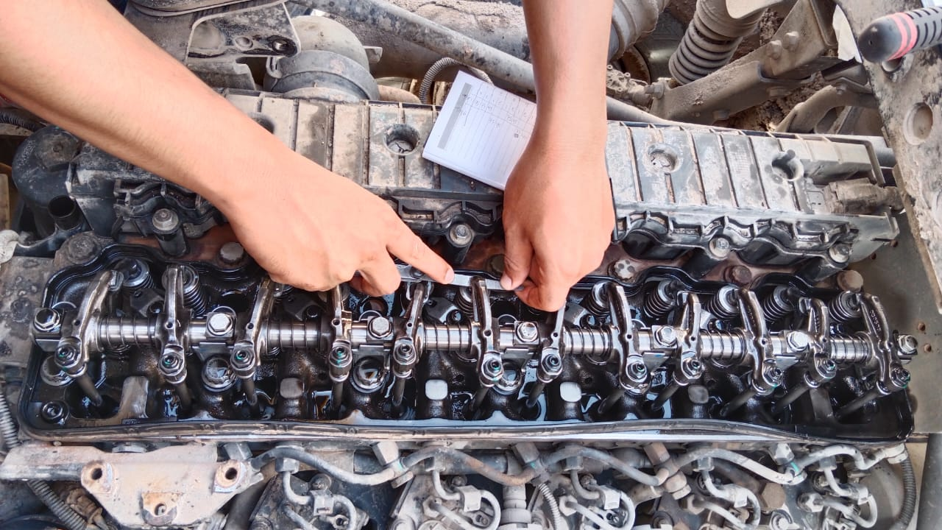 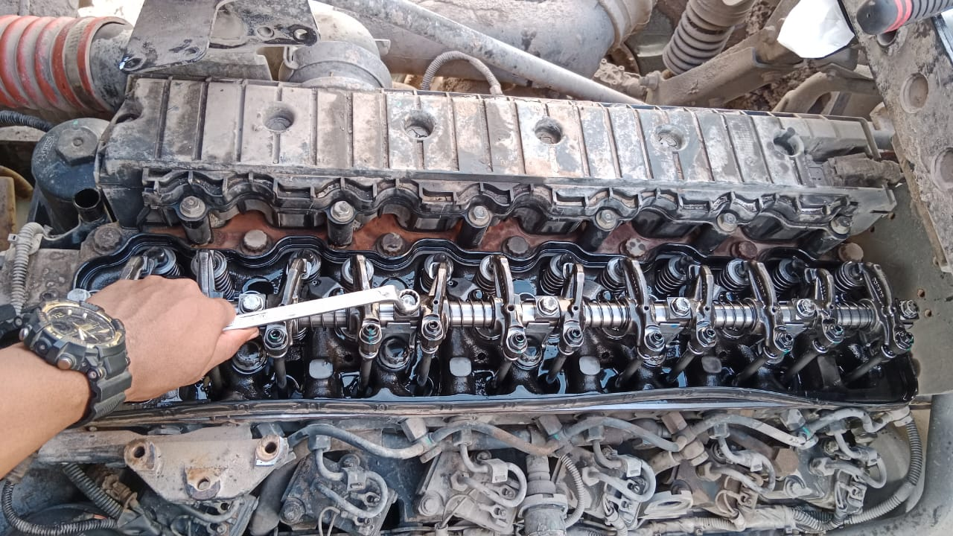 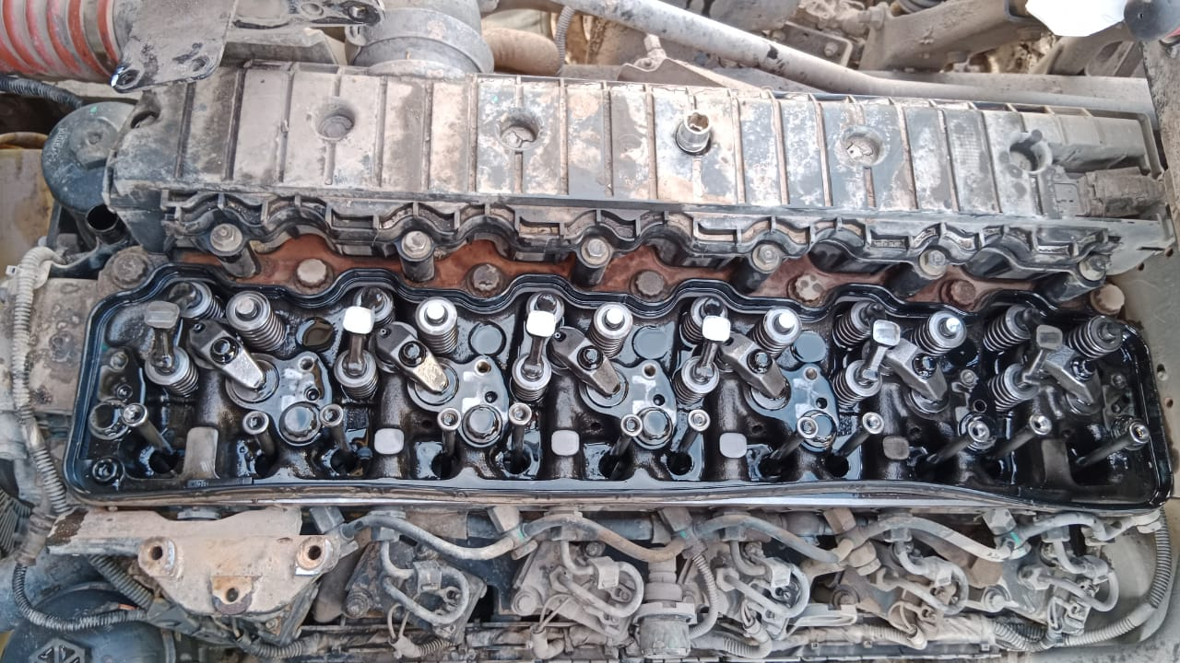 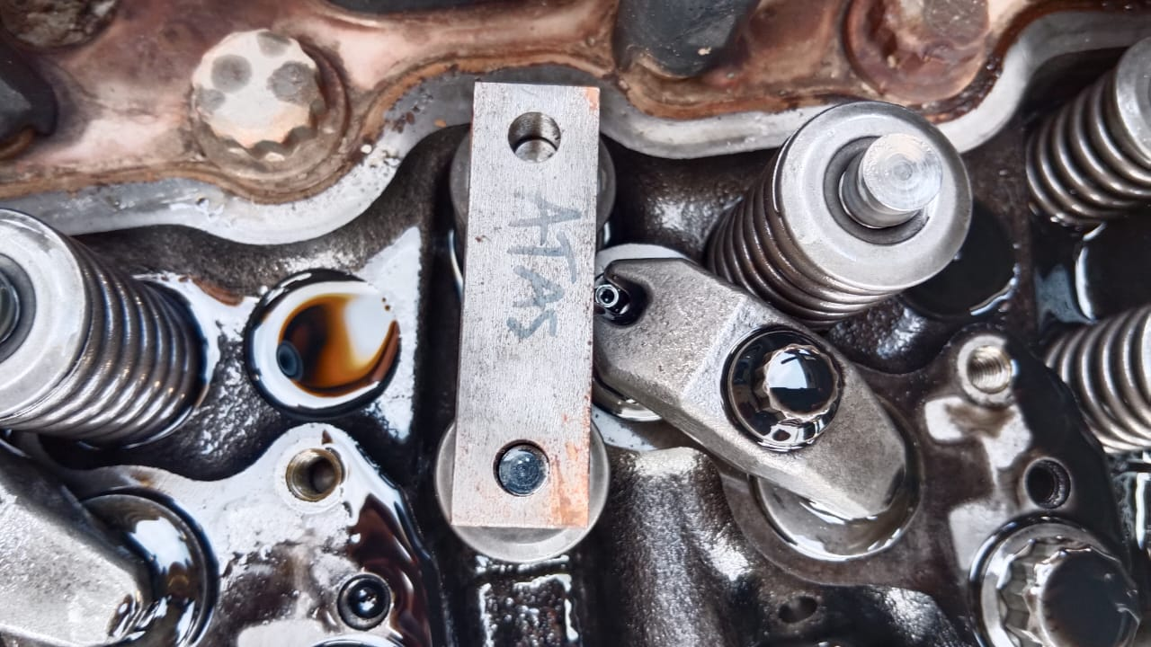 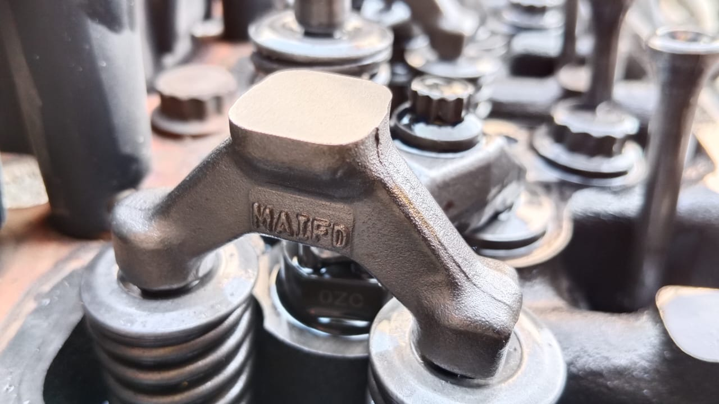 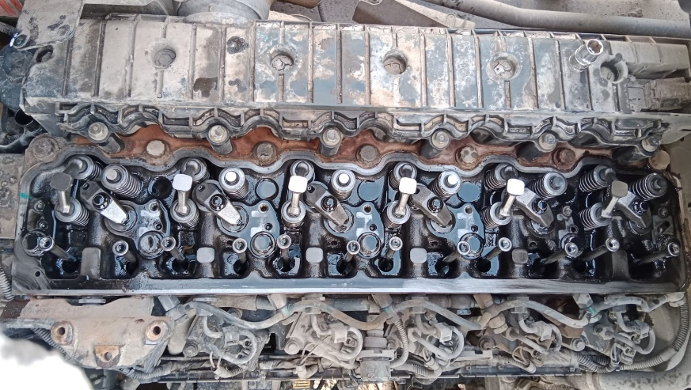 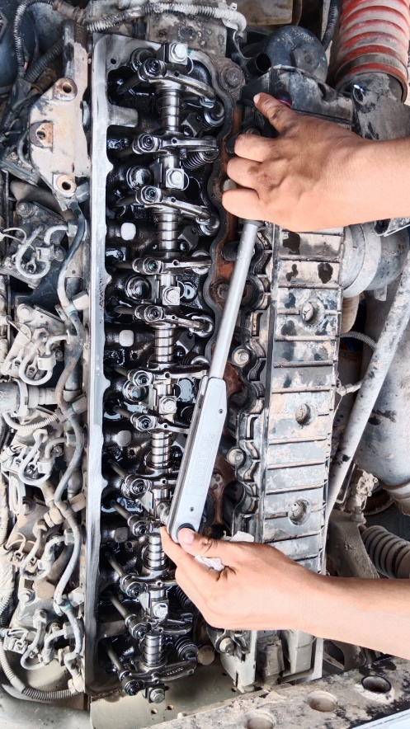
1

2
3
Instal with new valve bridge
Remove the Rocker arm shaft
Instal with new valve bridge
Remove Valve bridge
Instal with new valve bridge
Check the inlet valve free from bend
Instal rocker arm shaft and torque
CUSTOMER COMPLAINT PICTURE |  |  | JOB PROGRESS INVESTIGATION PICTURE
Valve bridge old
Valve bridge old
Valve bridge new
Valve bridge old
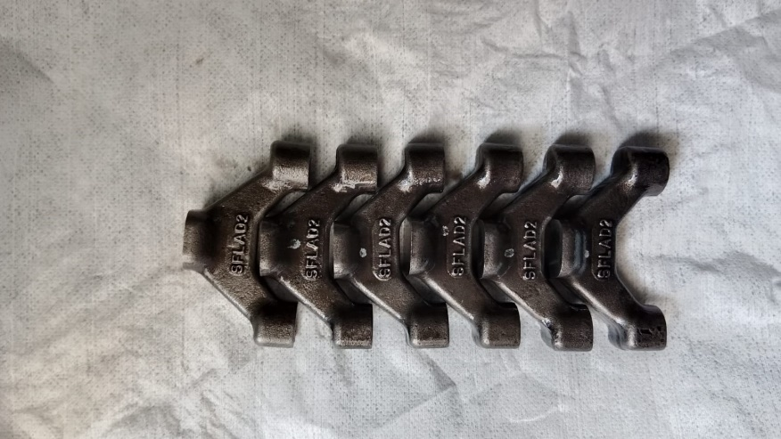 |  |  | 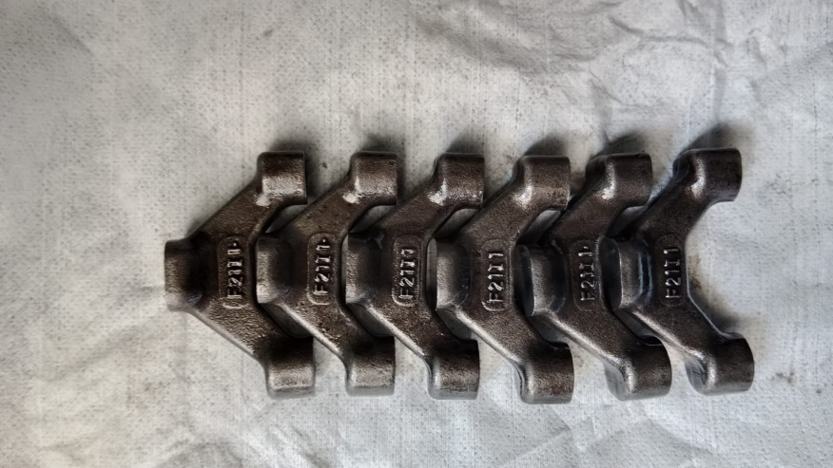 |  |  | 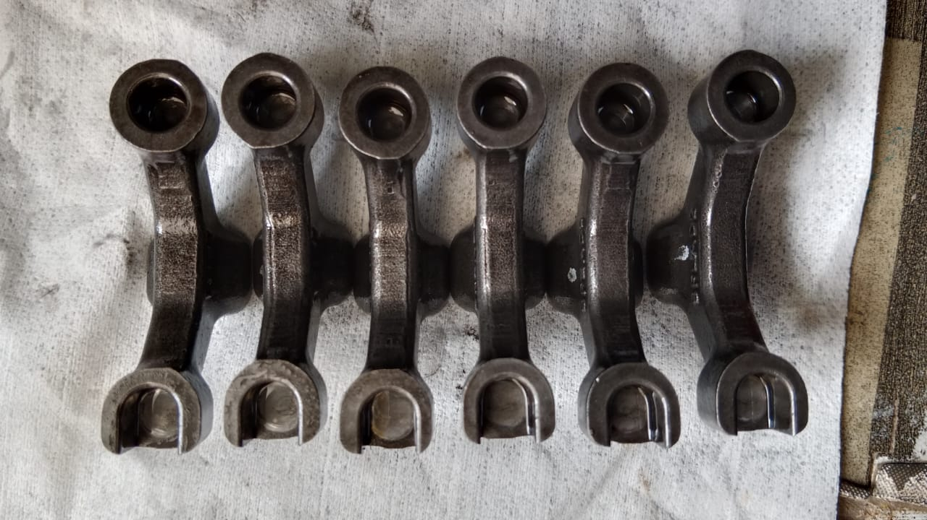 | 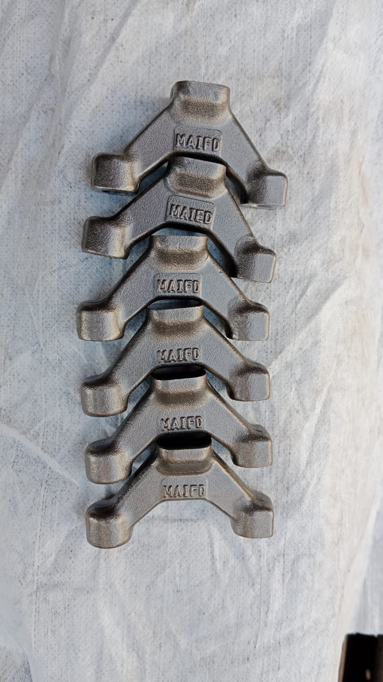
PICTURE CAUSE AND ACTION

Part Book |  |  |  |  | picture part no part new |  | Remarks

 |  |  |  |  |  |  | validation

and Mercedes-Benz are registered trademarks of Mercedes-Benz Group AG.
and Mercedes-Benz are registered trademarks of Mercedes-Benz Group AG.
Head Office | Gedung Office 8 Lt.33 (SCBD Lot 28/Senopati Raya 8B), Jl.Jend.Sudirman Kav.52-53, Jakarta Selatan 12190 , Indonesia | T +62 21 57903456 | www.starwagen.co.id
Branch | Jl.Syarifuddin Yoes Blok.Kav.46-47 RT.045, Sepinggan Baru, Balikpapan Selatan, Kalimantan Timur, Indonesia | +62 54 28707888 / +62 54 28705758
 |  |  |  |  |  |  | Egi sugiana / Didik IU | Supervisor / Workshop Managaer

Part Request
MENU

 |  |  |  |  |  |  |  |  | Authorized Dealer of Mercedes-Benz
Part Request Slip |  |  |  |  |  |  |  |  | Truck & Bus in Indonesia
 |  | Passenger car Commercial vehicle
Slip Numbering |  | Customer Information |  |  |  | Vehicle Information |  |  | Order Information
 |  | Nama | PT. PUTRA PERKASA ABADI |  |  | Model : | AXOR 2528 RMC |  | Worksop Order No : | 310000005096
 |  | Site | PT AMC |  |  | Vin : | MFJ400241NJ000064 |  | Order By :
 |  |  |  |  |  | Engine No : | 400951D0117398 |  | Delivery By :
 |  | Car Registration | WT2531 |  |  | Date of 1st registration: | 0 |  | Received By | 45285
 |  |  |  |  |  |  |  |  | Issue On :

No | Part Number | ES1 | ES2 | Bin Location | Quantity Requested | Description |  |  | Unit Price | Total Price
1 | A9060550706 |  |  |  | 6 | VALVE BRIDGE
2 |  |  |  |  |  |  |  |  |  |  | ROTATIONAL SPEED SENSOR
3
4
5
6
7
8
9
10
11
12
13
14
 |  |  |  |  |  |  |  | Foreman | Mechanic | Delivered By

 |  |  |  |  |  |  |  |  | Egi sugiana / Didik IU

 | Head Office | Gedung Office 8 Lt.33 (SCBD Lot 28/Senopati Raya 8B), Jl.Jend.Sudirman Kav.52-53, Jakarta Selatan 12190 , Indonesia | T +62 21 57903456 | www.starwagen.co.id
 | Branch | Jl.Syarifuddin Yoes Blok.Kav.46-47 RT.045, Sepinggan Baru, Balikpapan Selatan, Kalimantan Timur, Indonesia | +62 54 28707888 / +62 54 28705758

and Mercedes-Benz are registered trademarks of Mercedes-Benz Group AG

Final Control
MENU

 |  |  | Truck & Bus |  |  |  | PT Star Wagen Indonesia
 |  |  | in Indonesia |  |  |  | Authorized Dealer of Mercedes-Benz Truck & Bus in Indonesia
Final Control Report

 |  | Customer Name : | PT. PUTRA PERKASA ABADI |  | Millage In : |  |  |  | Check And Tested By
 |  | Wo no/ WIP NO : |  |  | Millage Out : |  |  |  | Name : | Egi sugiana / Didik IU
 |  |  |  |  |  |  |  |  | Date : | 2023-09-06

 |  | Function Checks |  |  | Visual Checks |  |  |  | Other Checks
 | √ | All warning indicators |  | √ | Engine |  |  | √ | Wiper blades and spraying nozzle |  | √
 | √ | Steering system |  | √ | Transmission |  |  | √ | Vacuum hoses/lines |  | x
 | √ | Horn |  | √ | Rear axles |  |  | √ | Write your own checking list related reparation you did
 | √ | Lights interior / exterior |  | √ | Steering system |  |  | √ | …………………………………………………………………..
 | √ | Other electrical equipment |  | √ | Fuel system |  |  | √ | …………………………………………………………………..
 | √ | Central locking / closing assist system |  | √ | Cooling system |  |  | √ | …………………………………………………………………..
 | √ | Brakes on dynamometer or test drive |  | √ | Brake hoses / lines / linkage |  |  | √ | …………………………………………………………………..
 | √ | Air conditioner |  | √ | Condition of tires/spare tires (if any) |  |  | √ | …………………………………………………………………..
 |  |  |  | √ | Cleanliness inside and outside |  |  |  | …………………………………………………………………..
 |  | Fluid Levels |  |  | Final Checks |  |  |  | Document Check
 | √ | Engine |  | √ | Check work performed |  |  | √ | Test document / Short test result
 | √ | Transmission |  | √ | Test Drive if needed |  |  | √ | Workshop report (only if required)
 | √ | Radiator / Coolant |  |  |  |  |  | √ | Internal part requisition slip
 | √ | Power steering |  |  |  |  |  | √ | Battery test result, only if tested
 | √ | Battery |  |  |  |  |  | √
 | √ | Brake system |  |  |  |  |  | √
 | √ | Windshield washer |  |  |  |  |  | √
 |  |  |  |  |  |  |  | √
 | After completion of all the work required by you, we performed a final quality check on your vehicle with the following results:
 | Ok |  | No |  |  |  |  | Acknowledged by
 | During checking & reparation process, some critical findings has to be followed up;
 | 1.
 | 2.
 | this has been conveyed on………..to……………. but not approved for doing an action. |  |  |  | (Service Advisor) | (Customer) |  | Foreman or Supervisor

 | Head Office | Gedung Office 8 Lt.33 (SCBD Lot 28/Senopati Raya 8B), Jl.Jend.Sudirman Kav.52-53, Jakarta Selatan 12190 , Indonesia | T +62 21 57903456 | www.starwagen.co.id
 | Branch | Jl.Syarifuddin Yoes Blok.Kav.46-47 RT.045, Sepinggan Baru, Balikpapan Selatan, Kalimantan Timur, Indonesia | +62 54 28707888 / +62 54 28705758
and Mercedes-Benz are registered trademarks of Mercedes-Benz Group AG
.

