Time Sheet
MENU

 |  |  |  | PT Star Wagen Indonesia
Job Time Card Report |  |  |  | Authorized Dealer of Mercedes-Benz Truck & Bus in Indonesia

Mechanic Name: | Egi sugiana |  | WIP Number :

CIW/GW | Operational Code | End Start | Time Recording |  | Date |  |  |  | Total Time
 | Description
Warranty |  | End |  |  |  |  |  |  | 0:00:00 |  | Customer | 1:00:00
 |  | Start |  |  |  |  |  |  |  |  | Internal | 2:00:00
 |  | End |  |  |  |  |  |  | 0:00:00 |  | Warranty | 3:00:00
 |  | Start |  |  |  |  |  |  |  |  | GoodWill | 4:00:00
 |  | End |  |  | 2023-01-16 |  |  |  | 0:00:00 |  |  | 5:00:00
 |  | Start |  |  |  |  |  |  |  |  |  | 6:00:00
 |  | End |  |  |  |  |  |  | 0:00:00 |  |  | 7:00:00
 |  | Start |  |  |  |  |  |  |  |  |  | 8:00:00
 |  | End |  |  |  |  |  |  | 0:00:00 |  |  | 9:00:00
 |  | Start |  |  |  |  |  |  |  |  |  | 10:00:00
 |  | End |  |  |  |  |  |  | 0:00:00 |  |  | 11:00:00
 |  | Start |  |  |  |  |  |  |  |  |  | 12:00:00
 |  | End |  |  |  |  |  |  | 0:00:00 |  |  | 13:00:00
 |  | Start |  |  |  |  |  |  |  |  |  | 14:00:00
 |  | End |  |  |  |  |  |  | 0:00:00 |  |  | 15:00:00
 |  | Start |  |  |  |  |  |  |  |  |  | 16:00:00
 |  | End |  |  |  |  |  |  | 0:00:00 |  |  | 13:00:00
 |  | Start |  |  |  |  |  |  |  |  |  | 14:00:00
 |  | End |  |  |  |  |  |  | 0:00:00 |  |  | 15:00:00
 |  | Start |  |  |  |  |  |  |  |  |  | 16:00:00
 |  | End |  |  |  |  |  |  | 0:00:00 |  |  | 13:00:00
 |  | Start |  |  |  |  |  |  |  |  |  | 14:00:00
 |  | End |  |  |  |  |  |  | 0:00:00 |  |  | 15:00:00
 |  | Start |  |  |  |  |  |  |  |  |  | 16:00:00
 |  |  |  |  |  |  |  |  |  |  |  | 17:00:00
Hours |  | C | I | W/G | W1 | W2 | W3 | W4 | W5 | W6 |  | 18:00:00
Total |  |  |  | 0:00:00 |  |  |  |  |  |  |  | 19:00:00
 |  |  |  |  |  |  |  |  |  |  |  | 20:00:00
Head Office | Gedung Office 8 Lt.33 (SCBD Lot 28/Senopati Raya 8B), Jl.Jend.Sudirman Kav.52-53, Jakarta Selatan 12190 , Indonesia | T +62 21 57903456 | www.starwagen.co.id |  |  |  |  |  |  |  |  |  |  |  | 21:00:00
Branch | Jl.Syarifuddin Yoes Blok.Kav.46-47 RT.045, Sepinggan Baru, Balikpapan Selatan, Kalimantan Timur, Indonesia | +62 54 28707888 / +62 54 28705758 |  |  |  |  |  |  |  |  |  |  |  | 22:00:00
 |  |  |  |  |  |  |  |  |  |  |  | 23:00:00
and Mercedes-Benz are registered trademarks of Mercedes-Benz Group AG
 |  |  |  |  |  |  |  |  |  |  |  | 1900-01-01 00:00:00

Worksop Report
 | Menu
 |  |  | Workshop Report For Diagnostic Guide

 |  |  |  |  |  |  | PT.STAR WAGEN INDONESIA
 |  |  |  |  | WO
Date: |  | 28-Sep-23 |  |  |  |  |  | Job Site:
WIP No: |  |  |  |  | Customer Name: | PT. PUTRA PERKASA ABADI |  | PT AMC
Chasis No: |  | W1T96423720658617 |  |  | Reg No : |  | Reg date
Engine No: |  | 471922C0801322 |  |  | Type : | AROCS 4845 K | Mileage / Hours Meter | 19360 / 736
Unit Code |  | DA48118

COMPLAINT ANALYSIS
Customer complaint/Customer information
 | Findings at the time of schedule periodical inspection
Vehicle information
 | Aplicaton : | ü Long distance |  | ü Dump truck | Ore operation | Regular service base
 |  | Short distance |  | support truck | ü Hauling operation
Customer Information :
 | When the mechanic does schedule periodical inspection finding of leaks from fitting hose return steering

TEST LEVEL

 | Test Level Description |  |  |  |  | Actual Value | Remark | Attachment Number
 | CEK OIL LEVEL STEERING |  |  |  |  | LEVEL MAX. | OK | attachment picture 1
 | CEK TIGHTING FITTING |  |  |  |  | NOT SLACK | OK | attachment picture 2
 | CEK FITTING HOSE |  |  |  |  | LEAK | NOT OK | attachment picture 3

CAUSE LEVEL
Cause level/Workshop findings: |  |  |  |  | RESULT :
 |  |  |  |  | PADA SAAT UNIT SCHEDULE PERIODICAL INSPECTION DILAKUKAN INSPEKSI, DAN DITEMUKAN ADANYA REMBESAN OLI PADA HOSE RETURN STEERING, BERDASARKAN TEMUAN TERSEBUT KEMUDIAN MENGECEK KONDISI LEVEL OIL STEERING DAN MENGECEK KEKENCANGAN NUT CONNECTOR HOSE STEERING. HASILNYA, LEVEL OIL TIDAK BBERKURANG DAN NUT CONNECTOR TIDAK KENDUR DAN SETELAH DICEK KEMBALI REMBES TERJADI PADA BAGIAN FITTING HOSE.
 |  | Ada | Tidak ada | Attachment Nr
Photo (# lembar) |  | √ |  | √
Area kerusakan (gbr EPC) |  | √ |  | √
Video (nama file) |  | x |  | √
Old Spare part No.
Notes: |  |  |  |  |  |  |  |  | √
 |  |  |  |  |  |  |  |  | x

RECTIFICATION AND VERIFICATION LEVEL
Rectification:

 | PART NUMBER | DESCRIPTION | QTY

Verification:

 |  |  | Workshop report digunakan untuk mencatat hasil analisa mekanik dengan menyertakan langkah-langkah diagnosis dan temuannya selama diagnosa

PICTURE CAUSE AND ACTION
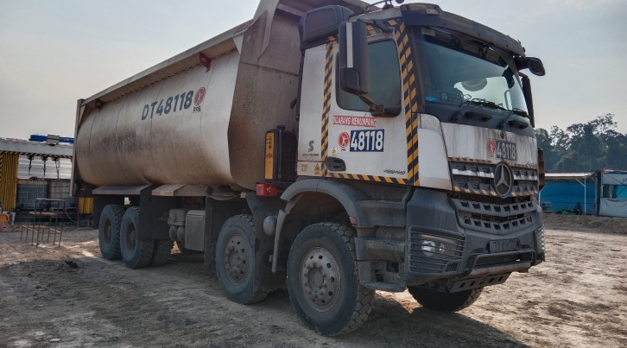 |  |  | 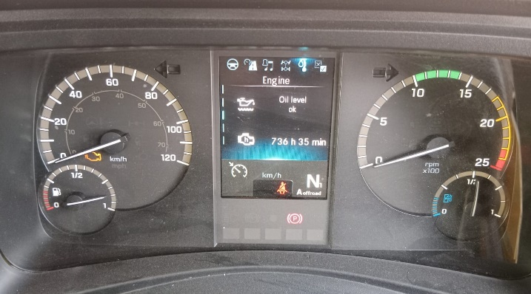 |  | 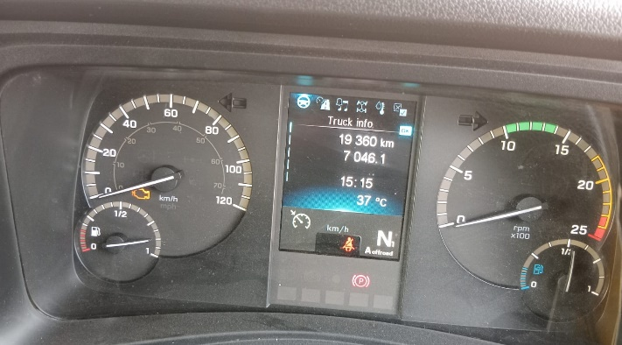 |  | 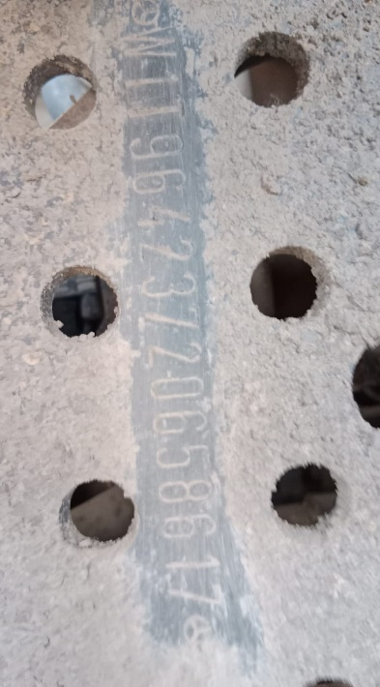

FOTO UNIT |  |  | FOTO HM |  | FOTO KM |  | FOTO VIN

3
SEE FROM FAR AFTER CLEANING
SEE FROM NEAR AFTER CLEANING
PICTURE CAUSE AND ACTION
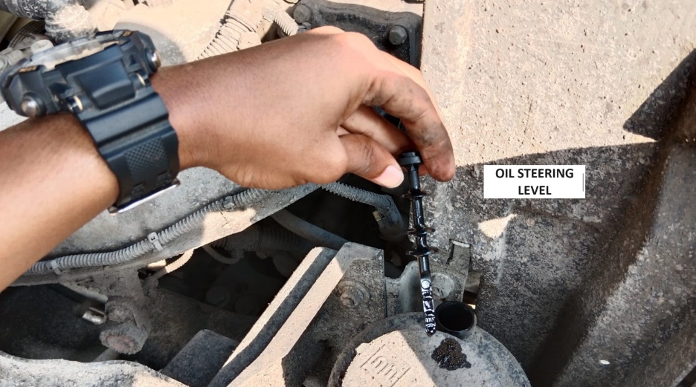 |  |  | 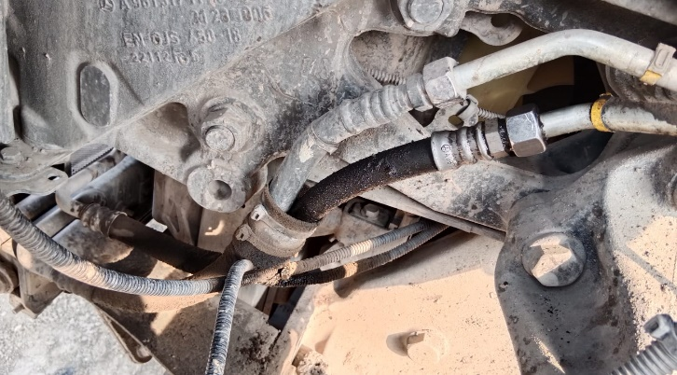 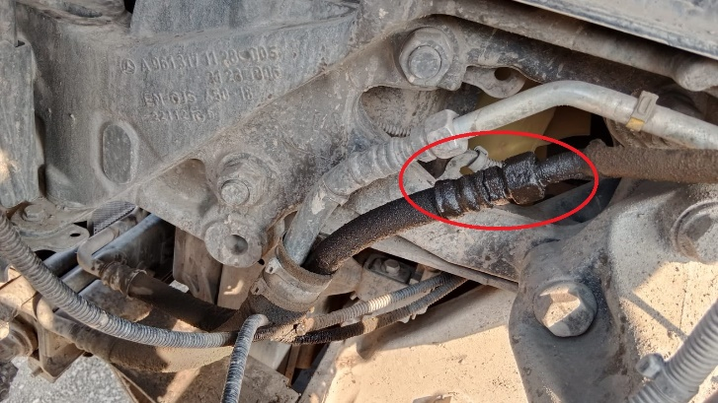 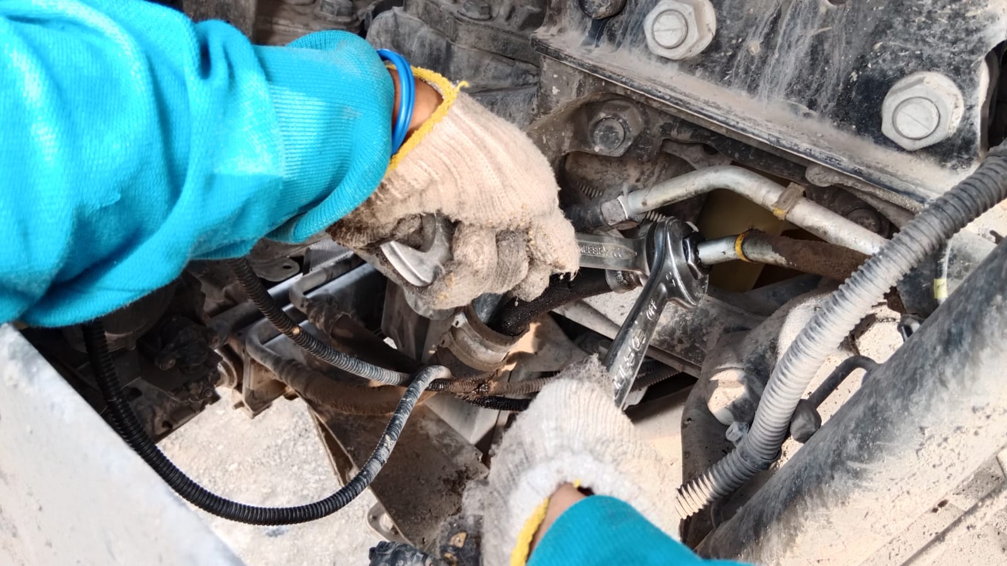 |  |  |  |  | 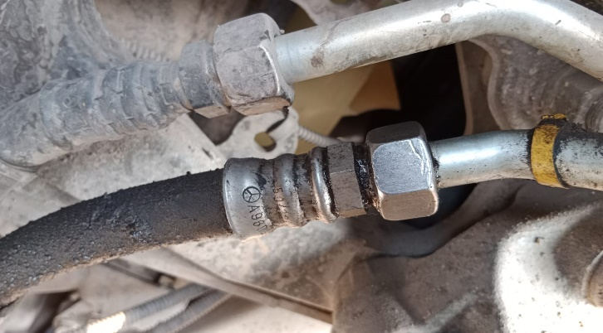 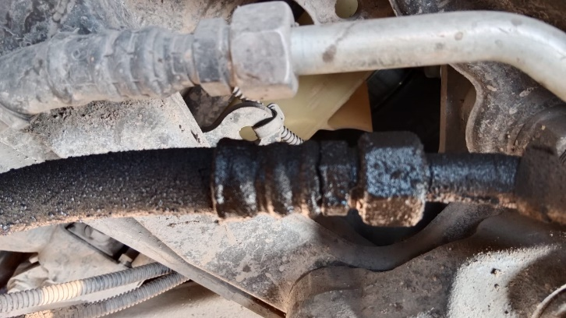
1
2
CHECK TIGHTING FITTING HOSE

SEE FROM FAR BEFORE CLEANING
SEE FROM FAR BEFORE CLEANING
CUSTOMER COMPLAINT PICTURE |  |  | JOB PROGRESS INVESTIGATION PICTURE

PICTURE CAUSE AND ACTION

Part Book |  |  |  |  | picture part no part new |  | Remarks

 |  |  |  |  |  |  | validation

and Mercedes-Benz are registered trademarks of Mercedes-Benz Group AG.
and Mercedes-Benz are registered trademarks of Mercedes-Benz Group AG.
Head Office | Gedung Office 8 Lt.33 (SCBD Lot 28/Senopati Raya 8B), Jl.Jend.Sudirman Kav.52-53, Jakarta Selatan 12190 , Indonesia | T +62 21 57903456 | www.starwagen.co.id
Branch | Jl.Syarifuddin Yoes Blok.Kav.46-47 RT.045, Sepinggan Baru, Balikpapan Selatan, Kalimantan Timur, Indonesia | +62 54 28707888 / +62 54 28705758
 |  |  |  |  |  |  | Egi sugiana | Supervisor / Workshop Managaer

Part Request
MENU

 |  |  |  |  |  |  |  |  | Authorized Dealer of Mercedes-Benz
Part Request Slip |  |  |  |  |  |  |  |  | Truck & Bus in Indonesia
 |  | Passenger car Commercial vehicle
Slip Numbering |  | Customer Information |  |  |  | Vehicle Information |  |  | Order Information
 |  | Nama | PT. PUTRA PERKASA ABADI |  |  | Model : | AROCS 4845 K |  | Worksop Order No : | 0
 |  | Site | PT AMC |  |  | Vin : | W1T96423720658617 |  | Order By :
 |  |  |  |  |  | Engine No : | 471922C0801322 |  | Delivery By :
 |  | Car Registration | DA48118 |  |  | Date of 1st registration: | 0 |  | Received By | 45197
 |  |  |  |  |  |  |  |  | Issue On :

No | Part Number | ES1 | ES2 | Bin Location | Quantity Requested | Description |  |  | Unit Price | Total Price
1
2 |  |  |  |  |  |  |  |  |  |  | ROTATIONAL SPEED SENSOR
3
4
5
6
7
8
9
10
11
12
13
14
 |  |  |  |  |  |  |  | Foreman | Mechanic | Delivered By

 |  |  |  |  |  |  |  |  | Egi sugiana

 | Head Office | Gedung Office 8 Lt.33 (SCBD Lot 28/Senopati Raya 8B), Jl.Jend.Sudirman Kav.52-53, Jakarta Selatan 12190 , Indonesia | T +62 21 57903456 | www.starwagen.co.id
 | Branch | Jl.Syarifuddin Yoes Blok.Kav.46-47 RT.045, Sepinggan Baru, Balikpapan Selatan, Kalimantan Timur, Indonesia | +62 54 28707888 / +62 54 28705758

and Mercedes-Benz are registered trademarks of Mercedes-Benz Group AG

Final Control
MENU

 |  |  | Truck & Bus |  |  |  | PT Star Wagen Indonesia
 |  |  | in Indonesia |  |  |  | Authorized Dealer of Mercedes-Benz Truck & Bus in Indonesia
Final Control Report

 |  | Customer Name : | PT. PUTRA PERKASA ABADI |  | Millage In : |  |  |  | Check And Tested By
 |  | Wo no/ WIP NO : |  |  | Millage Out : |  |  |  | Name : | Egi sugiana
 |  |  |  |  |  |  |  |  | Date : | 2023-09-06

 |  | Function Checks |  |  | Visual Checks |  |  |  | Other Checks
 | √ | All warning indicators |  | √ | Engine |  |  | √ | Wiper blades and spraying nozzle |  | √
 | √ | Steering system |  | √ | Transmission |  |  | √ | Vacuum hoses/lines |  | x
 | √ | Horn |  | √ | Rear axles |  |  | √ | Write your own checking list related reparation you did
 | √ | Lights interior / exterior |  | √ | Steering system |  |  | √ | …………………………………………………………………..
 | √ | Other electrical equipment |  | √ | Fuel system |  |  | √ | …………………………………………………………………..
 | √ | Central locking / closing assist system |  | √ | Cooling system |  |  | √ | …………………………………………………………………..
 | √ | Brakes on dynamometer or test drive |  | √ | Brake hoses / lines / linkage |  |  | √ | …………………………………………………………………..
 | √ | Air conditioner |  | √ | Condition of tires/spare tires (if any) |  |  | √ | …………………………………………………………………..
 |  |  |  | √ | Cleanliness inside and outside |  |  |  | …………………………………………………………………..
 |  | Fluid Levels |  |  | Final Checks |  |  |  | Document Check
 | √ | Engine |  | √ | Check work performed |  |  | √ | Test document / Short test result
 | √ | Transmission |  | √ | Test Drive if needed |  |  | √ | Workshop report (only if required)
 | √ | Radiator / Coolant |  |  |  |  |  | √ | Internal part requisition slip
 | √ | Power steering |  |  |  |  |  | √ | Battery test result, only if tested
 | √ | Battery |  |  |  |  |  | √
 | √ | Brake system |  |  |  |  |  | √
 | √ | Windshield washer |  |  |  |  |  | √
 |  |  |  |  |  |  |  | √
 | After completion of all the work required by you, we performed a final quality check on your vehicle with the following results:
 | Ok |  | No |  |  |  |  | Acknowledged by
 | During checking & reparation process, some critical findings has to be followed up;
 | 1.
 | 2.
 | this has been conveyed on………..to……………. but not approved for doing an action. |  |  |  | (Service Advisor) | (Customer) |  | Foreman or Supervisor

 | Head Office | Gedung Office 8 Lt.33 (SCBD Lot 28/Senopati Raya 8B), Jl.Jend.Sudirman Kav.52-53, Jakarta Selatan 12190 , Indonesia | T +62 21 57903456 | www.starwagen.co.id
 | Branch | Jl.Syarifuddin Yoes Blok.Kav.46-47 RT.045, Sepinggan Baru, Balikpapan Selatan, Kalimantan Timur, Indonesia | +62 54 28707888 / +62 54 28705758
and Mercedes-Benz are registered trademarks of Mercedes-Benz Group AG
.

