Worksop Report
 | Menu
 |  |  | Workshop Report For Diagnostic Guide

 |  |  |  |  |  |  | PT.STAR WAGEN INDONESIA
 |  |  |  |  | WO
Date: |  | Minggu, 2 Juli 2023 |  |  |  |  |  | Job Site: MIP Lahat
WIP No: |  |  |  |  | Customer Name: | PT.Putra perkasa Abadi
Chasis No: |  | W1T96421620570536 |  |  | Reg No : |  | Reg date
Engine No: |  | 460972U1095838 |  |  | Type : | Mercedes Benz Arocs 4040K 6X4 | Mileage / Hours Meter | 47309/ 4339
Unit Code |  | DA 40047

COMPLAINT ANALYSIS
Customer complaint/Customer information
Chassis Crack
Vehicle information
 | Aplicaton : | Long distance |  | Dump truck | Coal operation | Regular service base
√
 |  | Short distance |  | support truck | OB operation
Customer Information :
Chasis Crack front RH

TEST LEVEL | Chasis Front Crack

 | Test Level Description |  |  |  |  | Actual Value | Remark | Attachment Number
 | Chassis Crack On The Front |  |  |  |  | Not Crack | Not Good
 | Chassis Crack On The Front ( Right ) |  |  |  |  | Not Crack | Not Good
 | Chassis Crack On The Front ( Left ) |  |  |  |  | Not Crack | Not Good

CAUSE LEVEL
Cause level/Workshop findings: |  |  |  |  | RESULT : Chassis Crack
 |  |  |  |  | Chassis Unit Tersebut Sudah Di Lakukan Pengelasan Sudah 2 Kali Dan Kembali Terjadi Keretakan Di Area Pengelasan Yang Sama ( FRAME A960310 48 00 )
 |  | Ada | Tidak ada | Attachment Nr
Photo (# lembar) |  | √ | x
Area kerusakan (gbr EPC) |  | √ | x
Video (nama file) |  | x | x
Old Spare part No.
Notes: |  |  |  |  |  |  |  |  |  | √
 |  |  |  |  |  |  |  |  |  | x

RECTIFICATION AND VERIFICATION LEVEL
Rectification:
Repair Chassis With Team Welder

Verification:

 |  |  | Workshop report digunakan untuk mencatat hasil analisa mekanik dengan menyertakan langkah-langkah diagnosis dan temuannya selama diagnosa

Karoseri Yang Di Gunakan Customer Atau Pelanggan
PICTURE CAUSE AND ACTION
 |  |  | 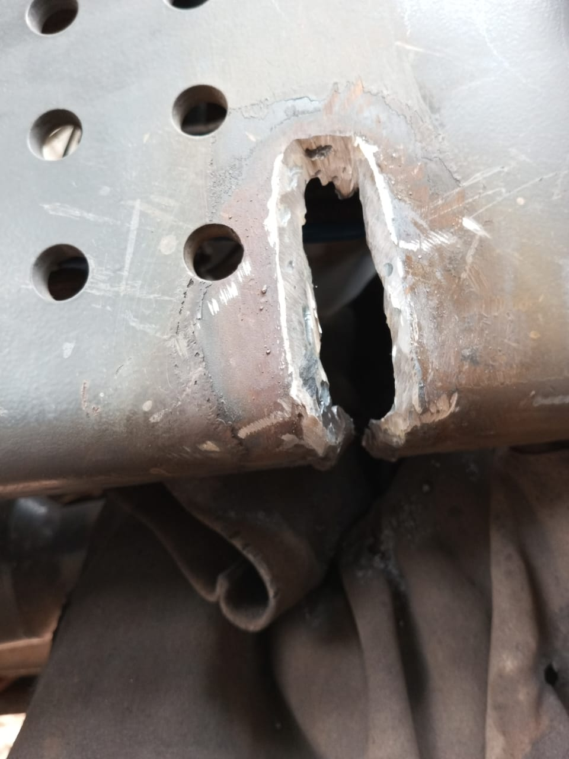 |  | 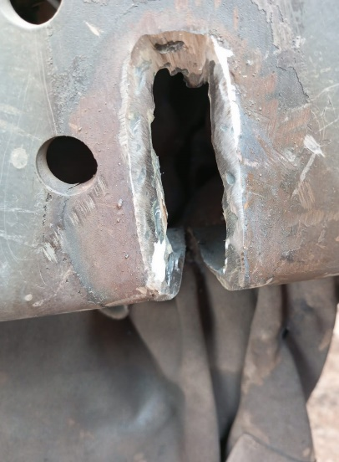

Posisi yang crack

FOTO UNIT |  |  | FOTO HM |  | FOTO KM |  | FOTO VIN
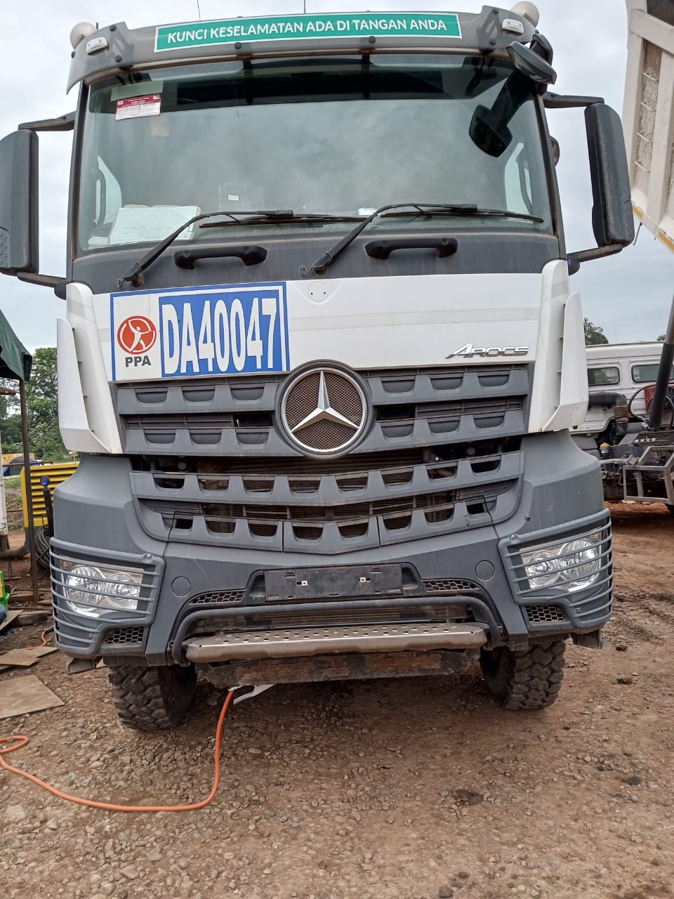

PICTURE CAUSE AND ACTION
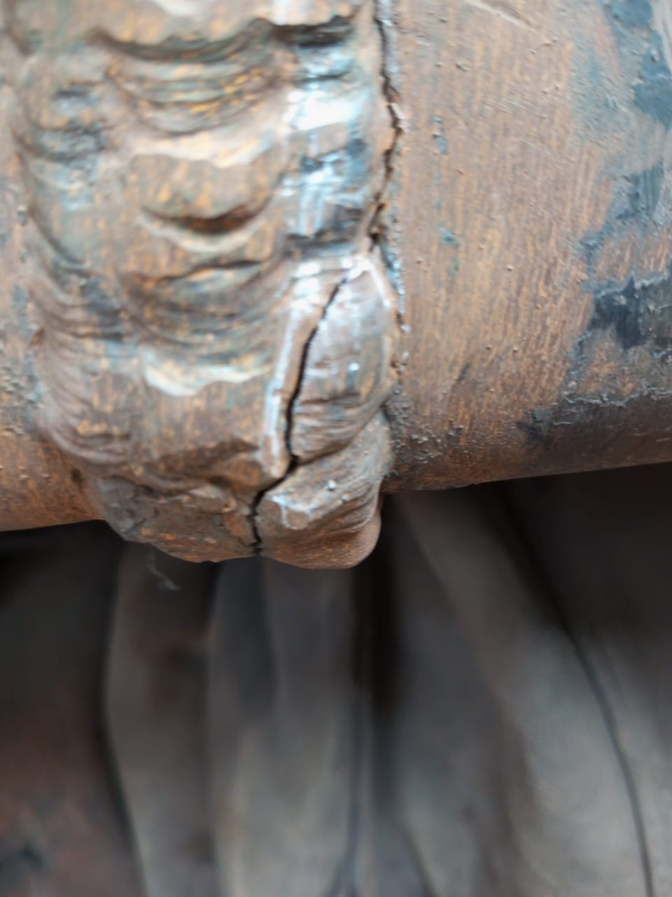 |  |  | 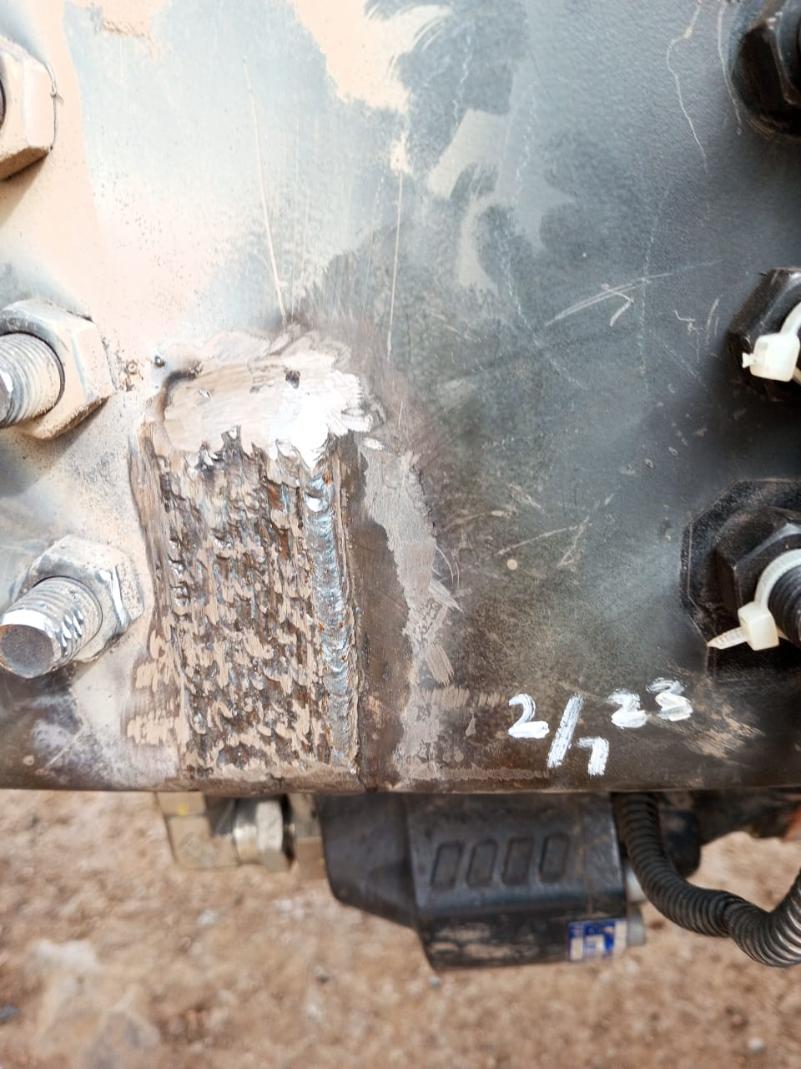 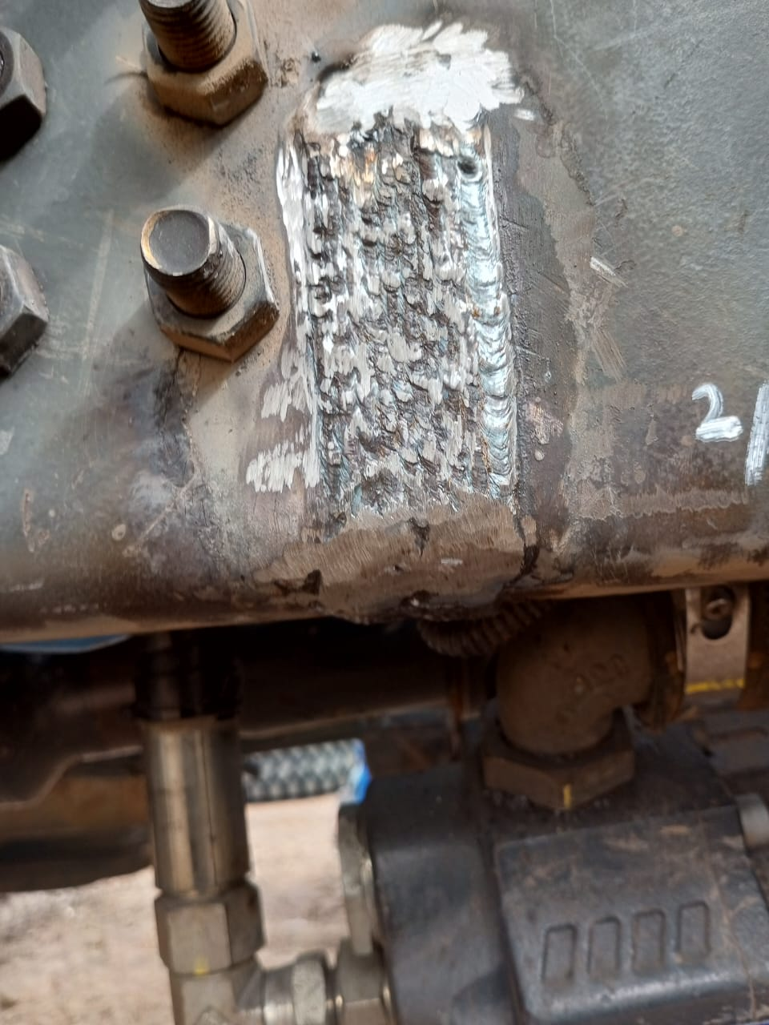
Posisi yang crack

Sesudah pengelasan

Sesudah pengelasan

CUSTOMER COMPLAINT PICTURE |  |  | JOB PROGRESS INVESTIGATION PICTURE |  |  |  |  | PROSES INSTALL OR PICTURE JOB FINISH

PICTURE CAUSE AND ACTION

Area Tersebut Sering Terjadi Keretakan Baik Dibagian Kiri Ataupun Bagian Kanan Yang Di Alami Unit Ini,Sedangkan Kondisi Subframe Aman Dan Bolt Chasis Tidak Mengalami Kendur, Harus Dilakukan Doubling Pada Frame Untuk Mencegah Terjadi Kerusakan Yang Makin Parah.
Part Book |  |  | picture part no aktual |  | picture part no part new |  | Remarks

 |  |  |  |  |  |  | validation

and Mercedes-Benz are registered trademarks of Mercedes-Benz Group AG.
Head Office | Gedung Office 8 Lt.33 (SCBD Lot 28/Senopati Raya 8B), Jl.Jend.Sudirman Kav.52-53, Jakarta Selatan 12190 , Indonesia | T +62 21 57903456 | www.starwagen.co.id
Branch | Jl.Syarifuddin Yoes Blok.Kav.46-47 RT.045, Sepinggan Baru, Balikpapan Selatan, Kalimantan Timur, Indonesia | +62 54 28707888 / +62 54 28705758
 |  |  |  |  |  |  | 0 | 0 | 0 | 0 | 0 | 0 | 0 | 0 | 0 | 0
 |  |  |  |  |  |  | 0 | 0 | 0 | 0 | 0 | 0 | 0 | 0 | 0 | 0
 |  |  |  |  |  |  | 0 | 0 | 0 | 0 | 0 | 0 | 0 | 0 | 0 | 0
 |  |  |  |  |  |  | 0 | 0 | 0 | 0 | 0 | 0 | 0 | 0 | 0 | 0
 |  |  |  |  |  |  | 0 | 0 | 0 | 0 | 0 | 0 | 0 | 0 | 0 | 0
 |  |  |  |  |  |  | 0 | 0 | 0 | 0 | 0 | 0 | 0 | 0 | 0 | 0
 |  |  |  |  |  |  | 0 | 0 | 0 | 0 | 0 | 0 | 0 | 0 | 0 | 0
 |  |  |  |  |  |  | 0 | 0 | 0 | 0 | 0 | 0 | 0 | 0 | 0 | 0
 |  |  |  |  |  |  | 0 | 0 | 0 | 0 | 0 | 0 | 0 | 0 | 0 | 0
 |  |  |  |  |  |  | 0 | 0 | 0 | 0 | 0 | 0 | 0 | 0 | 0 | 0
 |  |  |  |  |  |  | 0 | 0 | 0 | 0 | 0 | 0 | 0 | 0 | 0 | 0
 |  |  |  |  |  |  | 0 | 0 | 0 | 0 | 0 | 0 | 0 | 0 | 0 | 0
 |  |  |  |  |  |  | 0 | 0 | 0 | 0 | 0 | 0 | 0 | 0 | 0 | 0
 |  |  |  |  |  |  | 0 | 0 | 0 | 0 | 0 | 0 | 0 | 0 | 0 | 0
 |  |  |  |  |  |  | 0 | 0 | 0 | 0 | 0 | 0 | 0 | 0 | 0 | 0
 |  |  |  |  |  |  | FOTO UNIT | 0 | 0 | FOTO HM | 0 | 0 | FOTO KM | 0 | FOTO VIN | 0
 |  |  |  |  |  |  | 0 | 0 | 0 | 0 | 0 | 0 | 0 | 0 | 0 | 0
 |  |  |  |  |  |  | 0 | 0 | 0 | 0 | 0 | 0 | 0 | 0 | 0 | 0
 |  |  |  |  |  |  | 0 | 0 | 0 | 0 | 0 | 0 | 0 | 0 | 0 | 0
 |  |  |  |  |  |  | 0 | 0 | 0 | 0 | 0 | 0 | 0 | 0 | 0 | 0
 |  |  |  |  |  |  | 0 | 0 | 0 | 0 | 0 | 0 | 0 | 0 | 0 | 0
 |  |  |  |  |  |  | 0 | 0 | 0 | 0 | 0 | 0 | 0 | 0 | 0 | 0
 |  |  |  |  |  |  | 0 | 0 | 0 | 0 | 0 | 0 | 0 | 0 | 0 | 0
 |  |  |  |  |  |  | 0 | 0 | 0 | 0 | 0 | 0 | 0 | 0 | 0 | 0
 |  |  |  |  |  |  | 0 | 0 | 0 | 0 | 0 | 0 | 0 | 0 | 0 | 0
 |  |  |  |  |  |  | 0 | 0 | 0 | 0 | 0 | 0 | 0 | 0 | 0 | 0
 |  |  |  |  |  |  | 0 | 0 | 0 | 0 | 0 | 0 | 0 | 0 | 0 | 0
 |  |  |  |  |  |  | 0 | 0 | 0 | 0 | 0 | 0 | 0 | 0 | 0 | 0
 |  |  |  |  |  |  | 0 | 0 | 0 | 0 | 0 | 0 | 0 | 0 | 0 | 0
 |  |  |  |  |  |  | 0 | 0 | 0 | 0 | 0 | 0 | 0 | 0 | 0 | 0
 |  |  |  |  |  |  | 0 | 0 | 0 | 0 | 0 | 0 | 0 | 0 | 0 | 0
 |  |  |  |  |  |  | 0 | 0 | 0 | 0 | 0 | 0 | 0 | 0 | 0 | 0
 |  |  |  |  |  |  | PICTURE CAUSE AND ACTION | 0 | 0 | 0 | 0 | 0 | 0 | 0 | 0 | 0
 |  |  |  |  |  |  | 0 | 0 | 0 | 0 | 0 | 0 | 0 | 0 | 0 | 0
 |  |  |  |  |  |  | 0 | 0 | 0 | 0 | 0 | 0 | 0 | 0 | 0 | 0
 |  |  |  |  |  |  | 0 | 0 | 0 | 0 | 0 | 0 | 0 | 0 | 0 | 0
 |  |  |  |  |  |  | 0 | 0 | 0 | 0 | 0 | 0 | 0 | 0 | 0 | 0
 |  |  |  |  |  |  | 0 | 0 | 0 | 0 | 0 | 0 | 0 | 0 | 0 | 0
 |  |  |  |  |  |  | 0 | 0 | 0 | 0 | 0 | 0 | 0 | 0 | 0 | 0
 |  |  |  |  |  |  | 0 | 0 | 0 | 0 | 0 | 0 | 0 | 0 | 0 | 0
 |  |  |  |  |  |  | 0 | 0 | 0 | 0 | 0 | 0 | 0 | 0 | 0 | 0
 |  |  |  |  |  |  | 0 | 0 | 0 | 0 | 0 | 0 | 0 | 0 | 0 | 0
 |  |  |  |  |  |  | 0 | 0 | 0 | 0 | 0 | 0 | 0 | 0 | 0 | 0
 |  |  |  |  |  |  | 0 | 0 | 0 | 0 | 0 | 0 | 0 | 0 | 0 | 0
 |  |  |  |  |  |  | 0 | 0 | 0 | 0 | 0 | 0 | 0 | 0 | 0 | 0
 |  |  |  |  |  |  | 0 | 0 | 0 | 0 | 0 | 0 | 0 | 0 | 0 | 0
 |  |  |  |  |  |  | 0 | 0 | 0 | 0 | 0 | 0 | 0 | 0 | 0 | 0
 |  |  |  |  |  |  | 0 | 0 | 0 | 0 | 0 | 0 | 0 | 0 | 0 | 0
 |  |  |  |  |  |  | 0 | 0 | 0 | 0 | 0 | 0 | 0 | 0 | 0 | 0
 |  |  |  |  |  |  | 0 | 0 | 0 | 0 | 0 | 0 | 0 | 0 | 0 | 0

Part Request
MENU

 |  |  |  |  |  |  |  |  | Authorized Dealer of Mercedes-Benz
Part Request Slip |  |  |  |  |  |  |  |  | Truck & Bus in Indonesia
 |  | Passenger car Commercial vehicle
Slip Numbering |  | Customer Information |  |  |  | Vehicle Information |  |  | Order Information
 |  | Nama | PT.Putra perkasa Abadi |  |  | Model : | Mercedes Benz Arocs 4040K 6X4 |  | Worksop Order No : | 0
 |  | Site | MIPL |  |  | Vin : | W1T96421620570536 |  | Order By :
 |  |  |  |  |  | Engine No : | 460972U1095838 |  | Delivery By :
 |  | Car Registration | DA 40047 |  |  | Date of 1st registration: | 0 |  | Received By | Minggu, 2 Juli 2023
 |  |  |  |  |  |  |  |  | Issue On :

No | Part Number | ES1 | ES2 | Bin Location | Quantity Requested | Description |  |  | Unit Price | Total Price
1 |  |  |  |  |  | Frame Or Doubling Frame RH |  |  | 1 Pcs
 |  |  |  |  |  |  |  |  |  |  | ROTATIONAL SPEED SENSOR

 |  |  |  |  |  |  |  | formen | mehanic | delivered by

 | Head Office | Gedung Office 8 Lt.33 (SCBD Lot 28/Senopati Raya 8B), Jl.Jend.Sudirman Kav.52-53, Jakarta Selatan 12190 , Indonesia | T +62 21 57903456 | www.starwagen.co.id
 | Branch | Jl.Syarifuddin Yoes Blok.Kav.46-47 RT.045, Sepinggan Baru, Balikpapan Selatan, Kalimantan Timur, Indonesia | +62 54 28707888 / +62 54 28705758

and Mercedes-Benz are registered trademarks of Mercedes-Benz Group AG

Time Sheet
MENU

 |  |  |  | PT Star Wagen Indonesia
Job Time Card Report |  |  |  | Authorized Dealer of Mercedes-Benz Truck & Bus in Indonesia

Mechanic Name: | Arif Hidayat |  | WIP Number :

CIW/GW | Operational Code | End Start | Time Recording |  | Date |  |  |  | Total Time
 | Description
Customer | Remove,Install Bracket And Repair Chassis | End | 17:00:00 |  |  |  |  |  | 9:00:00 |  | Customer | 1:00:00
 |  | Start | 8:00:00 |  |  |  |  |  |  |  | Internal | 2:00:00
 |  | End |  |  |  |  |  |  | 0:00:00 |  | Warranty | 3:00:00
 |  | Start |  |  |  |  |  |  |  |  | GoodWill | 4:00:00
 |  | End |  |  |  |  |  |  | 0:00:00 |  |  | 5:00:00
 |  | Start |  |  |  |  |  |  |  |  |  | 6:00:00
 |  | End |  |  |  |  |  |  | 0:00:00 |  |  | 7:00:00
 |  | Start |  |  |  |  |  |  |  |  |  | 8:00:00
 |  | End |  |  |  |  |  |  | 0:00:00 |  |  | 9:00:00
 |  | Start |  |  |  |  |  |  |  |  |  | 10:00:00
 |  | End |  |  |  |  |  |  | 0:00:00 |  |  | 11:00:00
 |  | Start |  |  |  |  |  |  |  |  |  | 12:00:00
 |  | End |  |  |  |  |  |  | 0:00:00 |  |  | 13:00:00
 |  | Start |  |  |  |  |  |  |  |  |  | 14:00:00
 |  | End |  |  |  |  |  |  | 0:00:00 |  |  | 15:00:00
 |  | Start |  |  |  |  |  |  |  |  |  | 16:00:00
 |  | End |  |  |  |  |  |  | 0:00:00 |  |  | 13:00:00
 |  | Start |  |  |  |  |  |  |  |  |  | 14:00:00
 |  | End |  |  |  |  |  |  | 0:00:00 |  |  | 15:00:00
 |  | Start |  |  |  |  |  |  |  |  |  | 16:00:00
 |  | End |  |  |  |  |  |  | 0:00:00 |  |  | 13:00:00
 |  | Start |  |  |  |  |  |  |  |  |  | 14:00:00
 |  | End |  |  |  |  |  |  | 0:00:00 |  |  | 15:00:00
 |  | Start |  |  |  |  |  |  |  |  |  | 16:00:00
 |  |  |  |  |  |  |  |  |  |  |  | 17:00:00
Hours |  | C | I | W/G | W1 | W2 | W3 | W4 | W5 | W6 |  | 18:00:00
Total |  |  |  |  |  |  |  |  |  |  |  | 19:00:00
 |  |  |  |  |  |  |  |  |  |  |  | 20:00:00
Head Office | Gedung Office 8 Lt.33 (SCBD Lot 28/Senopati Raya 8B), Jl.Jend.Sudirman Kav.52-53, Jakarta Selatan 12190 , Indonesia | T +62 21 57903456 | www.starwagen.co.id |  |  |  |  |  |  |  |  |  |  |  | 21:00:00
Branch | Jl.Syarifuddin Yoes Blok.Kav.46-47 RT.045, Sepinggan Baru, Balikpapan Selatan, Kalimantan Timur, Indonesia | +62 54 28707888 / +62 54 28705758 |  |  |  |  |  |  |  |  |  |  |  | 22:00:00
 |  |  |  |  |  |  |  |  |  |  |  | 23:00:00
and Mercedes-Benz are registered trademarks of Mercedes-Benz Group AG
 |  |  |  |  |  |  |  |  |  |  |  | 1900-01-01 00:00:00

Final Control
MENU

 |  |  | Truck & Bus |  |  |  | PT Star Wagen Indonesia
 |  |  | in Indonesia |  |  |  | Authorized Dealer of Mercedes-Benz Truck & Bus in Indonesia
Final Control Report

 |  | Customer Name : | PT.Putra perkasa Abadi |  | Millage In : |  |  |  | Check And Tested By
 |  | Wo no/ WIP NO : |  |  | Millage Out : |  |  |  | Name :
 |  |  |  |  |  |  |  |  | Date :

 |  | Function Checks |  |  | Visual Checks |  |  |  | Other Checks
 | √ | All warning indicators |  | √ | Engine |  |  | √ | Wiper blades and spraying nozzle | √
 | √ | Steering system |  | √ | Transmission |  |  | √ | Vacuum hoses/lines | x
 | √ | Horn |  | √ | Rear axles |  |  | √ | Write your own checking list related reparation you did
 | √ | Lights interior / exterior |  | √ | Steering system |  |  | √ | …………………………………………………………………..
 | √ | Other electrical equipment |  | √ | Fuel system |  |  | √ | …………………………………………………………………..
 | √ | Central locking / closing assist system |  | √ | Cooling system |  |  | √ | …………………………………………………………………..
 | √ | Brakes on dynamometer or test drive |  | √ | Brake hoses / lines / linkage |  |  | √ | …………………………………………………………………..
 | √ | Air conditioner |  | √ | Condition of tires/spare tires (if any) |  |  | √ | …………………………………………………………………..
 |  |  |  | √ | Cleanliness inside and outside |  |  |  | …………………………………………………………………..
 |  | Fluid Levels |  |  | Final Checks |  |  |  | Document Check
 | √ | Engine |  | √ | Check work performed |  |  | √ | Test document / Short test result
 | √ | Transmission |  | √ | Test Drive if needed |  |  | √ | Workshop report (only if required)
 | √ | Radiator / Coolant |  |  |  |  |  | √ | Internal part requisition slip
 | √ | Power steering |  |  |  |  |  | √ | Battery test result, only if tested
 | √ | Battery |  |  |  |  |  | √
 | √ | Brake system |  |  |  |  |  | √
 | √ | Windshield washer |  |  |  |  |  | √
 |  |  |  |  |  |  |  | √
 | After completion of all the work required by you, we performed a final quality check on your vehicle with the following results:
 | Ok |  | No |  |  |  |  | Acknowledged by
 | During checking & reparation process, some critical findings has to be followed up;
 | 1.
 | 2.
 | this has been conveyed on………..to……………. but not approved for doing an action. |  |  |  | (Service Advisor) | (Customer) |  | Foreman or Supervisor

 | Head Office | Gedung Office 8 Lt.33 (SCBD Lot 28/Senopati Raya 8B), Jl.Jend.Sudirman Kav.52-53, Jakarta Selatan 12190 , Indonesia | T +62 21 57903456 | www.starwagen.co.id
 | Branch | Jl.Syarifuddin Yoes Blok.Kav.46-47 RT.045, Sepinggan Baru, Balikpapan Selatan, Kalimantan Timur, Indonesia | +62 54 28707888 / +62 54 28705758
and Mercedes-Benz are registered trademarks of Mercedes-Benz Group AG
.

