Worksop Report
 | Menu

WORKSHOP REPORT/DIAGNOSIS GUIDE |  |  |  |  |  |  | PT.STAR WAGEN INDONESIA

Date: |  | 26 Mei 2023 |  |  |  |  |  | Site
WIP No: |  |  |  |  | Customer Name: | PT. PUTRA PERKASA ABADI |  | PT MLP
Chasis No: |  | MFJ 400243NJ001192 |  |  | Reg No : |  | Reg date | 03 JANUARI 2023
Engine No: |  | 400953D0128081 |  |  | Type : | 2528CX | Mileage / Hours Meter | 14949,5/1655H
Registration Code |  | DA25050

COMPLAINT ANALYSIS
Customer complaint/Customer information
 | exhaust brake lambat release
Vehicle information
 | selenoid exhaust brake jamet
System Information
 | instrument cluster

TEST LEVEL

 | Test Level Description |  |  |  |  | Actual Value | Remark | Attachment Nr
 | CEK CODE ERROR |  |  |  |  | TIDAK ADA | OK
 | CHECK PENGOPRASIAN EXHAUST BRAKE |  |  |  |  |  | NOTE OK

CAUSE LEVEL
Cause level/Workshop findings: |  |  |  |  | LAPORAN DARI OPERATOR DA25050, BAHWA UNIT MENGALAMI KENDALA SAAT EXHOSE BRAKE DI NONAKTIFKAN, SAAT TUAS EXHOSE BRAKE DIAKTIFKAN NORMAL SAAT TUAS EXHOSE BRAKE DI NONAKTIFKAN LAMBANG PADA INSTRUMAN CLUSTER SUDAH HILANG TAPI POSISI AKTUALNYA EXHOSE BRAKE MASIH AKTIF, PENGERJAAN MENGANTI ASSY MEMAKAI STOCK LOGISTIK

 |  | Ada | Tidak ada | Attachment Nr
Photo (# lembar) |  | √ |  | √
Area kerusakan (gbr EPC) |  | √ |  | √
Video (nama file) |  |  | √
Old Spare part No.
Notes: |  |  |  |  |  |  |  |  | √
 |  |  |  |  |  |  |  |  | x

RECTIFICATION AND VERIFICATION LEVEL
Rectification:

 | PART NUMBER | DESCRIPTION | QTY
 | LU SELENOID VALVE MAGNETIC | A4004280095 | 1

Verification:

 |  |  |  |  | Workshop report digunakan untuk mencatat hasil analisa mekanik dengan menyertakan langkah-langkah diagnosis dan temuannya selama diagnosa
AFINSYAH & ZAENAL
Mechanic |  |  | Supervisor/Mgr

PICTURE CAUSE AND ACTION
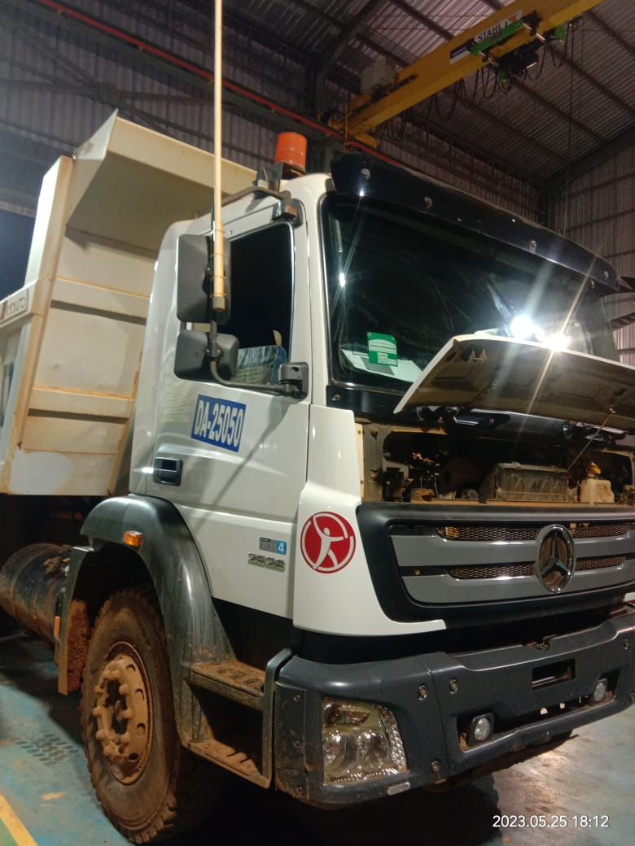 |  |  | 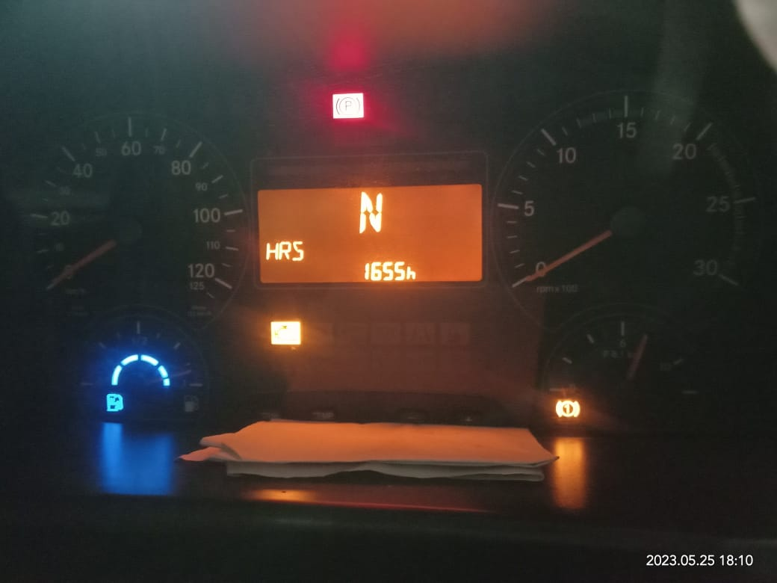 |  | 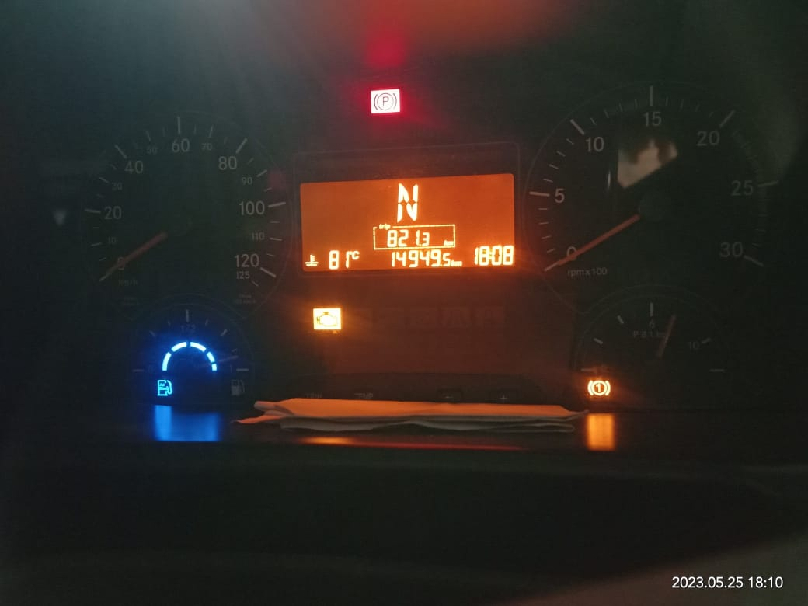

FOTO UNIT |  |  | FOTO HM |  | FOTO KM |  | FOTO VIN

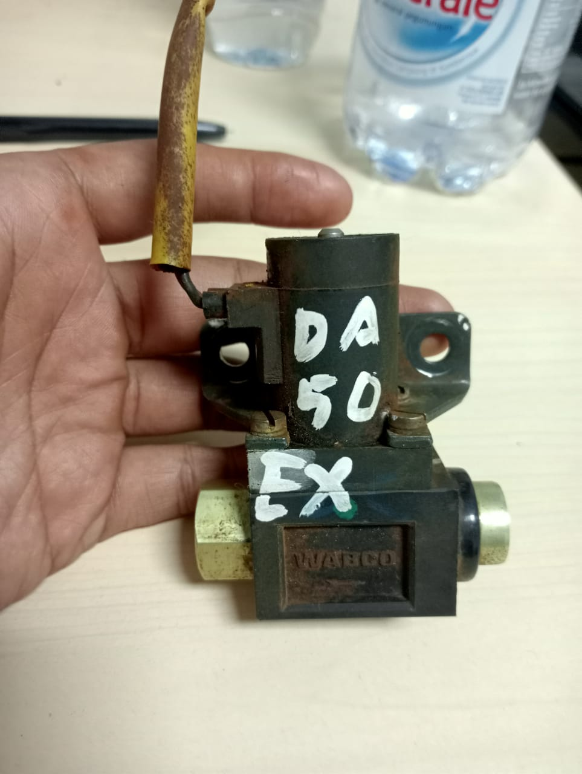
PICTURE CAUSE AND ACTION

BEFORE PROBLEM |  |  |  |  | problem |  | PROSES INSTALL

PICTURE CAUSE AND ACTION
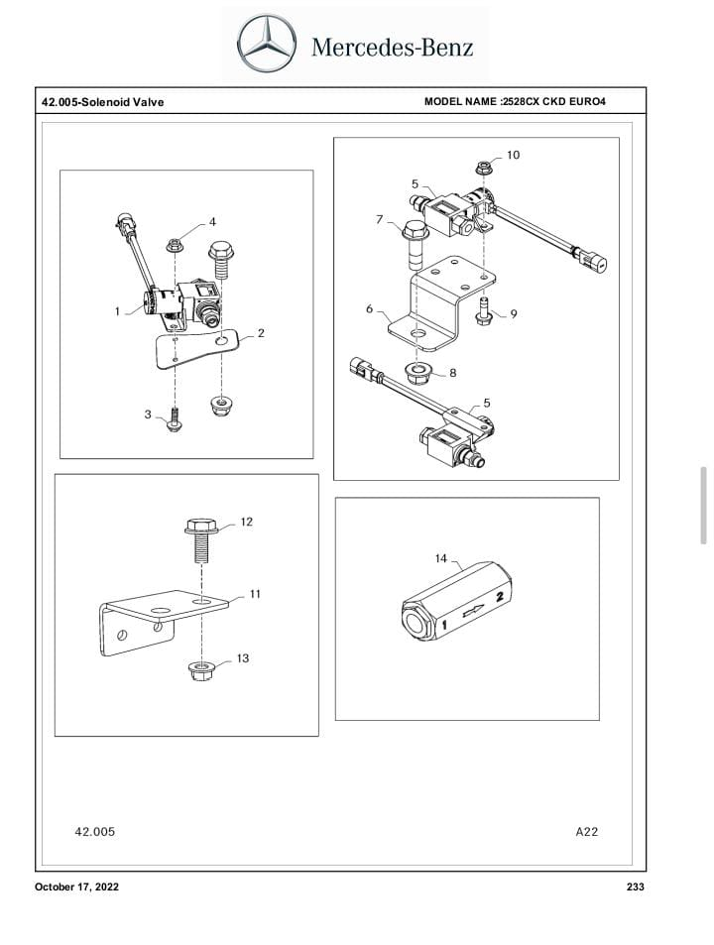 |  |  | 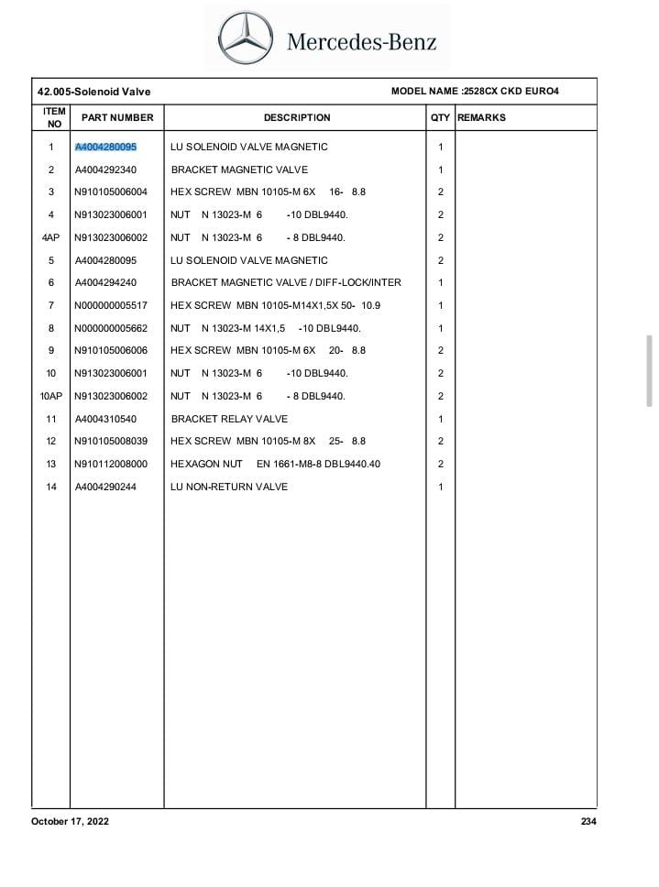

Part Book |  |  | picture part no aktual |  | picture part no part new |  | PROSES INSTALL

Head Office | Gedung Office 8 Lt.33 (SCBD Lot 28/Senopati Raya 8B), Jl.Jend.Sudirman Kav.52-53, Jakarta Selatan 12190 , Indonesia | T +62 21 57903456 | www.starwagen.co.id
Branch | Jl.Syarifuddin Yoes Blok.Kav.46-47 RT.045, Sepinggan Baru, Balikpapan Selatan, Kalimantan Timur, Indonesia | +62 54 28707888 / +62 54 28705758
and Mercedes-Benz are registered trademarks of Mercedes-Benz Group AG.

Pre Order
MENU

 |  |  |  |  | PT Star Wagen Indonesia
Pre Order Form |  |  |  |  | Authorized Dealer of Mercedes-Benz
 |  |  |  |  | Truck & Bus in Indonesia

Customer name: |  | PT. PUTRA PERKASA ABADI |  | For reference please quote the following no.
Address: |  | PT MLP |  | Order no.:
City: |  |  |  | Date: | Customer No: | Page:
Telp: |  |  |  | 26 Mei 2023
Tax Code:

Regisration No. |  | Chassis No/Vin | Sales Designation |  |  | Reception date/time
DA25050 |  | MFJ 400243NJ001192 |  |  |  | 26 Mei 2023
Millage / KM |  | Engine No. | Active Reception |  |  | Received by
14949,5/1655H |  | 400953D0128081 | YES |  | NO | AFINSYAH & ZAENAL | 0
Routing No. |  | Last Service | Sales Designation |  |  | Deadline/time
 |  | Date / Millege
Is this vehicle related to campaign ? Yes No Mobility Service Yes No
Item | Operation. Nr |  | Hours | Type Of Work
P | LU SELENOID VALVE MAGNETIC |  |  | CEK ERROR CODE
L | INSTALL LU SELENOID VALVE MAGNETIC |  |  | CEK SAAT MENGOPRASIAN

 | Please mark damage positions! |  | Standard Checking Leakage |  | Valuable Item Missing |  |  | √
 | Stone Chipping |  |  |  |  |  |  | x
 | Dents |  | Abnormal Noise |  | Vehicle Tool Kit (Incl. Hyd Jack)
 | Scratches

 |  |  | Error Code/Indicator |  | First Aid Kit

 |  |  | Brake, Clucth & Tire |  | Spare Kit (Incl. Wheel Coke

 |  |  | 10 Minutes Cycle Check |  | STNK

 |  |  |  |  | Opr Manual
 |  |  |  |  | E ¼ ½ ¾ F
 |  |  | Others Please Specify :

This order is placed in accordance with our general term of business.

 | Customer's signature & name |  |  |  | Service Adviser's signature & name

Head Office | Gedung Office 8 Lt.33 (SCBD Lot 28/Senopati Raya 8B), Jl.Jend.Sudirman Kav.52-53, Jakarta Selatan 12190 , Indonesia | T +62 21 57903456 | www.starwagen.co.id
Branch | Jl.Syarifuddin Yoes Blok.Kav.46-47 RT.045, Sepinggan Baru, Balikpapan Selatan, Kalimantan Timur, Indonesia | +62 54 28707888 / +62 54 28705758

 | and Mercedes-Benz are registered trademarks of Mercedes-Benz Group AG.

Part Request
MENU

 |  |  |  |  |  |  |  |  | Authorized Dealer of Mercedes-Benz
Part Request Slip |  |  |  |  |  |  |  |  | Truck & Bus in Indonesia
 |  | Passenger car Commercial vehicle
Slip Numbering |  | Customer Information |  |  |  | Vehicle Information |  |  | Order Information
 |  | Nama | PT. PUTRA PERKASA ABADI |  |  | Model : | 2528CX |  | Worksop Order No :
 |  | Site | PT MLP |  |  | Vin : | MFJ 400243NJ001192 |  | Order By :
 |  |  |  |  |  | Engine No : | 400953D0128081 |  | Delivery By :
 |  | Car Registration | DA25050 |  |  | Date of 1st registration: |  |  | Received By
 |  |  |  |  |  |  |  |  | Issue On :

No | Part Number | ES1 | ES2 | Bin Location | Quantity Requested | Description |  |  | Unit Price | Total Price
1 | A40004280095 |  |  |  | 1 | LU SELENOID VALVE MAGNETIC
2
3
4
5
6
7
8
9
10
11
12
13
14
 |  |  |  |  |  |  |  | Foreman | Mechanic | Delivered By

 |  |  |  |  |  |  |  |  | AFINSYAH & ZAENAL | 0

 | Head Office | Gedung Office 8 Lt.33 (SCBD Lot 28/Senopati Raya 8B), Jl.Jend.Sudirman Kav.52-53, Jakarta Selatan 12190 , Indonesia | T +62 21 57903456 | www.starwagen.co.id
 | Branch | Jl.Syarifuddin Yoes Blok.Kav.46-47 RT.045, Sepinggan Baru, Balikpapan Selatan, Kalimantan Timur, Indonesia | +62 54 28707888 / +62 54 28705758

and Mercedes-Benz are registered trademarks of Mercedes-Benz Group AG

Time Sheet
MENU

 |  |  |  | PT Star Wagen Indonesia
Job Time Card Report |  |  |  | Authorized Dealer of Mercedes-Benz Truck & Bus in Indonesia

Mechanic Name: | AFINSYAH & ZAENAL | 0 | WIP Number :

CIW/GW | Operational Code | End Start | Time Recording |  | Date |  |  |  | Total Time
 | Description
Warranty | ERROR CODE OK, CHECK SAAT PENGOPRASIAN UNIT NOTE OK | End | 21:00:00 |  | 26 MEI 2023 |  |  |  | 2:00:00 |  | Customer | 1:00:00
 |  | Start | 19:00:00 |  |  |  |  |  |  |  | Internal | 2:00:00
 |  | End |  |  |  |  |  |  | 0:00:00 |  | Warranty | 3:00:00
 |  | Start |  |  |  |  |  |  |  |  | GoodWill | 4:00:00
 |  | End |  |  |  |  |  |  | 0:00:00 |  |  | 5:00:00
 |  | Start |  |  |  |  |  |  |  |  |  | 6:00:00
 |  | End |  |  |  |  |  |  | 0:00:00 |  |  | 7:00:00
 |  | Start |  |  |  |  |  |  |  |  |  | 8:00:00
 |  | End |  |  |  |  |  |  | 0:00:00 |  |  | 9:00:00
 |  | Start |  |  |  |  |  |  |  |  |  | 10:00:00
 |  | End |  |  |  |  |  |  | 0:00:00 |  |  | 11:00:00
 |  | Start |  |  |  |  |  |  |  |  |  | 12:00:00
 |  | End |  |  |  |  |  |  | 0:00:00 |  |  | 13:00:00
 |  | Start |  |  |  |  |  |  |  |  |  | 14:00:00
 |  | End |  |  |  |  |  |  | 0:00:00 |  |  | 15:00:00
 |  | Start |  |  |  |  |  |  |  |  |  | 16:00:00
 |  | End |  |  |  |  |  |  | 0:00:00 |  |  | 13:00:00
 |  | Start |  |  |  |  |  |  |  |  |  | 14:00:00
 |  | End |  |  |  |  |  |  | 0:00:00 |  |  | 15:00:00
 |  | Start |  |  |  |  |  |  |  |  |  | 16:00:00
 |  | End |  |  |  |  |  |  | 0:00:00 |  |  | 13:00:00
 |  | Start |  |  |  |  |  |  |  |  |  | 14:00:00
 |  | End |  |  |  |  |  |  | 0:00:00 |  |  | 15:00:00
 |  | Start |  |  |  |  |  |  |  |  |  | 16:00:00
 |  |  |  |  |  |  |  |  |  |  |  | 17:00:00
Hours |  | C | I | W/G | W1 | W2 | W3 | W4 | W5 | W6 |  | 18:00:00
Total |  |  |  | 2:00:00 |  |  |  |  |  |  |  | 19:00:00
 |  |  |  |  |  |  |  |  |  |  |  | 20:00:00
Head Office | Gedung Office 8 Lt.33 (SCBD Lot 28/Senopati Raya 8B), Jl.Jend.Sudirman Kav.52-53, Jakarta Selatan 12190 , Indonesia | T +62 21 57903456 | www.starwagen.co.id |  |  |  |  |  |  |  |  |  |  |  | 21:00:00
Branch | Jl.Syarifuddin Yoes Blok.Kav.46-47 RT.045, Sepinggan Baru, Balikpapan Selatan, Kalimantan Timur, Indonesia | +62 54 28707888 / +62 54 28705758 |  |  |  |  |  |  |  |  |  |  |  | 22:00:00
 |  |  |  |  |  |  |  |  |  |  |  | 23:00:00
and Mercedes-Benz are registered trademarks of Mercedes-Benz Group AG
 |  |  |  |  |  |  |  |  |  |  |  | 1900-01-01 00:00:00

Final Control
MENU

 |  |  | Truck & Bus |  |  |  | PT Star Wagen Indonesia
 |  |  | in Indonesia |  |  |  | Authorized Dealer of Mercedes-Benz Truck & Bus in Indonesia
Final Control Report

 |  | Customer Name : | PT. PUTRA PERKASA ABADI |  | Millage In : | 350 |  |  | Check And Tested By
 |  | Wo no/ WIP NO : |  |  | Millage Out : | 350 |  |  | Name : | AFINSYAH & ZAENAL | 0
 |  |  |  |  |  |  |  |  | Date : | 11 FEBRUARI 2023

 |  | Function Checks |  |  | Visual Checks |  |  |  | Other Checks
 | √ | All warning indicators |  | √ | Engine |  |  | √ | Wiper blades and spraying nozzle |  |  | √
 | √ | Steering system |  | √ | Transmission |  |  | √ | Vacuum hoses/lines |  |  | x
 | √ | Horn |  | √ | Rear axles |  |  | √ | Write your own checking list related reparation you did
 | √ | Lights interior / exterior |  | √ | Steering system |  |  |  | …………………………………………………………………..
 | √ | Other electrical equipment |  | √ | Fuel system |  |  |  | …………………………………………………………………..
 | √ | Central locking / closing assist system |  | √ | Cooling system |  |  |  | …………………………………………………………………..
 | √ | Brakes on dynamometer or test drive |  | √ | Brake hoses / lines / linkage |  |  |  | …………………………………………………………………..
 | √ | Air conditioner |  | √ | Condition of tires/spare tires (if any) |  |  |  | …………………………………………………………………..
 |  |  |  | √ | Cleanliness inside and outside |  |  |  | …………………………………………………………………..
 |  | Fluid Levels |  |  | Final Checks |  |  |  | Document Check
 | √ | Engine |  | √ | Check work performed |  |  | √ | Test document / Short test result
 | √ | Transmission |  | √ | Test Drive if needed |  |  | √ | Workshop report (only if required)
 | √ | Radiator / Coolant |  |  |  |  |  | √ | Internal part requisition slip
 | √ | Power steering |  |  |  |  |  | √ | Battery test result, only if tested
 | √ | Battery
 | √ | Brake system
 | √ | Windshield washer

 | After completion of all the work required by you, we performed a final quality check on your vehicle with the following results:
 | Ok |  | No |  |  |  |  | Acknowledged by
 | During checking & reparation process, some critical findings has to be followed up;
 | 1.
 | 2.
 | this has been conveyed on………..to……………. but not approved for doing an action. |  |  |  | (Service Advisor) | (Customer) |  | Foreman or Supervisor

 | Head Office | Gedung Office 8 Lt.33 (SCBD Lot 28/Senopati Raya 8B), Jl.Jend.Sudirman Kav.52-53, Jakarta Selatan 12190 , Indonesia | T +62 21 57903456 | www.starwagen.co.id
 | Branch | Jl.Syarifuddin Yoes Blok.Kav.46-47 RT.045, Sepinggan Baru, Balikpapan Selatan, Kalimantan Timur, Indonesia | +62 54 28707888 / +62 54 28705758
and Mercedes-Benz are registered trademarks of Mercedes-Benz Group AG
.

