Worksop Report
 | Menu

WORKSHOP REPORT/DIAGNOSIS GUIDE |  |  |  |  |  |  | PT.STAR WAGEN INDONESIA

Date: |  | 6-Apr-23 |  |  |  |  |  | Site
WIP No: |  |  |  |  | Customer Name: | PT. PUTRA PERKASA ABADI |  | PT MLP
Chasis No: |  | MFJ400243NJ001229 |  |  | Reg No : |  | Reg date | 11 MARET 2023
Engine No: |  | 400953D0128187 |  |  | Type : | 2528CX | Mileage / Hours Meter | 11531,6/1251h
Registration Code |  | DA25045

COMPLAINT ANALYSIS
Customer complaint/Customer information
 | BRAKE JAMMED/MALFUNTION
Vehicle information
 | CHAMBER/LU BRAKE CYLINDER LEAK RR
System Information
 | BRAKE SYSTEM

TEST LEVEL

 | Test Level Description |  |  |  |  | Actual Value | Remark | Attachment Nr
 | CEK ERROR CODE |  |  |  |  | OK | OK
 | CEK AIR PRESSURE |  |  |  |  | NOT OK | NOT OK
 | CEK KEBOCORAN BRAKE SYSTEM |  |  |  |  | NOT OK | NOT OK
 | CEK KEBOCORAN BRAKE CHAMBER/LU BRAKE CYLINDER |  |  |  |  | NOT OK | NOT OK

CAUSE LEVEL
Cause level/Workshop findings: |  |  |  |  | LAPORAN DARI OPERATOR UNIT DA25045, BAHWA UNIT MENGALAMI PROBLEM PADA INDIKATOR AIR PRESSURE YANG TIDAK MAU NAIK, SEHINGGA UNIT PADA BRAKE SYSTEM TIDAK MAU RELEASE, SETELAH DILAKUKAN PENGECEKAN PADA UNIT, DITEMUKAN ADANYA KEBOCORAN PADA CHAMBER BRAKE MIDDLE LEFT AXEL 7&8 ACTION YANG DILAKUKAN MENGGANTI CYLINDER/CHAMBER ASSY 1 PCS

 |  | Ada | Tidak ada | Attachment Nr
Photo (# lembar) |  | √ |  | √
Area kerusakan (gbr EPC) |  | √ |  | √
Video (nama file) |  |  | √
Old Spare part No.
Notes: |  |  |  |  |  |  |  |  | √
 |  |  |  |  |  |  |  |  | x

RECTIFICATION AND VERIFICATION LEVEL
Rectification:

 | PART NUMBER | DESCRIPTION | QTY
 | A4004202224 | CAMBER BREAK REAR | 1

Verification:

 |  |  |  |  | Workshop report digunakan untuk mencatat hasil analisa mekanik dengan menyertakan langkah-langkah diagnosis dan temuannya selama diagnosa
AFINSYAH & ZAENAL
Mechanic |  |  | Supervisor/Mgr

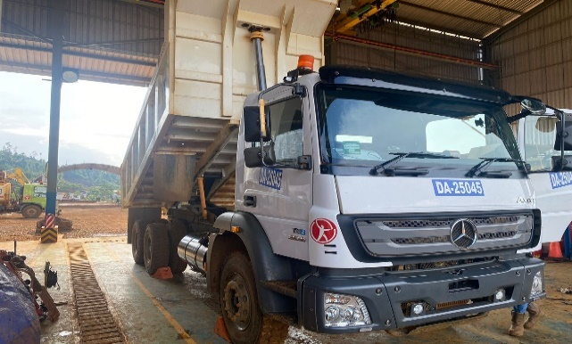
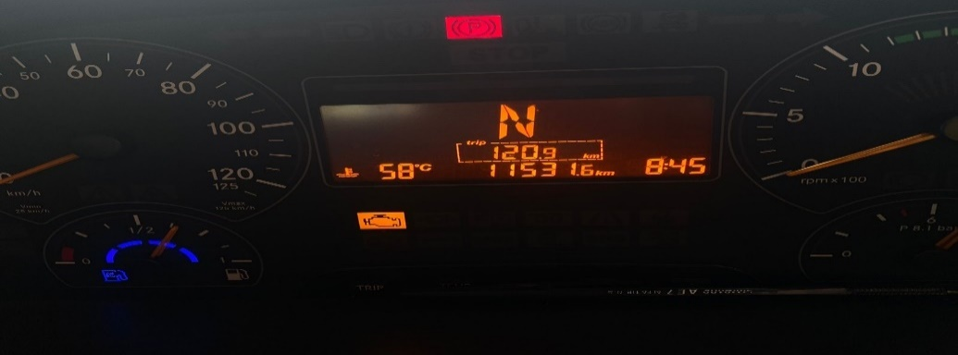
PICTURE CAUSE AND ACTION
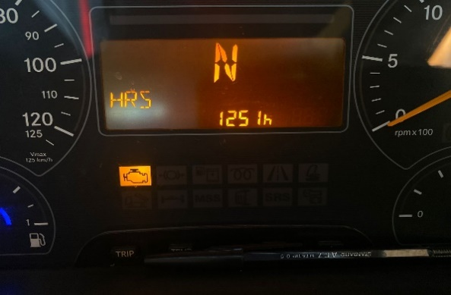

FOTO UNIT |  |  | FOTO HM |  | FOTO KM |  | FOTO VIN

PICTURE CAUSE AND ACTION
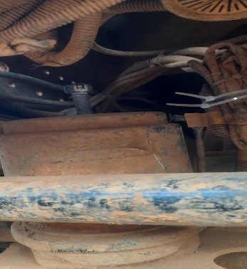 |  |  | 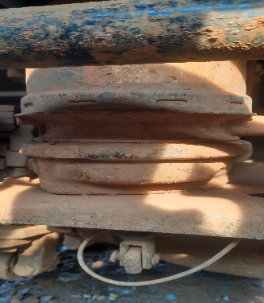 |  | 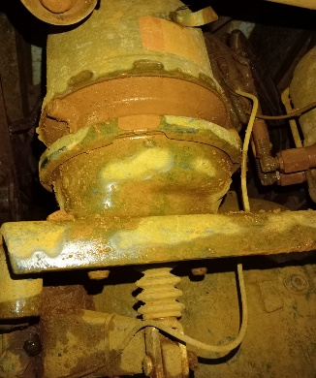 |  | 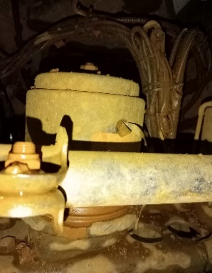

BEFORE PROBLEM |  |  | AFTER PROBLEM |  | PROSES INSTALL |  | PROSES INSTALL

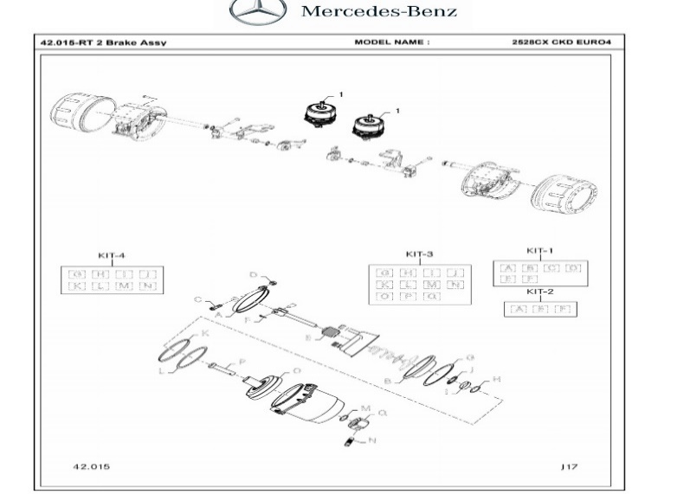
PICTURE CAUSE AND ACTION

Part Book |  |  | picture part no aktual |  | picture part no part new |  | PROSES INSTALL

Head Office | Gedung Office 8 Lt.33 (SCBD Lot 28/Senopati Raya 8B), Jl.Jend.Sudirman Kav.52-53, Jakarta Selatan 12190 , Indonesia | T +62 21 57903456 | www.starwagen.co.id
Branch | Jl.Syarifuddin Yoes Blok.Kav.46-47 RT.045, Sepinggan Baru, Balikpapan Selatan, Kalimantan Timur, Indonesia | +62 54 28707888 / +62 54 28705758
and Mercedes-Benz are registered trademarks of Mercedes-Benz Group AG.

Pre Order
MENU

 |  |  |  |  | PT Star Wagen Indonesia
Pre Order Form |  |  |  |  | Authorized Dealer of Mercedes-Benz
 |  |  |  |  | Truck & Bus in Indonesia

Customer name: |  | PT. PUTRA PERKASA ABADI |  | For reference please quote the following no.
Address: |  | PT MLP |  | Order no.:
City: |  |  |  | Date: | Customer No: | Page:
Telp: |  |  |  | 2023-04-06
Tax Code:

Regisration No. |  | Chassis No/Vin | Sales Designation |  |  | Reception date/time
DA25045 |  | MFJ400243NJ001229 |  |  |  | 2023-04-06
Millage / KM |  | Engine No. | Active Reception |  |  | Received by
11531,6/1251h |  | 400953D0128187 | YES |  | NO | AFINSYAH & ZAENAL | 0
Routing No. |  | Last Service | Sales Designation |  |  | Deadline/time
 |  | Date / Millege
Is this vehicle related to campaign ? Yes No Mobility Service Yes No
Item | Operation. Nr |  | Hours | Type Of Work
P | BRAKE CHAMBER/LU BRAKE CYLINDER |  |  | CEK ERROR CODE
L | INSTAL BRAKE CHAMBER/LU BRAKE CYLINDER |  |  | CEK AIR PRESSURE
 |  |  |  | CEK KEBOCORAN AIR SYSTEM
 |  |  |  | CEK KEBOCORAN BRAKE SYSTEM

 | Please mark damage positions! |  | Standard Checking Leakage |  | Valuable Item Missing |  |  | √
 | Stone Chipping |  |  |  |  |  |  | x
 | Dents |  | Abnormal Noise |  | Vehicle Tool Kit (Incl. Hyd Jack)
 | Scratches

 |  |  | Error Code/Indicator |  | First Aid Kit

 |  |  | Brake, Clucth & Tire |  | Spare Kit (Incl. Wheel Coke

 |  |  | 10 Minutes Cycle Check |  | STNK

 |  |  |  |  | Opr Manual
 |  |  |  |  | E ¼ ½ ¾ F
 |  |  | Others Please Specify :

This order is placed in accordance with our general term of business.

 | Customer's signature & name |  |  |  | Service Adviser's signature & name

Head Office | Gedung Office 8 Lt.33 (SCBD Lot 28/Senopati Raya 8B), Jl.Jend.Sudirman Kav.52-53, Jakarta Selatan 12190 , Indonesia | T +62 21 57903456 | www.starwagen.co.id
Branch | Jl.Syarifuddin Yoes Blok.Kav.46-47 RT.045, Sepinggan Baru, Balikpapan Selatan, Kalimantan Timur, Indonesia | +62 54 28707888 / +62 54 28705758

 | and Mercedes-Benz are registered trademarks of Mercedes-Benz Group AG.

Part Request
MENU

 |  |  |  |  |  |  |  |  | Authorized Dealer of Mercedes-Benz
Part Request Slip |  |  |  |  |  |  |  |  | Truck & Bus in Indonesia
 |  | Passenger car Commercial vehicle
Slip Numbering |  | Customer Information |  |  |  | Vehicle Information |  |  | Order Information
 |  | Nama | PT. PUTRA PERKASA ABADI |  |  | Model : | 2528CX |  | Worksop Order No :
 |  | Site | PT MLP |  |  | Vin : | MFJ400243NJ001229 |  | Order By :
 |  |  |  |  |  | Engine No : | 400953D0128187 |  | Delivery By :
 |  | Car Registration | DA25045 |  |  | Date of 1st registration: |  |  | Received By
 |  |  |  |  |  |  |  |  | Issue On :

No | Part Number | ES1 | ES2 | Bin Location | Quantity Requested | Description |  |  | Unit Price | Total Price
1 | A4004202224 |  |  |  | 1 | LU BRAKE CYLINDER RR/TY24/24-KBI
2
3
4
5
6
7
8
9
10
11
12
13
14
 |  |  |  |  |  |  |  | Foreman | Mechanic | Delivered By

 |  |  |  |  |  |  |  |  | AFINSYAH & ZAENAL | 0

 | Head Office | Gedung Office 8 Lt.33 (SCBD Lot 28/Senopati Raya 8B), Jl.Jend.Sudirman Kav.52-53, Jakarta Selatan 12190 , Indonesia | T +62 21 57903456 | www.starwagen.co.id
 | Branch | Jl.Syarifuddin Yoes Blok.Kav.46-47 RT.045, Sepinggan Baru, Balikpapan Selatan, Kalimantan Timur, Indonesia | +62 54 28707888 / +62 54 28705758

and Mercedes-Benz are registered trademarks of Mercedes-Benz Group AG

Time Sheet
MENU

 |  |  |  | PT Star Wagen Indonesia
Job Time Card Report |  |  |  | Authorized Dealer of Mercedes-Benz Truck & Bus in Indonesia

Mechanic Name: | AFINSYAH & ZAENAL | 0 | WIP Number :

CIW/GW | Operational Code | End Start | Time Recording |  | Date |  |  |  | Total Time
 | Description
Warranty | CEK KEBOCORAN AIR SYSTEM, REMOVE AND INSTALL BRAKE CHAMBER MIDDLE LEFT, FINAL CHECK. | End | 15:00:00 |  | 2023-04-06 |  |  |  | 4 HOURS |  | Customer | 1:00:00
 |  | Start | 13:00:00 |  |  |  |  |  |  |  | Internal | 2:00:00
 |  | End |  |  |  |  |  |  | 0:00:00 |  | Warranty | 3:00:00
 |  | Start |  |  |  |  |  |  |  |  | GoodWill | 4:00:00
 |  | End |  |  |  |  |  |  | 0:00:00 |  |  | 5:00:00
 |  | Start |  |  |  |  |  |  |  |  |  | 6:00:00
 |  | End |  |  |  |  |  |  | 0:00:00 |  |  | 7:00:00
 |  | Start |  |  |  |  |  |  |  |  |  | 8:00:00
 |  | End |  |  |  |  |  |  | 0:00:00 |  |  | 9:00:00
 |  | Start |  |  |  |  |  |  |  |  |  | 10:00:00
 |  | End |  |  |  |  |  |  | 0:00:00 |  |  | 11:00:00
 |  | Start |  |  |  |  |  |  |  |  |  | 12:00:00
 |  | End |  |  |  |  |  |  | 0:00:00 |  |  | 13:00:00
 |  | Start |  |  |  |  |  |  |  |  |  | 14:00:00
 |  | End |  |  |  |  |  |  | 0:00:00 |  |  | 15:00:00
 |  | Start |  |  |  |  |  |  |  |  |  | 16:00:00
 |  | End |  |  |  |  |  |  | 0:00:00 |  |  | 13:00:00
 |  | Start |  |  |  |  |  |  |  |  |  | 14:00:00
 |  | End |  |  |  |  |  |  | 0:00:00 |  |  | 15:00:00
 |  | Start |  |  |  |  |  |  |  |  |  | 16:00:00
 |  | End |  |  |  |  |  |  | 0:00:00 |  |  | 13:00:00
 |  | Start |  |  |  |  |  |  |  |  |  | 14:00:00
 |  | End |  |  |  |  |  |  | 0:00:00 |  |  | 15:00:00
 |  | Start |  |  |  |  |  |  |  |  |  | 16:00:00
 |  |  |  |  |  |  |  |  |  |  |  | 17:00:00
Hours |  | C | I | W/G | W1 | W2 | W3 | W4 | W5 | W6 |  | 18:00:00
Total |  |  |  | 1900-01-02 00:00:00 |  |  |  |  |  |  |  | 19:00:00
 |  |  |  |  |  |  |  |  |  |  |  | 20:00:00
Head Office | Gedung Office 8 Lt.33 (SCBD Lot 28/Senopati Raya 8B), Jl.Jend.Sudirman Kav.52-53, Jakarta Selatan 12190 , Indonesia | T +62 21 57903456 | www.starwagen.co.id |  |  |  |  |  |  |  |  |  |  |  | 21:00:00
Branch | Jl.Syarifuddin Yoes Blok.Kav.46-47 RT.045, Sepinggan Baru, Balikpapan Selatan, Kalimantan Timur, Indonesia | +62 54 28707888 / +62 54 28705758 |  |  |  |  |  |  |  |  |  |  |  | 22:00:00
 |  |  |  |  |  |  |  |  |  |  |  | 23:00:00
and Mercedes-Benz are registered trademarks of Mercedes-Benz Group AG
 |  |  |  |  |  |  |  |  |  |  |  | 1900-01-01 00:00:00

Final Control
MENU

 |  |  | Truck & Bus |  |  |  | PT Star Wagen Indonesia
 |  |  | in Indonesia |  |  |  | Authorized Dealer of Mercedes-Benz Truck & Bus in Indonesia
Final Control Report

 |  | Customer Name : | PT. PUTRA PERKASA ABADI |  | Millage In : | 766 |  |  | Check And Tested By
 |  | Wo no/ WIP NO : |  |  | Millage Out : | 766 |  |  | Name : | AFINSYAH & ZAENAL | 0
 |  |  |  |  |  |  |  |  | Date : | 11 MARET 2023

 |  | Function Checks |  |  | Visual Checks |  |  |  | Other Checks
 | √ | All warning indicators |  | √ | Engine |  |  | √ | Wiper blades and spraying nozzle |  |  | √
 | √ | Steering system |  | √ | Transmission |  |  | √ | Vacuum hoses/lines |  |  | x
 | √ | Horn |  | √ | Rear axles |  |  | √ | Write your own checking list related reparation you did
 | √ | Lights interior / exterior |  | √ | Steering system |  |  |  | …………………………………………………………………..
 | √ | Other electrical equipment |  | √ | Fuel system |  |  |  | …………………………………………………………………..
 | √ | Central locking / closing assist system |  | √ | Cooling system |  |  |  | …………………………………………………………………..
 | √ | Brakes on dynamometer or test drive |  | √ | Brake hoses / lines / linkage |  |  |  | …………………………………………………………………..
 | √ | Air conditioner |  | √ | Condition of tires/spare tires (if any) |  |  |  | …………………………………………………………………..
 |  |  |  | √ | Cleanliness inside and outside |  |  |  | …………………………………………………………………..
 |  | Fluid Levels |  |  | Final Checks |  |  |  | Document Check
 | √ | Engine |  | √ | Check work performed |  |  | √ | Test document / Short test result
 | √ | Transmission |  | √ | Test Drive if needed |  |  | √ | Workshop report (only if required)
 | √ | Radiator / Coolant |  |  |  |  |  | √ | Internal part requisition slip
 | √ | Power steering |  |  |  |  |  | √ | Battery test result, only if tested
 | √ | Battery
 | √ | Brake system
 | √ | Windshield washer

 | After completion of all the work required by you, we performed a final quality check on your vehicle with the following results:
 | Ok |  | No |  |  |  |  | Acknowledged by
 | During checking & reparation process, some critical findings has to be followed up;
 | 1.
 | 2.
 | this has been conveyed on………..to……………. but not approved for doing an action. |  |  |  | (Service Advisor) | (Customer) |  | Foreman or Supervisor

 | Head Office | Gedung Office 8 Lt.33 (SCBD Lot 28/Senopati Raya 8B), Jl.Jend.Sudirman Kav.52-53, Jakarta Selatan 12190 , Indonesia | T +62 21 57903456 | www.starwagen.co.id
 | Branch | Jl.Syarifuddin Yoes Blok.Kav.46-47 RT.045, Sepinggan Baru, Balikpapan Selatan, Kalimantan Timur, Indonesia | +62 54 28707888 / +62 54 28705758
and Mercedes-Benz are registered trademarks of Mercedes-Benz Group AG
.

