Worksop Report
 | Menu
 |  |  | Workshop Report For Diagnostic Guide

 |  |  |  |  |  |  | PT.STAR WAGEN INDONESIA
 |  |  |  |  | WO : | 310000000422
Date: |  | 17 Mei 2023 |  |  |  |  |  | Job Site:
WIP No: |  |  |  |  | Customer Name: | PT. PUTRA PERKASA ABADI |  | PT HSM
Chasis No: |  | W1T96423120570887 |  |  | Reg No : |  | Reg date
Engine No: |  |  |  |  | Type : | Mercedes Benz AROCS 4845 K57 (8X4/4) A/T | Mileage / Hours Meter | 56758 / 3077
Unit Code |  | DA4830

COMPLAINT ANALYSIS
Customer complaint/Customer information
 | Saat service ingin leveling plug final drive roda tidak bisa diputar
Vehicle information
 | Aplicaton : | ü Long distance |  | ü Dump truck | ü Ore operation | Regular service base
 |  | Short distance |  | support truck | OB operation
Customer Information :
 | LAPORAN MEKANIK YANG SEDANG MELAKUKAN SERVICE SAAT INGIN LEVEL PLUG FINAL DRIVE UNTUK PENGGANTIAN OLI RODA TIDAK BISA BERPUTAR

TEST LEVEL

 | Test Level Description |  |  |  |  | Actual Value | Remark | Attachment Number
 | CEK DIFFERENTIAL REAR |  |  |  |  | NOISE / SHAFT LH DAN RH LOCK | NOT OK | attachment picture no 1
 | CEK PLUG DIFFERENTIAL |  |  |  |  | ADA GRAM HALUS | NOT OK | attachment picture no 2
 | CEK DIFFERENTIAL |  |  |  |  | BROKEN | NOT OK | attachment picture no 3
 | CEK DIFFERENTIAL GEAR |  |  |  |  | BROKEN | NOT OK | attachment picture no 4

CAUSE LEVEL
Cause level/Workshop findings: |  |  |  |  | RESULT :
 |  |  |  |  | SETELAH MENDAPATKAN INFORMASI KEMUDIAN MELAKUKAN PENGECEKAN MEMASTIKAN (DIFFLOCK DINONAKTIFKAN, AXLE DIJACK DAN PARKING BREAK RELEASE), KEMUDIAN MELEPAS PLUG DRAIN DIFFERENTIAL TERDAPAT BANYAK GRAM HALUS. LALU MELEPAS DIFFERENTIAL DARI HOUSING AXLE DAN MELAKUKAN PEMBONGKARAN PADA DIFFERENTIAL SETELAH DIBONGKAR TERLIHAT BAHWA SALAHS SATU GEAR RS DIFFERENTIAL BROKEN.
 |  | Ada | Tidak ada | Attachment Nr
Photo (# lembar) |  | √ |  | √
Area kerusakan (gbr EPC) |  | √ |  | √
Video (nama file) |  |  | √
Old Spare part No.
Notes: |  |  |  |  |  |  |  |  | √
 |  |  |  |  |  |  |  |  | x

RECTIFICATION AND VERIFICATION LEVEL
Rectification:

 | PART NUMBER | DESCRIPTION | QTY
 | A 942 350 21 23 | RS Differential | 1
 | A 005 981 15 05 | Roller trust bearing | 1
 | A 001 981 72 05 | Tappered roller bearing | 1

Verification:

 |  |  | Workshop report digunakan untuk mencatat hasil analisa mekanik dengan menyertakan langkah-langkah diagnosis dan temuannya selama diagnosa

PICTURE CAUSE AND ACTION
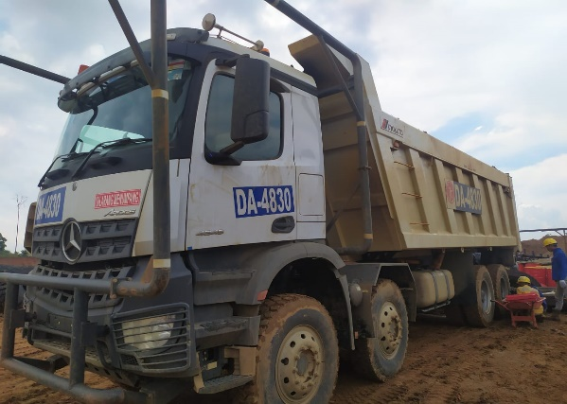 |  |  | 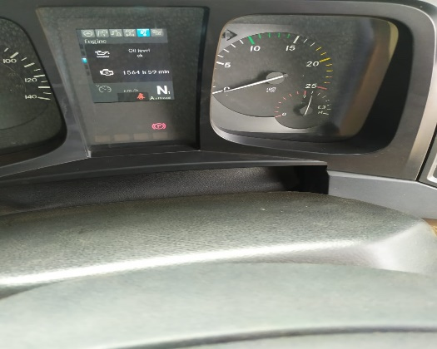 |  | 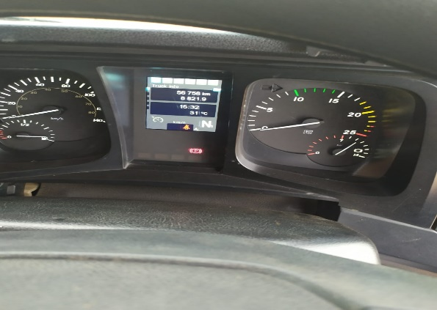 |  | 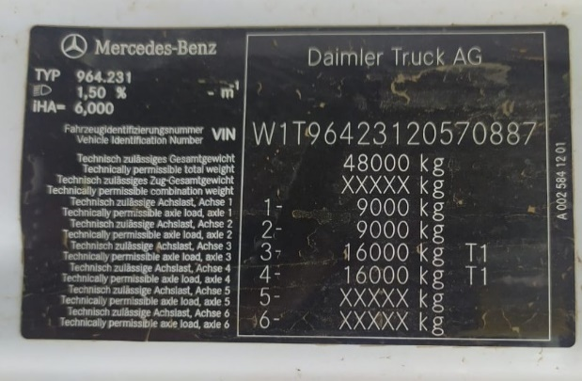 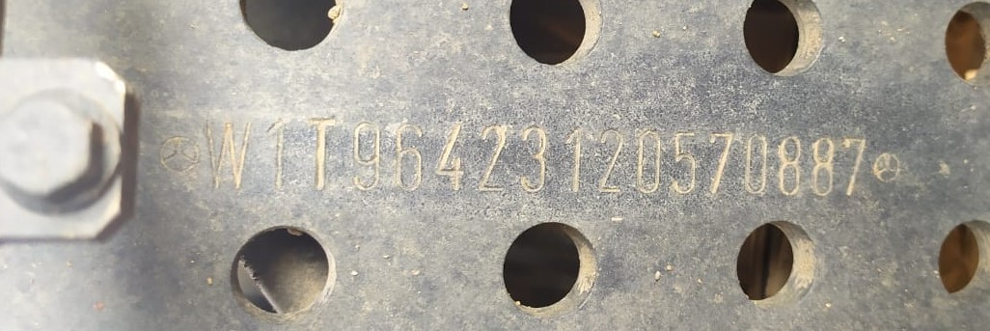

FOTO UNIT |  |  | FOTO HM |  | FOTO KM |  | FOTO VIN

1
2
3
4
PICTURE CAUSE AND ACTION
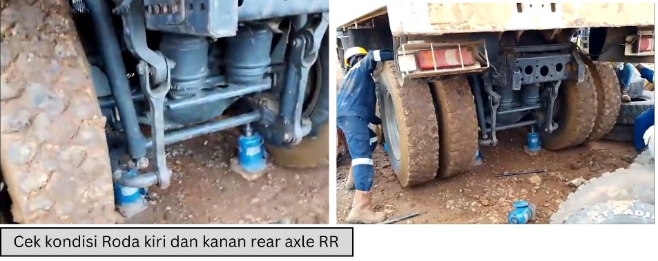 |  |  | 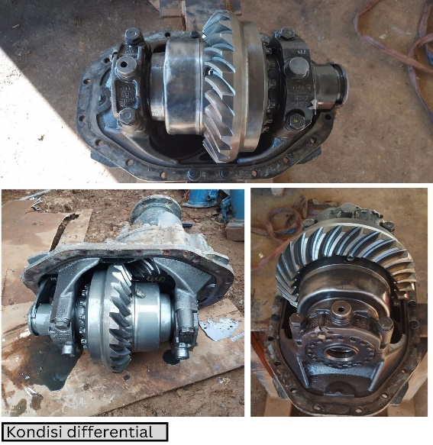 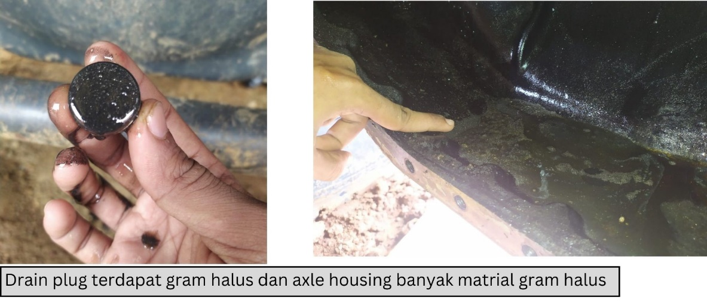 |  |  |  |  | 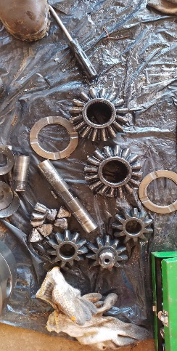 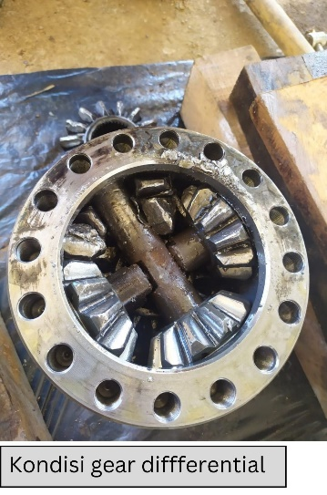

CUSTOMER COMPLAINT PICTURE |  |  | JOB PROGRESS INVESTIGATION PICTURE |  |  |  |  | JOB PROGRESS INVESTIGATION PICTURE

PICTURE CAUSE AND ACTION
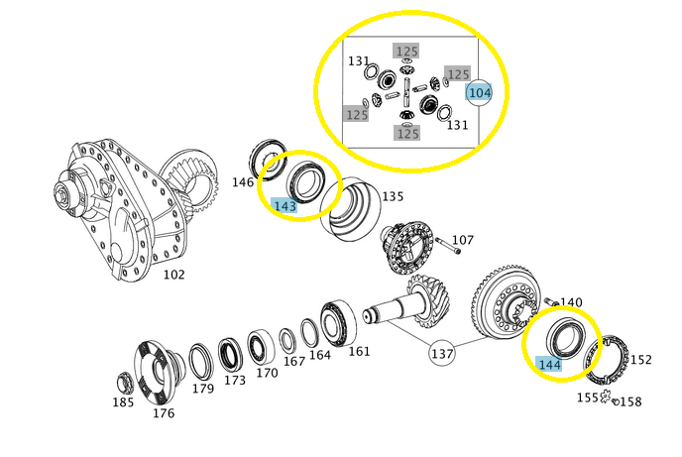

Part Book |  |  | Part book |  | picture part no part new |  | Remarks

 |  |  |  |  |  |  | validation

and Mercedes-Benz are registered trademarks of Mercedes-Benz Group AG.
Head Office | Gedung Office 8 Lt.33 (SCBD Lot 28/Senopati Raya 8B), Jl.Jend.Sudirman Kav.52-53, Jakarta Selatan 12190 , Indonesia | T +62 21 57903456 | www.starwagen.co.id
Branch | Jl.Syarifuddin Yoes Blok.Kav.46-47 RT.045, Sepinggan Baru, Balikpapan Selatan, Kalimantan Timur, Indonesia | +62 54 28707888 / +62 54 28705758
 |  |  |  |  |  |  | Egi sugiana | Supervisor / Workshop Managaer

Part Request
MENU

 |  |  |  |  |  |  |  |  | Authorized Dealer of Mercedes-Benz
Part Request Slip |  |  |  |  |  |  |  |  | Truck & Bus in Indonesia
 |  | Passenger car Commercial vehicle
Slip Numbering |  | Customer Information |  |  |  | Vehicle Information |  |  | Order Information
 |  | Nama | PT. PUTRA PERKASA ABADI |  |  | Model : | Mercedes Benz AROCS 4845 K57 (8X4/4) A/T |  | Worksop Order No : | 310000000422
 |  | Site | PT HSM |  |  | Vin : | W1T96423120570887 |  | Order By :
 |  |  |  |  |  | Engine No : | 0 |  | Delivery By :
 |  | Car Registration | DA4830 |  |  | Date of 1st registration: | 0 |  | Received By | 17 Mei 2023
 |  |  |  |  |  |  |  |  | Issue On :

No | Part Number | ES1 | ES2 | Bin Location | Quantity Requested | Description |  |  | Unit Price | Total Price
1 | A 942 350 21 23 |  |  |  | 1 | RS Differential
2 | A 005 981 15 05 |  |  |  | 1 | Roller trust bearing |  |  |  |  | ROTATIONAL SPEED SENSOR
3 | A 001 981 72 05 |  |  |  | 1 | Tappered roller bearing
4
5
6
7
8
9
10
11
12
13
14
 |  |  |  |  |  |  |  | Foreman | Mechanic | Delivered By

 |  |  |  |  |  |  |  |  | Egi sugiana

 | Head Office | Gedung Office 8 Lt.33 (SCBD Lot 28/Senopati Raya 8B), Jl.Jend.Sudirman Kav.52-53, Jakarta Selatan 12190 , Indonesia | T +62 21 57903456 | www.starwagen.co.id
 | Branch | Jl.Syarifuddin Yoes Blok.Kav.46-47 RT.045, Sepinggan Baru, Balikpapan Selatan, Kalimantan Timur, Indonesia | +62 54 28707888 / +62 54 28705758

and Mercedes-Benz are registered trademarks of Mercedes-Benz Group AG

Time Sheet
MENU

 |  |  |  | PT Star Wagen Indonesia
Job Time Card Report |  |  |  | Authorized Dealer of Mercedes-Benz Truck & Bus in Indonesia

Mechanic Name: | Egi sugiana |  | WIP Number :

CIW/GW | Operational Code | End Start | Time Recording |  | Date |  |  |  | Total Time
 | Description
Warranty | Cek Axle rear | End | 15:00:00 |  | 2023-05-17 |  |  |  | 1:00:00 |  | Customer | 1:00:00
 |  | Start | 14:00:00 |  |  |  |  |  |  |  | Internal | 2:00:00
 |  | End |  |  |  |  |  |  | 0:00:00 |  | Warranty | 3:00:00
 |  | Start |  |  |  |  |  |  |  |  | GoodWill | 4:00:00
 | Uninstal and remove Differential | End | 17:00:00 |  | 2023-05-17 |  |  |  | 2:00:00 |  |  | 5:00:00
 |  | Start | 15:00:00 |  |  |  |  |  |  |  |  | 6:00:00
 |  | End |  |  |  |  |  |  | 0:00:00 |  |  | 7:00:00
 |  | Start |  |  |  |  |  |  |  |  |  | 8:00:00
 |  | End |  |  |  |  |  |  | 0:00:00 |  |  | 9:00:00
 |  | Start |  |  |  |  |  |  |  |  |  | 10:00:00
 |  | End |  |  |  |  |  |  | 0:00:00 |  |  | 11:00:00
 |  | Start |  |  |  |  |  |  |  |  |  | 12:00:00
 |  | End |  |  |  |  |  |  | 0:00:00 |  |  | 13:00:00
 |  | Start |  |  |  |  |  |  |  |  |  | 14:00:00
 |  | End |  |  |  |  |  |  | 0:00:00 |  |  | 15:00:00
 |  | Start |  |  |  |  |  |  |  |  |  | 16:00:00
 |  | End |  |  |  |  |  |  | 0:00:00 |  |  | 13:00:00
 |  | Start |  |  |  |  |  |  |  |  |  | 14:00:00
 |  | End |  |  |  |  |  |  | 0:00:00 |  |  | 15:00:00
 |  | Start |  |  |  |  |  |  |  |  |  | 16:00:00
 |  | End |  |  |  |  |  |  | 0:00:00 |  |  | 13:00:00
 |  | Start |  |  |  |  |  |  |  |  |  | 14:00:00
 |  | End |  |  |  |  |  |  | 0:00:00 |  |  | 15:00:00
 |  | Start |  |  |  |  |  |  |  |  |  | 16:00:00
 |  |  |  |  |  |  |  |  |  |  |  | 17:00:00
Hours |  | C | I | W/G | W1 | W2 | W3 | W4 | W5 | W6 |  | 18:00:00
Total |  |  |  | 3:00:00 |  |  |  |  |  |  |  | 19:00:00
 |  |  |  |  |  |  |  |  |  |  |  | 20:00:00
Head Office | Gedung Office 8 Lt.33 (SCBD Lot 28/Senopati Raya 8B), Jl.Jend.Sudirman Kav.52-53, Jakarta Selatan 12190 , Indonesia | T +62 21 57903456 | www.starwagen.co.id |  |  |  |  |  |  |  |  |  |  |  | 21:00:00
Branch | Jl.Syarifuddin Yoes Blok.Kav.46-47 RT.045, Sepinggan Baru, Balikpapan Selatan, Kalimantan Timur, Indonesia | +62 54 28707888 / +62 54 28705758 |  |  |  |  |  |  |  |  |  |  |  | 22:00:00
 |  |  |  |  |  |  |  |  |  |  |  | 23:00:00
and Mercedes-Benz are registered trademarks of Mercedes-Benz Group AG
 |  |  |  |  |  |  |  |  |  |  |  | 1900-01-01 00:00:00

Final Control
MENU

 |  |  | Truck & Bus |  |  |  | PT Star Wagen Indonesia
 |  |  | in Indonesia |  |  |  | Authorized Dealer of Mercedes-Benz Truck & Bus in Indonesia
Final Control Report

 |  | Customer Name : | PT. PUTRA PERKASA ABADI |  | Millage In : |  |  |  | Check And Tested By
 |  | Wo no/ WIP NO : |  |  | Millage Out : |  |  |  | Name : | Egi sugiana
 |  |  |  |  |  |  |  |  | Date : | 2023-03-17

 |  | Function Checks |  |  | Visual Checks |  |  |  | Other Checks
 | √ | All warning indicators |  | √ | Engine |  |  | √ | Wiper blades and spraying nozzle |  | √
 | √ | Steering system |  | √ | Transmission |  |  | √ | Vacuum hoses/lines |  | x
 | √ | Horn |  | √ | Rear axles |  |  | √ | Write your own checking list related reparation you did
 | √ | Lights interior / exterior |  | √ | Steering system |  |  | √ | …………………………………………………………………..
 | √ | Other electrical equipment |  | √ | Fuel system |  |  | √ | …………………………………………………………………..
 | √ | Central locking / closing assist system |  | √ | Cooling system |  |  | √ | …………………………………………………………………..
 | √ | Brakes on dynamometer or test drive |  | √ | Brake hoses / lines / linkage |  |  | √ | …………………………………………………………………..
 | √ | Air conditioner |  | √ | Condition of tires/spare tires (if any) |  |  | √ | …………………………………………………………………..
 |  |  |  | √ | Cleanliness inside and outside |  |  |  | …………………………………………………………………..
 |  | Fluid Levels |  |  | Final Checks |  |  |  | Document Check
 | √ | Engine |  | √ | Check work performed |  |  | √ | Test document / Short test result
 | √ | Transmission |  | √ | Test Drive if needed |  |  | √ | Workshop report (only if required)
 | √ | Radiator / Coolant |  |  |  |  |  | √ | Internal part requisition slip
 | √ | Power steering |  |  |  |  |  | √ | Battery test result, only if tested
 | √ | Battery |  |  |  |  |  | √
 | √ | Brake system |  |  |  |  |  | √
 | √ | Windshield washer |  |  |  |  |  | √
 |  |  |  |  |  |  |  | √
 | After completion of all the work required by you, we performed a final quality check on your vehicle with the following results:
 | Ok |  | No |  |  |  |  | Acknowledged by
 | During checking & reparation process, some critical findings has to be followed up;
 | 1.
 | 2.
 | this has been conveyed on………..to……………. but not approved for doing an action. |  |  |  | (Service Advisor) | (Customer) |  | Foreman or Supervisor

 | Head Office | Gedung Office 8 Lt.33 (SCBD Lot 28/Senopati Raya 8B), Jl.Jend.Sudirman Kav.52-53, Jakarta Selatan 12190 , Indonesia | T +62 21 57903456 | www.starwagen.co.id
 | Branch | Jl.Syarifuddin Yoes Blok.Kav.46-47 RT.045, Sepinggan Baru, Balikpapan Selatan, Kalimantan Timur, Indonesia | +62 54 28707888 / +62 54 28705758
and Mercedes-Benz are registered trademarks of Mercedes-Benz Group AG
.

