Worksop Report
 | Menu
 |  |  | Workshop Report For Diagnostic Guide

 |  |  |  |  |  |  | PT.STAR WAGEN INDONESIA
 |  |  |  |  | WO | 31XXXX
Date: |  | 21 MARET 2023 |  |  |  |  |  | Job Site:
WIP No: |  |  |  |  | Customer Name: | PT. PUTRA PERKASA ABADI |  | PT HSM
Chasis No: |  | W1T96423120570139 |  |  | Reg No : |  | Reg date
Engine No: |  |  |  |  | Type : | AROCS 4845 K57 (8X4/4) A/T | Mileage / Hours Meter | 22289 / 1286
Unit Code |  | DA4843

COMPLAINT ANALYSIS
Customer complaint/Customer information
 | Saat jalan terdengar suara mendengung dari dalam kabin yang cukup keras
Vehicle information
 | Aplicaton : | ü Long distance |  | ü Dump truck | ü Ore operation | Regular service base
 |  | Short distance |  | support truck | OB operation
Customer Information :
 | OPERATOR DT4843 MENGINFORMASIKAN BAHWA TERDAPAT SUARA DENGUNG DI DALAM KABIN

TEST LEVEL

 | Test Level Description |  |  |  |  | Actual Value | Remark | Attachment Number
 | CEK DIFFERENTIAL REAR AXLE |  |  |  |  | NOISE | NOT OK | attachment picture 1/ video terlampir
 | CEK FINAL DRIVE REAR AXLE LH AND RH |  |  |  |  | NORMAL | OK
 | CEK GEAR SET DIFFERENTIAL |  |  |  |  | NORMAL | OK | attachment picture no 2
 | CEK SIDE GEAR, PINION AND SPIDER JOINT DIFFERENTIAL |  |  |  |  | BROKEN | NOT OK | attachment picture no 3

CAUSE LEVEL
Cause level/Workshop findings: |  |  |  |  | RESULT :
 |  |  |  |  | SETELAH MENDAPATKAN INFORMASI DARI OPERATOR DA4843 MEKANIK IKUT MELAKUKAN GROUND TEST BERSAMA OPERATOR UNTUK MEMASTIKAN SUMBER SUARA DENGUNG TERSEBUT. SETELAH MENGETAHUI SUMBER SUARA DENGUNG TERSEBUT BERASAL DARI AREA AXLE BELAKANG MEKANIK MELAKUKAN PENGECEKAN PADA DIFFERENTIAL REAR AXLE DAN DILANJUT PELEPASAN DAN PEMBONGKARAN DIFFERENTIAL REAR AXLE. SETELAHNYA DILAKUKAN PENGECEKAN PADA KOMPONEN DIFFERENTIAL DAN DITEMUKAN SPIDER JOINT DIFFERENTIAL PATAH, LOCK BOLT JOINT PATAH DAN GEAR PINION PADA SHAFT SPIDER JAMED
 |  | Ada | Tidak ada | Attachment Nr
Photo (# lembar) |  | √ |  | √
Area kerusakan (gbr EPC) |  | √ |  | √
Video (nama file) |  | √
Old Spare part No.
Notes: |  |  |  |  |  |  |  |  | √
 |  |  |  |  |  |  |  |  | x

RECTIFICATION AND VERIFICATION LEVEL
Rectification:

 | PART NUMBER | DESCRIPTION | QTY
 | A 942 350 21 23 | RS Differential | 1
 | A 005 981 15 05 | Roller trust bearing | 1
 | A 001 981 72 05 | Tappered roller bearing | 1

Verification:

 |  |  | Workshop report digunakan untuk mencatat hasil analisa mekanik dengan menyertakan langkah-langkah diagnosis dan temuannya selama diagnosa

PICTURE CAUSE AND ACTION
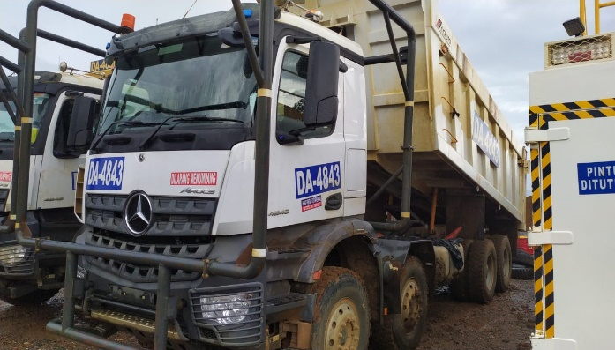 |  |  | 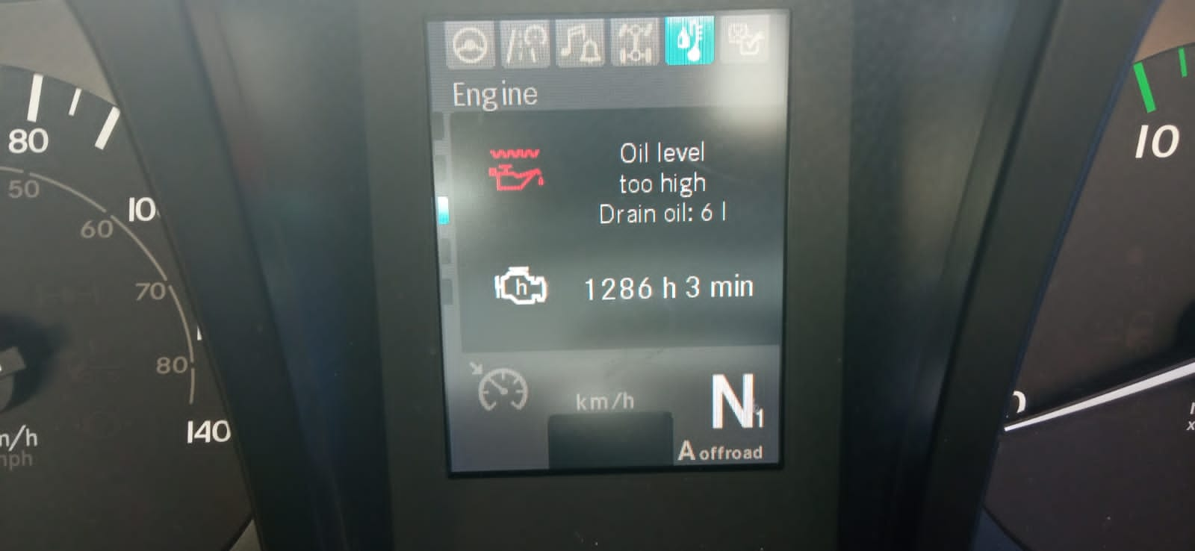 |  | 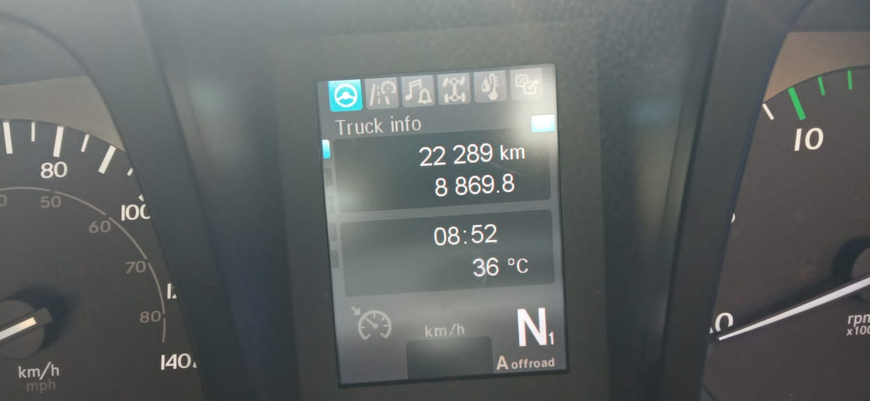 |  | 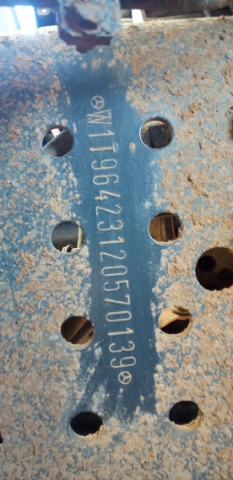 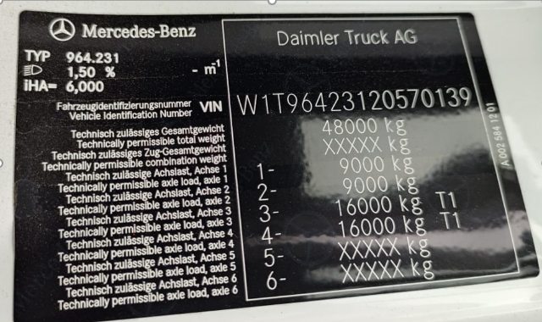

FOTO UNIT |  |  | FOTO HM |  | FOTO KM |  | FOTO VIN

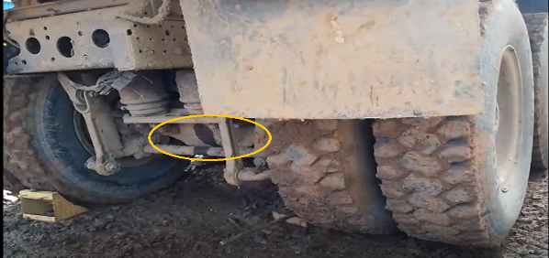
1
2
3
3
PICTURE CAUSE AND ACTION
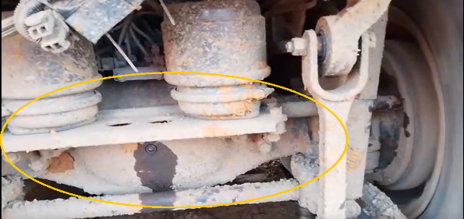 |  |  | 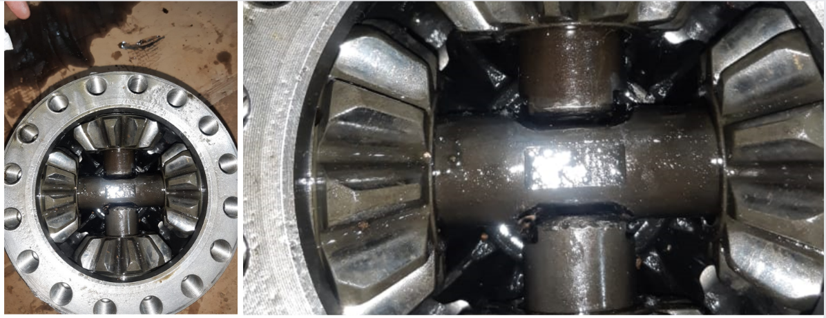 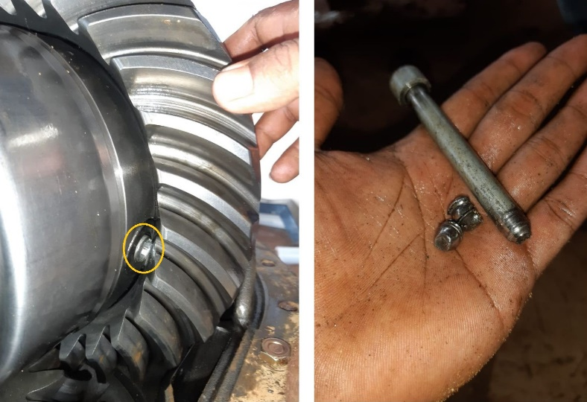 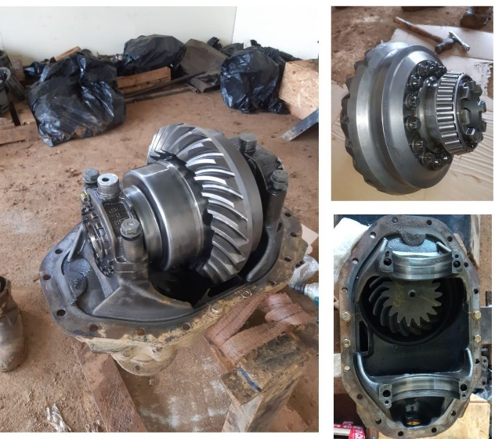

CUSTOMER COMPLAINT PICTURE |  |  | JOB PROGRESS INVESTIGATION PICTURE |  |  |  |  | PROSES INSTALL OR PICTURE JOB FINISH

PICTURE CAUSE AND ACTION
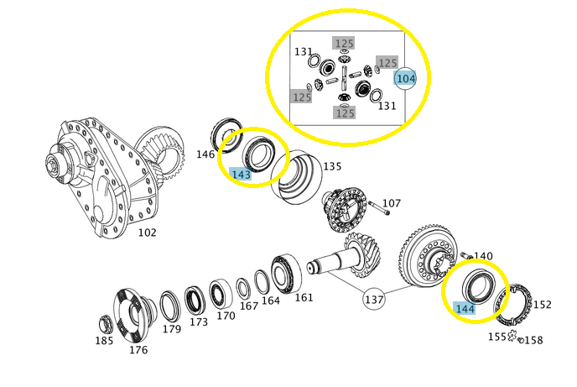

Part Book |  |  |  |  | picture part no part new |  | Remarks

 |  |  |  |  |  |  | validation

and Mercedes-Benz are registered trademarks of Mercedes-Benz Group AG.
Head Office | Gedung Office 8 Lt.33 (SCBD Lot 28/Senopati Raya 8B), Jl.Jend.Sudirman Kav.52-53, Jakarta Selatan 12190 , Indonesia | T +62 21 57903456 | www.starwagen.co.id
Branch | Jl.Syarifuddin Yoes Blok.Kav.46-47 RT.045, Sepinggan Baru, Balikpapan Selatan, Kalimantan Timur, Indonesia | +62 54 28707888 / +62 54 28705758
 |  |  |  |  |  |  | Egi sugiana | Supervisor / Workshop Managaer

Part Request
MENU

 |  |  |  |  |  |  |  |  | Authorized Dealer of Mercedes-Benz
Part Request Slip |  |  |  |  |  |  |  |  | Truck & Bus in Indonesia
 |  | Passenger car Commercial vehicle
Slip Numbering |  | Customer Information |  |  |  | Vehicle Information |  |  | Order Information
 |  | Nama | PT. PUTRA PERKASA ABADI |  |  | Model : | AROCS 4845 K57 (8X4/4) A/T |  | Worksop Order No : | 31XXXX
 |  | Site | PT HSM |  |  | Vin : | W1T96423120570139 |  | Order By :
 |  |  |  |  |  | Engine No : | 0 |  | Delivery By :
 |  | Car Registration | DA4843 |  |  | Date of 1st registration: | 0 |  | Received By | 21 MARET 2023
 |  |  |  |  |  |  |  |  | Issue On :

No | Part Number | ES1 | ES2 | Bin Location | Quantity Requested | Description |  |  | Unit Price | Total Price
1 | A 942 350 21 23 |  |  |  | 1 | RS Differential
2 | A 005 981 15 05 |  |  |  | 1 | Roller trust bearing |  |  |  |  | ROTATIONAL SPEED SENSOR
3 | A 001 981 72 05 |  |  |  | 1 | Tappered roller bearing
4
5
6
7
8
9
10
11
12
13
14
 |  |  |  |  |  |  |  | Foreman | Mechanic | Delivered By

 |  |  |  |  |  |  |  |  | Egi sugiana

 | Head Office | Gedung Office 8 Lt.33 (SCBD Lot 28/Senopati Raya 8B), Jl.Jend.Sudirman Kav.52-53, Jakarta Selatan 12190 , Indonesia | T +62 21 57903456 | www.starwagen.co.id
 | Branch | Jl.Syarifuddin Yoes Blok.Kav.46-47 RT.045, Sepinggan Baru, Balikpapan Selatan, Kalimantan Timur, Indonesia | +62 54 28707888 / +62 54 28705758

and Mercedes-Benz are registered trademarks of Mercedes-Benz Group AG

Time Sheet
MENU

 |  |  |  | PT Star Wagen Indonesia
Job Time Card Report |  |  |  | Authorized Dealer of Mercedes-Benz Truck & Bus in Indonesia

Mechanic Name: | Egi sugiana |  | WIP Number :

CIW/GW | Operational Code | End Start | Time Recording |  | Date |  |  |  | Total Time
 | Description
Warranty | CEK, UNINSTAL DIFFERENTIAL REAR | End | 11:00:00 |  | 2023-03-21 |  |  |  | 4:00:00 |  | Customer | 1:00:00
 |  | Start | 7:00:00 |  |  |  |  |  |  |  | Internal | 2:00:00
 |  | End |  |  |  |  |  |  | 0:00:00 |  | Warranty | 3:00:00
 |  | Start |  |  |  |  |  |  |  |  | GoodWill | 4:00:00
 | REMOVE DIFFERENTIAL REAR | End | 16:00:00 |  | 2023-03-21 |  |  |  | 3:00:00 |  |  | 5:00:00
 |  | Start | 13:00:00 |  |  |  |  |  |  |  |  | 6:00:00
 |  | End |  |  |  |  |  |  | 0:00:00 |  |  | 7:00:00
 |  | Start |  |  |  |  |  |  |  |  |  | 8:00:00
 |  | End |  |  |  |  |  |  | 0:00:00 |  |  | 9:00:00
 |  | Start |  |  |  |  |  |  |  |  |  | 10:00:00
 |  | End |  |  |  |  |  |  | 0:00:00 |  |  | 11:00:00
 |  | Start |  |  |  |  |  |  |  |  |  | 12:00:00
 |  | End |  |  |  |  |  |  | 0:00:00 |  |  | 13:00:00
 |  | Start |  |  |  |  |  |  |  |  |  | 14:00:00
 |  | End |  |  |  |  |  |  | 0:00:00 |  |  | 15:00:00
 |  | Start |  |  |  |  |  |  |  |  |  | 16:00:00
 |  | End |  |  |  |  |  |  | 0:00:00 |  |  | 13:00:00
 |  | Start |  |  |  |  |  |  |  |  |  | 14:00:00
 |  | End |  |  |  |  |  |  | 0:00:00 |  |  | 15:00:00
 |  | Start |  |  |  |  |  |  |  |  |  | 16:00:00
 |  | End |  |  |  |  |  |  | 0:00:00 |  |  | 13:00:00
 |  | Start |  |  |  |  |  |  |  |  |  | 14:00:00
 |  | End |  |  |  |  |  |  | 0:00:00 |  |  | 15:00:00
 |  | Start |  |  |  |  |  |  |  |  |  | 16:00:00
 |  |  |  |  |  |  |  |  |  |  |  | 17:00:00
Hours |  | C | I | W/G | W1 | W2 | W3 | W4 | W5 | W6 |  | 18:00:00
Total |  |  |  | 7:00:00 |  |  |  |  |  |  |  | 19:00:00
 |  |  |  |  |  |  |  |  |  |  |  | 20:00:00
Head Office | Gedung Office 8 Lt.33 (SCBD Lot 28/Senopati Raya 8B), Jl.Jend.Sudirman Kav.52-53, Jakarta Selatan 12190 , Indonesia | T +62 21 57903456 | www.starwagen.co.id |  |  |  |  |  |  |  |  |  |  |  | 21:00:00
Branch | Jl.Syarifuddin Yoes Blok.Kav.46-47 RT.045, Sepinggan Baru, Balikpapan Selatan, Kalimantan Timur, Indonesia | +62 54 28707888 / +62 54 28705758 |  |  |  |  |  |  |  |  |  |  |  | 22:00:00
 |  |  |  |  |  |  |  |  |  |  |  | 23:00:00
and Mercedes-Benz are registered trademarks of Mercedes-Benz Group AG
 |  |  |  |  |  |  |  |  |  |  |  | 1900-01-01 00:00:00

Final Control
MENU

 |  |  | Truck & Bus |  |  |  | PT Star Wagen Indonesia
 |  |  | in Indonesia |  |  |  | Authorized Dealer of Mercedes-Benz Truck & Bus in Indonesia
Final Control Report

 |  | Customer Name : | PT. PUTRA PERKASA ABADI |  | Millage In : |  |  |  | Check And Tested By
 |  | Wo no/ WIP NO : |  |  | Millage Out : |  |  |  | Name : | Egi sugiana
 |  |  |  |  |  |  |  |  | Date : | 2023-01-22

 |  | Function Checks |  |  | Visual Checks |  |  |  | Other Checks
 | √ | All warning indicators |  | √ | Engine |  |  | √ | Wiper blades and spraying nozzle |  | √
 | √ | Steering system |  | √ | Transmission |  |  | √ | Vacuum hoses/lines |  | x
 | √ | Horn |  | √ | Rear axles |  |  | √ | Write your own checking list related reparation you did
 | √ | Lights interior / exterior |  | √ | Steering system |  |  | √ | …………………………………………………………………..
 | √ | Other electrical equipment |  | √ | Fuel system |  |  | √ | …………………………………………………………………..
 | √ | Central locking / closing assist system |  | √ | Cooling system |  |  | √ | …………………………………………………………………..
 | √ | Brakes on dynamometer or test drive |  | √ | Brake hoses / lines / linkage |  |  | √ | …………………………………………………………………..
 | √ | Air conditioner |  | √ | Condition of tires/spare tires (if any) |  |  | √ | …………………………………………………………………..
 |  |  |  | √ | Cleanliness inside and outside |  |  |  | …………………………………………………………………..
 |  | Fluid Levels |  |  | Final Checks |  |  |  | Document Check
 | √ | Engine |  | √ | Check work performed |  |  | √ | Test document / Short test result
 | √ | Transmission |  | √ | Test Drive if needed |  |  | √ | Workshop report (only if required)
 | √ | Radiator / Coolant |  |  |  |  |  | √ | Internal part requisition slip
 | √ | Power steering |  |  |  |  |  | √ | Battery test result, only if tested
 | √ | Battery |  |  |  |  |  | √
 | √ | Brake system |  |  |  |  |  | √
 | √ | Windshield washer |  |  |  |  |  | √
 |  |  |  |  |  |  |  | √
 | After completion of all the work required by you, we performed a final quality check on your vehicle with the following results:
 | Ok |  | No |  |  |  |  | Acknowledged by
 | During checking & reparation process, some critical findings has to be followed up;
 | 1.
 | 2.
 | this has been conveyed on………..to……………. but not approved for doing an action. |  |  |  | (Service Advisor) | (Customer) |  | Foreman or Supervisor

 | Head Office | Gedung Office 8 Lt.33 (SCBD Lot 28/Senopati Raya 8B), Jl.Jend.Sudirman Kav.52-53, Jakarta Selatan 12190 , Indonesia | T +62 21 57903456 | www.starwagen.co.id
 | Branch | Jl.Syarifuddin Yoes Blok.Kav.46-47 RT.045, Sepinggan Baru, Balikpapan Selatan, Kalimantan Timur, Indonesia | +62 54 28707888 / +62 54 28705758
and Mercedes-Benz are registered trademarks of Mercedes-Benz Group AG
.

